SLC6A3 _multivariate
Reported by Tex Li-Hsing Chi. tex@gate.sinica.edu.tw 2019-08-15

Table 2. The clinicopathological features of HNSCC cohort and SLC6A3 expression. (Chi square test)
Cutoff at -0.127 (69.6%)
 |  | SLC6A3 expression |  | SLC6A3 expression |  | (Optimised)
 | Features | Low | (%) | High | (%) | Case no | P-value | Remark | Matthews
Gender | Female | 217 | 52.3 | 89 | 21.4 | 415 | 0.4087 | 0 | 0
2 | Male | 72 | 17.3 | 37 | 8.9
Age at diagnosis | <=65y | 191 | 46 | 83 | 20 | 415 | 1 | 0 | 0
4 | >65y | 98 | 23.6 | 43 | 10.4
Clinical T Status | T1+T2 | 102 | 24.6 | 47 | 11.3 | 415 | 0.7789 | 0 | 0
6 | T3+T4 | 187 | 45.1 | 79 | 19
Clinical N Status | N0 | 151 | 36.4 | 65 | 15.7 | 415 | 0.9862 | 0 | 0
8 | N1-3 | 138 | 33.3 | 61 | 14.7
Clinical M Status | M0 | 289 | 69.6 | 123 | 29.6 | 415 | 0.0275 | 1 | 0
10 | M1 | 0 | 0 | 3 | 0.7
Clinical Stage | Stage I+II | 73 | 17.6 | 29 | 7 | 415 | 0.7157 | 0 | 0
12 | Stage III+IV | 216 | 52 | 97 | 23.4
Surgical Margin status | Negative | 227 | 54.7 | 91 | 21.9 | 415 | 0.1672 | 0 | 0
14 | Positive | 62 | 14.9 | 35 | 8.4
Tobacco Exposure | Low | 122 | 29.4 | 39 | 9.4 | 415 | 0.0372 | 1 | 0
16 | High | 167 | 40.2 | 87 | 21

Table 3. Univariate/Multivariate Cox's proportional hazards regression analyses on OS time of SLC6A3 gene expression in HNSCC

 |  | Univariate |  |  |  | Multivariate
 | Features | HR | CI95%(L) | CI95%(H) | P-value | HR | CI95%(L) | CI95%(H) | P-value
1 | Female | 1 |  |  |  | 1
Gender | Male | 1.157 | 0.843 | 1.587 | 0.367 | 1.171 | 0.837 | 1.64 | 0.357
11 | <=65y | 1 |  |  |  | 1
Age at diagnosis | >65y | 1.329 | 0.99 | 1.784 | 0.058 | 1.386 | 1.02 | 1.882 | 0.037
12 | T1+T2 | 1 |  |  |  | 1
Clinical T Status | T3+T4 | 1.409 | 1.028 | 1.931 | 0.033 | 2.231 | 1.18 | 4.218 | 0.014
13 | N0 | 1 |  |  |  | 1
Clinical N Status | N1-3 | 1.185 | 0.89 | 1.577 | 0.246 | 1.222 | 0.856 | 1.745 | 0.27
14 | M0 | 1 |  |  |  | 1
Clinical M Status | M1 | 4.097 | 1.009 | 16.644 | 0.049 | 8.038 | 1.732 | 37.302 | 0.008
15 | Stage I+II | 1 |  |  |  | 1
Clinical Stage | Stage III+IV | 1.245 | 0.882 | 1.759 | 0.213 | 0.501 | 0.233 | 1.075 | 0.076
16 | Negative | 1 |  |  |  | 1
Surgical Margin status | Positive | 1.591 | 1.155 | 2.191 | 0.004 | 1.665 | 1.205 | 2.302 | 0.002
17 | Low | 1 |  |  |  | 1
Tobacco Exposure | High | 1.364 | 1.008 | 1.844 | 0.044 | 1.397 | 1.01 | 1.932 | 0.043
18 | Low | 1 |  |  |  | 1
RNAseq(z-score) | High | 1.378 | 1.018 | 1.865 | 0.038 | 1.276 | 0.934 | 1.743 | 0.125

Table 4. Univariate/Multivariate Cox's proportional hazards regression analyses on RFS time of SLC6A3 gene expression in HNSCC

 |  | Univariate |  |  |  | Multivariate
 | Features | HR | CI95%(L) | CI95%(H) | P-value | HR | CI95%(L) | CI95%(H) | P-value
1 | Female | 1 |  |  |  | 1
Gender | Male | 1.157 | 0.843 | 1.587 | 0.367 | 1.171 | 0.837 | 1.64 | 0.357
11 | <=65y | 1 |  |  |  | 1
Age at diagnosis | >65y | 1.329 | 0.99 | 1.784 | 0.058 | 1.386 | 1.02 | 1.882 | 0.037
12 | T1+T2 | 1 |  |  |  | 1
Clinical T Status | T3+T4 | 1.409 | 1.028 | 1.931 | 0.033 | 2.231 | 1.18 | 4.218 | 0.014
13 | N0 | 1 |  |  |  | 1
Clinical N Status | N1-3 | 1.185 | 0.89 | 1.577 | 0.246 | 1.222 | 0.856 | 1.745 | 0.27
14 | M0 | 1 |  |  |  | 1
Clinical M Status | M1 | 4.097 | 1.009 | 16.644 | 0.049 | 8.038 | 1.732 | 37.302 | 0.008
15 | Stage I+II | 1 |  |  |  | 1
Clinical Stage | Stage III+IV | 1.245 | 0.882 | 1.759 | 0.213 | 0.501 | 0.233 | 1.075 | 0.076
16 | Negative | 1 |  |  |  | 1
Surgical Margin status | Positive | 1.591 | 1.155 | 2.191 | 0.004 | 1.665 | 1.205 | 2.302 | 0.002
17 | Low | 1 |  |  |  | 1
Tobacco Exposure | High | 1.364 | 1.008 | 1.844 | 0.044 | 1.397 | 1.01 | 1.932 | 0.043
18 | Low | 1 |  |  |  | 1
RNAseq(z-score) | High | 1.378 | 1.018 | 1.865 | 0.038 | 1.276 | 0.934 | 1.743 | 0.125

Kaplan-Meier survival estimate: Cutoff at -0.127 (69.6%)



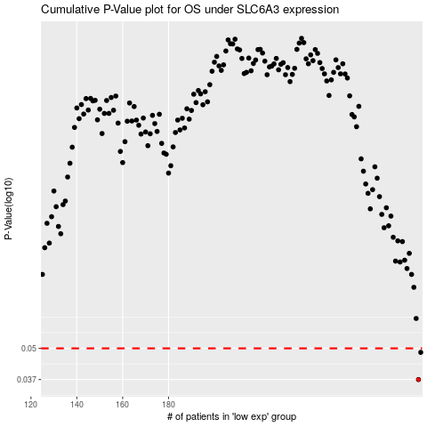

 |  |  |  |  |  | cases_OS | p_OS | rank | exp
 |  |  |  |  |  | 289 | 0.037 | 163 | -0.12655254294
 |  |  |  |  |  | 290 | 0.0481 | 393 | -0.124621063
 |  |  |  |  |  |  | cases_RFS | p_RFS | rank | exp
 |  |  |  |  |  |  | 288 | 0.037 | 270 | -0.13575278763
 |  |  |  |  |  |  | 289 | 0.0481 | 163 | -0.12655254294

