SLC7A1 _multivariate
Reported by Tex Li-Hsing Chi. tex@gate.sinica.edu.tw 2019-08-15

Table 2. The clinicopathological features of HNSCC cohort and SLC7A1 expression. (Chi square test)
Cutoff at -0.184 (50.0%)
 |  | SLC7A1 expression |  | SLC7A1 expression |  | (Optimised)
 | Features | Low | (%) | High | (%) | Case no | P-value | Remark | Matthews
Gender | Female | 160 | 38.6 | 146 | 35.2 | 415 | 0.1254 | 0 | 0
2 | Male | 47 | 11.3 | 62 | 14.9
Age at diagnosis | <=65y | 142 | 34.2 | 132 | 31.8 | 415 | 0.3167 | 0 | 0
4 | >65y | 65 | 15.7 | 76 | 18.3
Clinical T Status | T1+T2 | 72 | 17.3 | 77 | 18.6 | 415 | 0.7095 | 0 | 0
6 | T3+T4 | 135 | 32.5 | 131 | 31.6
Clinical N Status | N0 | 100 | 24.1 | 116 | 28 | 415 | 0.1548 | 0 | 0
8 | N1-3 | 107 | 25.8 | 92 | 22.2
Clinical M Status | M0 | 204 | 49.2 | 208 | 50.1 | 415 | 0.1232 | 0 | 0
10 | M1 | 3 | 0.7 | 0 | 0
Clinical Stage | Stage I+II | 42 | 10.1 | 60 | 14.5 | 415 | 0.0561 | 0 | 0
12 | Stage III+IV | 165 | 39.8 | 148 | 35.7
Surgical Margin status | Negative | 153 | 36.9 | 165 | 39.8 | 415 | 0.2036 | 0 | 0
14 | Positive | 54 | 13 | 43 | 10.4
Tobacco Exposure | Low | 76 | 18.3 | 85 | 20.5 | 415 | 0.4207 | 0 | 0
16 | High | 131 | 31.6 | 123 | 29.6

Table 3. Univariate/Multivariate Cox's proportional hazards regression analyses on OS time of SLC7A1 gene expression in HNSCC

 |  | Univariate |  |  |  | Multivariate
 | Features | HR | CI95%(L) | CI95%(H) | P-value | HR | CI95%(L) | CI95%(H) | P-value
1 | Female | 1 |  |  |  | 1
Gender | Male | 1.157 | 0.843 | 1.587 | 0.367 | 1.201 | 0.86 | 1.679 | 0.282
11 | <=65y | 1 |  |  |  | 1
Age at diagnosis | >65y | 1.329 | 0.99 | 1.784 | 0.058 | 1.39 | 1.022 | 1.889 | 0.036
12 | T1+T2 | 1 |  |  |  | 1
Clinical T Status | T3+T4 | 1.409 | 1.028 | 1.931 | 0.033 | 2.184 | 1.155 | 4.129 | 0.016
13 | N0 | 1 |  |  |  | 1
Clinical N Status | N1-3 | 1.185 | 0.89 | 1.577 | 0.246 | 1.255 | 0.879 | 1.792 | 0.211
14 | M0 | 1 |  |  |  | 1
Clinical M Status | M1 | 4.097 | 1.009 | 16.644 | 0.049 | 9.946 | 2.158 | 45.836 | 0.003
15 | Stage I+II | 1 |  |  |  | 1
Clinical Stage | Stage III+IV | 1.245 | 0.882 | 1.759 | 0.213 | 0.518 | 0.241 | 1.113 | 0.092
16 | Negative | 1 |  |  |  | 1
Surgical Margin status | Positive | 1.591 | 1.155 | 2.191 | 0.004 | 1.689 | 1.221 | 2.337 | 0.002
17 | Low | 1 |  |  |  | 1
Tobacco Exposure | High | 1.364 | 1.008 | 1.844 | 0.044 | 1.477 | 1.069 | 2.041 | 0.018
18 | Low | 1 |  |  |  | 1
RNAseq(z-score) | High | 1.046 | 0.786 | 1.394 | 0.757 | 1.146 | 0.851 | 1.544 | 0.369

Table 4. Univariate/Multivariate Cox's proportional hazards regression analyses on RFS time of SLC7A1 gene expression in HNSCC

 |  | Univariate |  |  |  | Multivariate
 | Features | HR | CI95%(L) | CI95%(H) | P-value | HR | CI95%(L) | CI95%(H) | P-value
1 | Female | 1 |  |  |  | 1
Gender | Male | 1.157 | 0.843 | 1.587 | 0.367 | 1.201 | 0.86 | 1.679 | 0.282
11 | <=65y | 1 |  |  |  | 1
Age at diagnosis | >65y | 1.329 | 0.99 | 1.784 | 0.058 | 1.39 | 1.022 | 1.889 | 0.036
12 | T1+T2 | 1 |  |  |  | 1
Clinical T Status | T3+T4 | 1.409 | 1.028 | 1.931 | 0.033 | 2.184 | 1.155 | 4.129 | 0.016
13 | N0 | 1 |  |  |  | 1
Clinical N Status | N1-3 | 1.185 | 0.89 | 1.577 | 0.246 | 1.255 | 0.879 | 1.792 | 0.211
14 | M0 | 1 |  |  |  | 1
Clinical M Status | M1 | 4.097 | 1.009 | 16.644 | 0.049 | 9.946 | 2.158 | 45.836 | 0.003
15 | Stage I+II | 1 |  |  |  | 1
Clinical Stage | Stage III+IV | 1.245 | 0.882 | 1.759 | 0.213 | 0.518 | 0.241 | 1.113 | 0.092
16 | Negative | 1 |  |  |  | 1
Surgical Margin status | Positive | 1.591 | 1.155 | 2.191 | 0.004 | 1.689 | 1.221 | 2.337 | 0.002
17 | Low | 1 |  |  |  | 1
Tobacco Exposure | High | 1.364 | 1.008 | 1.844 | 0.044 | 1.477 | 1.069 | 2.041 | 0.018
18 | Low | 1 |  |  |  | 1
RNAseq(z-score) | High | 1.046 | 0.786 | 1.394 | 0.757 | 1.146 | 0.851 | 1.544 | 0.369

Kaplan-Meier survival estimate: Cutoff at -0.184 (50.0%)



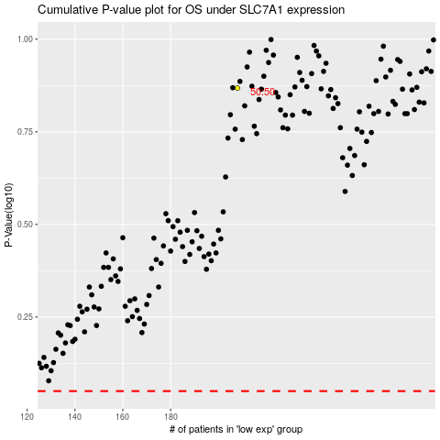

 |  |  |  |  |  | cases_OS | p_OS | rank | exp
 |  |  |  |  |  |  | cases_RFS | p_RFS | rank | exp

