SLC7A11 _multivariate
Reported by Tex Li-Hsing Chi. tex@gate.sinica.edu.tw 2019-08-15

Table 2. The clinicopathological features of HNSCC cohort and SLC7A11 expression. (Chi square test)
Cutoff at -0.305 (49.8%)
 |  | SLC7A11 expression |  | SLC7A11 expression |  | (Optimised)
 | Features | Low | (%) | High | (%) | Case no | P-value | Remark | Matthews
Gender | Female | 150 | 36.1 | 156 | 37.6 | 415 | 0.6344 | 0 | 0
2 | Male | 57 | 13.7 | 52 | 12.5
Age at diagnosis | <=65y | 143 | 34.5 | 131 | 31.6 | 415 | 0.2269 | 0 | 0
4 | >65y | 64 | 15.4 | 77 | 18.6
Clinical T Status | T1+T2 | 87 | 21 | 62 | 14.9 | 415 | 0.0127 | 1 | 0
6 | T3+T4 | 120 | 28.9 | 146 | 35.2
Clinical N Status | N0 | 100 | 24.1 | 116 | 28 | 415 | 0.1548 | 0 | 0
8 | N1-3 | 107 | 25.8 | 92 | 22.2
Clinical M Status | M0 | 206 | 49.6 | 206 | 49.6 | 415 | 1 | 0 | 0
10 | M1 | 1 | 0.2 | 2 | 0.5
Clinical Stage | Stage I+II | 55 | 13.3 | 47 | 11.3 | 415 | 0.4087 | 0 | 0
12 | Stage III+IV | 152 | 36.6 | 161 | 38.8
Surgical Margin status | Negative | 162 | 39 | 156 | 37.6 | 415 | 0.4867 | 0 | 0
14 | Positive | 45 | 10.8 | 52 | 12.5
Tobacco Exposure | Low | 89 | 21.4 | 72 | 17.3 | 415 | 0.0872 | 0 | 0
16 | High | 118 | 28.4 | 136 | 32.8

Table 3. Univariate/Multivariate Cox's proportional hazards regression analyses on OS time of SLC7A11 gene expression in HNSCC

 |  | Univariate |  |  |  | Multivariate
 | Features | HR | CI95%(L) | CI95%(H) | P-value | HR | CI95%(L) | CI95%(H) | P-value
1 | Female | 1 |  |  |  | 1
Gender | Male | 1.157 | 0.843 | 1.587 | 0.367 | 1.21 | 0.865 | 1.692 | 0.266
11 | <=65y | 1 |  |  |  | 1
Age at diagnosis | >65y | 1.329 | 0.99 | 1.784 | 0.058 | 1.388 | 1.02 | 1.887 | 0.037
12 | T1+T2 | 1 |  |  |  | 1
Clinical T Status | T3+T4 | 1.409 | 1.028 | 1.931 | 0.033 | 2.164 | 1.141 | 4.104 | 0.018
13 | N0 | 1 |  |  |  | 1
Clinical N Status | N1-3 | 1.185 | 0.89 | 1.577 | 0.246 | 1.256 | 0.878 | 1.797 | 0.213
14 | M0 | 1 |  |  |  | 1
Clinical M Status | M1 | 4.097 | 1.009 | 16.644 | 0.049 | 9.154 | 1.99 | 42.096 | 0.004
15 | Stage I+II | 1 |  |  |  | 1
Clinical Stage | Stage III+IV | 1.245 | 0.882 | 1.759 | 0.213 | 0.507 | 0.236 | 1.089 | 0.081
16 | Negative | 1 |  |  |  | 1
Surgical Margin status | Positive | 1.591 | 1.155 | 2.191 | 0.004 | 1.666 | 1.205 | 2.302 | 0.002
17 | Low | 1 |  |  |  | 1
Tobacco Exposure | High | 1.364 | 1.008 | 1.844 | 0.044 | 1.447 | 1.05 | 1.996 | 0.024
18 | Low | 1 |  |  |  | 1
RNAseq(z-score) | High | 1.155 | 0.867 | 1.539 | 0.324 | 1.082 | 0.806 | 1.453 | 0.599

Table 4. Univariate/Multivariate Cox's proportional hazards regression analyses on RFS time of SLC7A11 gene expression in HNSCC

 |  | Univariate |  |  |  | Multivariate
 | Features | HR | CI95%(L) | CI95%(H) | P-value | HR | CI95%(L) | CI95%(H) | P-value
1 | Female | 1 |  |  |  | 1
Gender | Male | 1.157 | 0.843 | 1.587 | 0.367 | 1.21 | 0.865 | 1.692 | 0.266
11 | <=65y | 1 |  |  |  | 1
Age at diagnosis | >65y | 1.329 | 0.99 | 1.784 | 0.058 | 1.388 | 1.02 | 1.887 | 0.037
12 | T1+T2 | 1 |  |  |  | 1
Clinical T Status | T3+T4 | 1.409 | 1.028 | 1.931 | 0.033 | 2.164 | 1.141 | 4.104 | 0.018
13 | N0 | 1 |  |  |  | 1
Clinical N Status | N1-3 | 1.185 | 0.89 | 1.577 | 0.246 | 1.256 | 0.878 | 1.797 | 0.213
14 | M0 | 1 |  |  |  | 1
Clinical M Status | M1 | 4.097 | 1.009 | 16.644 | 0.049 | 9.154 | 1.99 | 42.096 | 0.004
15 | Stage I+II | 1 |  |  |  | 1
Clinical Stage | Stage III+IV | 1.245 | 0.882 | 1.759 | 0.213 | 0.507 | 0.236 | 1.089 | 0.081
16 | Negative | 1 |  |  |  | 1
Surgical Margin status | Positive | 1.591 | 1.155 | 2.191 | 0.004 | 1.666 | 1.205 | 2.302 | 0.002
17 | Low | 1 |  |  |  | 1
Tobacco Exposure | High | 1.364 | 1.008 | 1.844 | 0.044 | 1.447 | 1.05 | 1.996 | 0.024
18 | Low | 1 |  |  |  | 1
RNAseq(z-score) | High | 1.155 | 0.867 | 1.539 | 0.324 | 1.082 | 0.806 | 1.453 | 0.599

Kaplan-Meier survival estimate: Cutoff at -0.305 (49.8%)



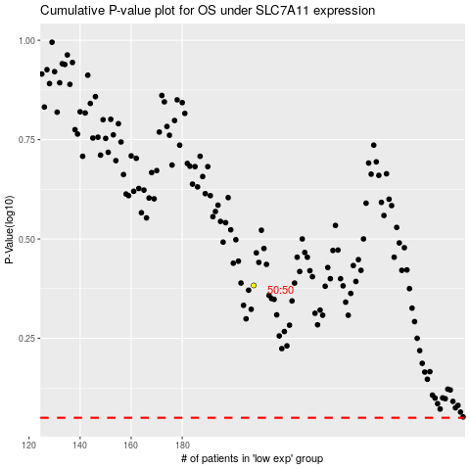

 |  |  |  |  |  | cases_OS | p_OS | rank | exp
 |  |  |  |  |  |  | cases_RFS | p_RFS | rank | exp

