SLC7A4 _multivariate
Reported by Tex Li-Hsing Chi. tex@gate.sinica.edu.tw 2019-08-15

Table 2. The clinicopathological features of HNSCC cohort and SLC7A4 expression. (Chi square test)
Cutoff at -0.303 (50.0%)
 |  | SLC7A4 expression |  | SLC7A4 expression |  | (Optimised)
 | Features | Low | (%) | High | (%) | Case no | P-value | Remark | Matthews
Gender | Female | 146 | 35.2 | 160 | 38.6 | 415 | 0.1714 | 0 | 0
2 | Male | 61 | 14.7 | 48 | 11.6
Age at diagnosis | <=65y | 145 | 34.9 | 129 | 31.1 | 415 | 0.1046 | 0 | 0
4 | >65y | 62 | 14.9 | 79 | 19
Clinical T Status | T1+T2 | 75 | 18.1 | 74 | 17.8 | 415 | 0.9707 | 0 | 0
6 | T3+T4 | 132 | 31.8 | 134 | 32.3
Clinical N Status | N0 | 104 | 25.1 | 112 | 27 | 415 | 0.5243 | 0 | 0
8 | N1-3 | 103 | 24.8 | 96 | 23.1
Clinical M Status | M0 | 204 | 49.2 | 208 | 50.1 | 415 | 0.1232 | 0 | 0
10 | M1 | 3 | 0.7 | 0 | 0
Clinical Stage | Stage I+II | 49 | 11.8 | 53 | 12.8 | 415 | 0.7535 | 0 | 0
12 | Stage III+IV | 158 | 38.1 | 155 | 37.3
Surgical Margin status | Negative | 160 | 38.6 | 158 | 38.1 | 415 | 0.8167 | 0 | 0
14 | Positive | 47 | 11.3 | 50 | 12
Tobacco Exposure | Low | 86 | 20.7 | 75 | 18.1 | 415 | 0.2687 | 0 | 0
16 | High | 121 | 29.2 | 133 | 32

Table 3. Univariate/Multivariate Cox's proportional hazards regression analyses on OS time of SLC7A4 gene expression in HNSCC

 |  | Univariate |  |  |  | Multivariate
 | Features | HR | CI95%(L) | CI95%(H) | P-value | HR | CI95%(L) | CI95%(H) | P-value
1 | Female | 1 |  |  |  | 1
Gender | Male | 1.157 | 0.843 | 1.587 | 0.367 | 1.19 | 0.851 | 1.664 | 0.31
11 | <=65y | 1 |  |  |  | 1
Age at diagnosis | >65y | 1.329 | 0.99 | 1.784 | 0.058 | 1.411 | 1.035 | 1.923 | 0.029
12 | T1+T2 | 1 |  |  |  | 1
Clinical T Status | T3+T4 | 1.409 | 1.028 | 1.931 | 0.033 | 2.197 | 1.162 | 4.154 | 0.015
13 | N0 | 1 |  |  |  | 1
Clinical N Status | N1-3 | 1.185 | 0.89 | 1.577 | 0.246 | 1.245 | 0.873 | 1.776 | 0.227
14 | M0 | 1 |  |  |  | 1
Clinical M Status | M1 | 4.097 | 1.009 | 16.644 | 0.049 | 8.853 | 1.916 | 40.898 | 0.005
15 | Stage I+II | 1 |  |  |  | 1
Clinical Stage | Stage III+IV | 1.245 | 0.882 | 1.759 | 0.213 | 0.506 | 0.236 | 1.086 | 0.081
16 | Negative | 1 |  |  |  | 1
Surgical Margin status | Positive | 1.591 | 1.155 | 2.191 | 0.004 | 1.661 | 1.202 | 2.296 | 0.002
17 | Low | 1 |  |  |  | 1
Tobacco Exposure | High | 1.364 | 1.008 | 1.844 | 0.044 | 1.481 | 1.07 | 2.05 | 0.018
18 | Low | 1 |  |  |  | 1
RNAseq(z-score) | High | 0.917 | 0.687 | 1.224 | 0.555 | 0.892 | 0.663 | 1.201 | 0.451

Table 4. Univariate/Multivariate Cox's proportional hazards regression analyses on RFS time of SLC7A4 gene expression in HNSCC

 |  | Univariate |  |  |  | Multivariate
 | Features | HR | CI95%(L) | CI95%(H) | P-value | HR | CI95%(L) | CI95%(H) | P-value
1 | Female | 1 |  |  |  | 1
Gender | Male | 1.157 | 0.843 | 1.587 | 0.367 | 1.19 | 0.851 | 1.664 | 0.31
11 | <=65y | 1 |  |  |  | 1
Age at diagnosis | >65y | 1.329 | 0.99 | 1.784 | 0.058 | 1.411 | 1.035 | 1.923 | 0.029
12 | T1+T2 | 1 |  |  |  | 1
Clinical T Status | T3+T4 | 1.409 | 1.028 | 1.931 | 0.033 | 2.197 | 1.162 | 4.154 | 0.015
13 | N0 | 1 |  |  |  | 1
Clinical N Status | N1-3 | 1.185 | 0.89 | 1.577 | 0.246 | 1.245 | 0.873 | 1.776 | 0.227
14 | M0 | 1 |  |  |  | 1
Clinical M Status | M1 | 4.097 | 1.009 | 16.644 | 0.049 | 8.853 | 1.916 | 40.898 | 0.005
15 | Stage I+II | 1 |  |  |  | 1
Clinical Stage | Stage III+IV | 1.245 | 0.882 | 1.759 | 0.213 | 0.506 | 0.236 | 1.086 | 0.081
16 | Negative | 1 |  |  |  | 1
Surgical Margin status | Positive | 1.591 | 1.155 | 2.191 | 0.004 | 1.661 | 1.202 | 2.296 | 0.002
17 | Low | 1 |  |  |  | 1
Tobacco Exposure | High | 1.364 | 1.008 | 1.844 | 0.044 | 1.481 | 1.07 | 2.05 | 0.018
18 | Low | 1 |  |  |  | 1
RNAseq(z-score) | High | 0.917 | 0.687 | 1.224 | 0.555 | 0.892 | 0.663 | 1.201 | 0.451

Kaplan-Meier survival estimate: Cutoff at -0.303 (50.0%)



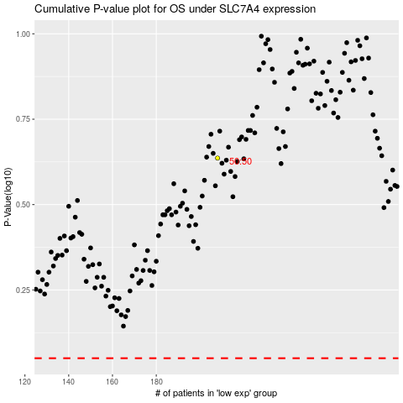

 |  |  |  |  |  | cases_OS | p_OS | rank | exp
 |  |  |  |  |  |  | cases_RFS | p_RFS | rank | exp

