SLC7A5P1 _multivariate
Reported by Tex Li-Hsing Chi. tex@gate.sinica.edu.tw 2019-08-15

Table 2. The clinicopathological features of HNSCC cohort and SLC7A5P1 expression. (Chi square test)
Cutoff at -0.252 (50.0%)
 |  | SLC7A5P1 expression |  | SLC7A5P1 expression |  | (Optimised)
 | Features | Low | (%) | High | (%) | Case no | P-value | Remark | Matthews
Gender | Female | 152 | 36.6 | 154 | 37.1 | 415 | 0.9766 | 0 | 0
2 | Male | 55 | 13.3 | 54 | 13
Age at diagnosis | <=65y | 134 | 32.3 | 140 | 33.7 | 415 | 0.6529 | 0 | 0
4 | >65y | 73 | 17.6 | 68 | 16.4
Clinical T Status | T1+T2 | 88 | 21.2 | 61 | 14.7 | 415 | 0.007 | 1 | 0
6 | T3+T4 | 119 | 28.7 | 147 | 35.4
Clinical N Status | N0 | 108 | 26 | 108 | 26 | 415 | 1 | 0 | 0
8 | N1-3 | 99 | 23.9 | 100 | 24.1
Clinical M Status | M0 | 205 | 49.4 | 207 | 49.9 | 415 | 0.6232 | 0 | 0
10 | M1 | 2 | 0.5 | 1 | 0.2
Clinical Stage | Stage I+II | 59 | 14.2 | 43 | 10.4 | 415 | 0.0822 | 0 | 0
12 | Stage III+IV | 148 | 35.7 | 165 | 39.8
Surgical Margin status | Negative | 161 | 38.8 | 157 | 37.8 | 415 | 0.6429 | 0 | 0
14 | Positive | 46 | 11.1 | 51 | 12.3
Tobacco Exposure | Low | 88 | 21.2 | 73 | 17.6 | 415 | 0.1314 | 0 | 0
16 | High | 119 | 28.7 | 135 | 32.5

Table 3. Univariate/Multivariate Cox's proportional hazards regression analyses on OS time of SLC7A5P1 gene expression in HNSCC

 |  | Univariate |  |  |  | Multivariate
 | Features | HR | CI95%(L) | CI95%(H) | P-value | HR | CI95%(L) | CI95%(H) | P-value
1 | Female | 1 |  |  |  | 1
Gender | Male | 1.157 | 0.843 | 1.587 | 0.367 | 1.196 | 0.856 | 1.671 | 0.294
11 | <=65y | 1 |  |  |  | 1
Age at diagnosis | >65y | 1.329 | 0.99 | 1.784 | 0.058 | 1.379 | 1.014 | 1.875 | 0.041
12 | T1+T2 | 1 |  |  |  | 1
Clinical T Status | T3+T4 | 1.409 | 1.028 | 1.931 | 0.033 | 2.264 | 1.195 | 4.29 | 0.012
13 | N0 | 1 |  |  |  | 1
Clinical N Status | N1-3 | 1.185 | 0.89 | 1.577 | 0.246 | 1.233 | 0.864 | 1.759 | 0.248
14 | M0 | 1 |  |  |  | 1
Clinical M Status | M1 | 4.097 | 1.009 | 16.644 | 0.049 | 9.206 | 2.007 | 42.23 | 0.004
15 | Stage I+II | 1 |  |  |  | 1
Clinical Stage | Stage III+IV | 1.245 | 0.882 | 1.759 | 0.213 | 0.501 | 0.233 | 1.076 | 0.076
16 | Negative | 1 |  |  |  | 1
Surgical Margin status | Positive | 1.591 | 1.155 | 2.191 | 0.004 | 1.692 | 1.223 | 2.341 | 0.001
17 | Low | 1 |  |  |  | 1
Tobacco Exposure | High | 1.364 | 1.008 | 1.844 | 0.044 | 1.47 | 1.065 | 2.029 | 0.019
18 | Low | 1 |  |  |  | 1
RNAseq(z-score) | High | 0.929 | 0.697 | 1.238 | 0.615 | 0.865 | 0.645 | 1.16 | 0.333

Table 4. Univariate/Multivariate Cox's proportional hazards regression analyses on RFS time of SLC7A5P1 gene expression in HNSCC

 |  | Univariate |  |  |  | Multivariate
 | Features | HR | CI95%(L) | CI95%(H) | P-value | HR | CI95%(L) | CI95%(H) | P-value
1 | Female | 1 |  |  |  | 1
Gender | Male | 1.157 | 0.843 | 1.587 | 0.367 | 1.196 | 0.856 | 1.671 | 0.294
11 | <=65y | 1 |  |  |  | 1
Age at diagnosis | >65y | 1.329 | 0.99 | 1.784 | 0.058 | 1.379 | 1.014 | 1.875 | 0.041
12 | T1+T2 | 1 |  |  |  | 1
Clinical T Status | T3+T4 | 1.409 | 1.028 | 1.931 | 0.033 | 2.264 | 1.195 | 4.29 | 0.012
13 | N0 | 1 |  |  |  | 1
Clinical N Status | N1-3 | 1.185 | 0.89 | 1.577 | 0.246 | 1.233 | 0.864 | 1.759 | 0.248
14 | M0 | 1 |  |  |  | 1
Clinical M Status | M1 | 4.097 | 1.009 | 16.644 | 0.049 | 9.206 | 2.007 | 42.23 | 0.004
15 | Stage I+II | 1 |  |  |  | 1
Clinical Stage | Stage III+IV | 1.245 | 0.882 | 1.759 | 0.213 | 0.501 | 0.233 | 1.076 | 0.076
16 | Negative | 1 |  |  |  | 1
Surgical Margin status | Positive | 1.591 | 1.155 | 2.191 | 0.004 | 1.692 | 1.223 | 2.341 | 0.001
17 | Low | 1 |  |  |  | 1
Tobacco Exposure | High | 1.364 | 1.008 | 1.844 | 0.044 | 1.47 | 1.065 | 2.029 | 0.019
18 | Low | 1 |  |  |  | 1
RNAseq(z-score) | High | 0.929 | 0.697 | 1.238 | 0.615 | 0.865 | 0.645 | 1.16 | 0.333

Kaplan-Meier survival estimate: Cutoff at -0.252 (50.0%)



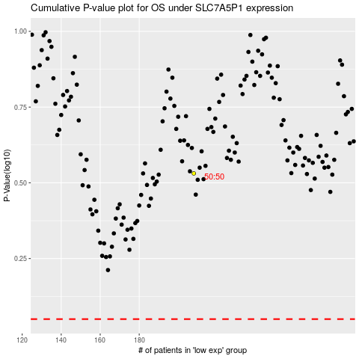

 |  |  |  |  |  | cases_OS | p_OS | rank | exp
 |  |  |  |  |  |  | cases_RFS | p_RFS | rank | exp

