SLC7A5P2 _multivariate
Reported by Tex Li-Hsing Chi. tex@gate.sinica.edu.tw 2019-08-15

Table 2. The clinicopathological features of HNSCC cohort and SLC7A5P2 expression. (Chi square test)
Cutoff at -0.19 (50.0%)
 |  | SLC7A5P2 expression |  | SLC7A5P2 expression |  | (Optimised)
 | Features | Low | (%) | High | (%) | Case no | P-value | Remark | Matthews
Gender | Female | 145 | 34.9 | 161 | 38.8 | 415 | 0.1116 | 0 | 0
2 | Male | 62 | 14.9 | 47 | 11.3
Age at diagnosis | <=65y | 138 | 33.3 | 136 | 32.8 | 415 | 0.8634 | 0 | 0
4 | >65y | 69 | 16.6 | 72 | 17.3
Clinical T Status | T1+T2 | 80 | 19.3 | 69 | 16.6 | 415 | 0.2891 | 0 | 0
6 | T3+T4 | 127 | 30.6 | 139 | 33.5
Clinical N Status | N0 | 108 | 26 | 108 | 26 | 415 | 1 | 0 | 0
8 | N1-3 | 99 | 23.9 | 100 | 24.1
Clinical M Status | M0 | 206 | 49.6 | 206 | 49.6 | 415 | 1 | 0 | 0
10 | M1 | 1 | 0.2 | 2 | 0.5
Clinical Stage | Stage I+II | 51 | 12.3 | 51 | 12.3 | 415 | 1 | 0 | 0
12 | Stage III+IV | 156 | 37.6 | 157 | 37.8
Surgical Margin status | Negative | 158 | 38.1 | 160 | 38.6 | 415 | 0.9081 | 0 | 0
14 | Positive | 49 | 11.8 | 48 | 11.6
Tobacco Exposure | Low | 89 | 21.4 | 72 | 17.3 | 415 | 0.0872 | 0 | 0
16 | High | 118 | 28.4 | 136 | 32.8

Table 3. Univariate/Multivariate Cox's proportional hazards regression analyses on OS time of SLC7A5P2 gene expression in HNSCC

 |  | Univariate |  |  |  | Multivariate
 | Features | HR | CI95%(L) | CI95%(H) | P-value | HR | CI95%(L) | CI95%(H) | P-value
1 | Female | 1 |  |  |  | 1
Gender | Male | 1.157 | 0.843 | 1.587 | 0.367 | 1.227 | 0.876 | 1.719 | 0.233
11 | <=65y | 1 |  |  |  | 1
Age at diagnosis | >65y | 1.329 | 0.99 | 1.784 | 0.058 | 1.374 | 1.009 | 1.87 | 0.044
12 | T1+T2 | 1 |  |  |  | 1
Clinical T Status | T3+T4 | 1.409 | 1.028 | 1.931 | 0.033 | 2.158 | 1.141 | 4.081 | 0.018
13 | N0 | 1 |  |  |  | 1
Clinical N Status | N1-3 | 1.185 | 0.89 | 1.577 | 0.246 | 1.223 | 0.856 | 1.747 | 0.268
14 | M0 | 1 |  |  |  | 1
Clinical M Status | M1 | 4.097 | 1.009 | 16.644 | 0.049 | 9.221 | 2.01 | 42.298 | 0.004
15 | Stage I+II | 1 |  |  |  | 1
Clinical Stage | Stage III+IV | 1.245 | 0.882 | 1.759 | 0.213 | 0.518 | 0.241 | 1.113 | 0.092
16 | Negative | 1 |  |  |  | 1
Surgical Margin status | Positive | 1.591 | 1.155 | 2.191 | 0.004 | 1.685 | 1.219 | 2.33 | 0.002
17 | Low | 1 |  |  |  | 1
Tobacco Exposure | High | 1.364 | 1.008 | 1.844 | 0.044 | 1.441 | 1.045 | 1.986 | 0.026
18 | Low | 1 |  |  |  | 1
RNAseq(z-score) | High | 1.194 | 0.894 | 1.596 | 0.23 | 1.166 | 0.867 | 1.567 | 0.309

Table 4. Univariate/Multivariate Cox's proportional hazards regression analyses on RFS time of SLC7A5P2 gene expression in HNSCC

 |  | Univariate |  |  |  | Multivariate
 | Features | HR | CI95%(L) | CI95%(H) | P-value | HR | CI95%(L) | CI95%(H) | P-value
1 | Female | 1 |  |  |  | 1
Gender | Male | 1.157 | 0.843 | 1.587 | 0.367 | 1.227 | 0.876 | 1.719 | 0.233
11 | <=65y | 1 |  |  |  | 1
Age at diagnosis | >65y | 1.329 | 0.99 | 1.784 | 0.058 | 1.374 | 1.009 | 1.87 | 0.044
12 | T1+T2 | 1 |  |  |  | 1
Clinical T Status | T3+T4 | 1.409 | 1.028 | 1.931 | 0.033 | 2.158 | 1.141 | 4.081 | 0.018
13 | N0 | 1 |  |  |  | 1
Clinical N Status | N1-3 | 1.185 | 0.89 | 1.577 | 0.246 | 1.223 | 0.856 | 1.747 | 0.268
14 | M0 | 1 |  |  |  | 1
Clinical M Status | M1 | 4.097 | 1.009 | 16.644 | 0.049 | 9.221 | 2.01 | 42.298 | 0.004
15 | Stage I+II | 1 |  |  |  | 1
Clinical Stage | Stage III+IV | 1.245 | 0.882 | 1.759 | 0.213 | 0.518 | 0.241 | 1.113 | 0.092
16 | Negative | 1 |  |  |  | 1
Surgical Margin status | Positive | 1.591 | 1.155 | 2.191 | 0.004 | 1.685 | 1.219 | 2.33 | 0.002
17 | Low | 1 |  |  |  | 1
Tobacco Exposure | High | 1.364 | 1.008 | 1.844 | 0.044 | 1.441 | 1.045 | 1.986 | 0.026
18 | Low | 1 |  |  |  | 1
RNAseq(z-score) | High | 1.194 | 0.894 | 1.596 | 0.23 | 1.166 | 0.867 | 1.567 | 0.309

Kaplan-Meier survival estimate: Cutoff at -0.19 (50.0%)



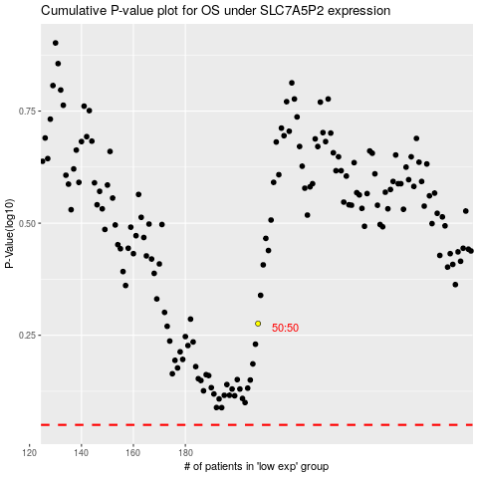

 |  |  |  |  |  | cases_OS | p_OS | rank | exp
 |  |  |  |  |  |  | cases_RFS | p_RFS | rank | exp

