SLC7A7 _multivariate
Reported by Tex Li-Hsing Chi. tex@gate.sinica.edu.tw 2019-08-15

Table 2. The clinicopathological features of HNSCC cohort and SLC7A7 expression. (Chi square test)
Cutoff at -0.276 (49.8%)
 |  | SLC7A7 expression |  | SLC7A7 expression |  | (Optimised)
 | Features | Low | (%) | High | (%) | Case no | P-value | Remark | Matthews
Gender | Female | 162 | 39 | 144 | 34.7 | 415 | 0.0479 | 1 | 0
2 | Male | 45 | 10.8 | 64 | 15.4
Age at diagnosis | <=65y | 147 | 35.4 | 127 | 30.6 | 415 | 0.0416 | 1 | 0
4 | >65y | 60 | 14.5 | 81 | 19.5
Clinical T Status | T1+T2 | 73 | 17.6 | 76 | 18.3 | 415 | 0.8666 | 0 | 0
6 | T3+T4 | 134 | 32.3 | 132 | 31.8
Clinical N Status | N0 | 119 | 28.7 | 97 | 23.4 | 415 | 0.0345 | 1 | 0
8 | N1-3 | 88 | 21.2 | 111 | 26.7
Clinical M Status | M0 | 206 | 49.6 | 206 | 49.6 | 415 | 1 | 0 | 0
10 | M1 | 1 | 0.2 | 2 | 0.5
Clinical Stage | Stage I+II | 51 | 12.3 | 51 | 12.3 | 415 | 1 | 0 | 0
12 | Stage III+IV | 156 | 37.6 | 157 | 37.8
Surgical Margin status | Negative | 160 | 38.6 | 158 | 38.1 | 415 | 0.8167 | 0 | 0
14 | Positive | 47 | 11.3 | 50 | 12
Tobacco Exposure | Low | 76 | 18.3 | 85 | 20.5 | 415 | 0.4207 | 0 | 0
16 | High | 131 | 31.6 | 123 | 29.6

Table 3. Univariate/Multivariate Cox's proportional hazards regression analyses on OS time of SLC7A7 gene expression in HNSCC

 |  | Univariate |  |  |  | Multivariate
 | Features | HR | CI95%(L) | CI95%(H) | P-value | HR | CI95%(L) | CI95%(H) | P-value
1 | Female | 1 |  |  |  | 1
Gender | Male | 1.157 | 0.843 | 1.587 | 0.367 | 1.204 | 0.862 | 1.683 | 0.276
11 | <=65y | 1 |  |  |  | 1
Age at diagnosis | >65y | 1.329 | 0.99 | 1.784 | 0.058 | 1.395 | 1.026 | 1.897 | 0.034
12 | T1+T2 | 1 |  |  |  | 1
Clinical T Status | T3+T4 | 1.409 | 1.028 | 1.931 | 0.033 | 2.21 | 1.168 | 4.181 | 0.015
13 | N0 | 1 |  |  |  | 1
Clinical N Status | N1-3 | 1.185 | 0.89 | 1.577 | 0.246 | 1.25 | 0.873 | 1.79 | 0.223
14 | M0 | 1 |  |  |  | 1
Clinical M Status | M1 | 4.097 | 1.009 | 16.644 | 0.049 | 9.451 | 2.061 | 43.34 | 0.004
15 | Stage I+II | 1 |  |  |  | 1
Clinical Stage | Stage III+IV | 1.245 | 0.882 | 1.759 | 0.213 | 0.501 | 0.233 | 1.076 | 0.076
16 | Negative | 1 |  |  |  | 1
Surgical Margin status | Positive | 1.591 | 1.155 | 2.191 | 0.004 | 1.677 | 1.213 | 2.32 | 0.002
17 | Low | 1 |  |  |  | 1
Tobacco Exposure | High | 1.364 | 1.008 | 1.844 | 0.044 | 1.45 | 1.052 | 1.998 | 0.023
18 | Low | 1 |  |  |  | 1
RNAseq(z-score) | High | 1.013 | 0.76 | 1.35 | 0.932 | 0.958 | 0.715 | 1.283 | 0.773

Table 4. Univariate/Multivariate Cox's proportional hazards regression analyses on RFS time of SLC7A7 gene expression in HNSCC

 |  | Univariate |  |  |  | Multivariate
 | Features | HR | CI95%(L) | CI95%(H) | P-value | HR | CI95%(L) | CI95%(H) | P-value
1 | Female | 1 |  |  |  | 1
Gender | Male | 1.157 | 0.843 | 1.587 | 0.367 | 1.204 | 0.862 | 1.683 | 0.276
11 | <=65y | 1 |  |  |  | 1
Age at diagnosis | >65y | 1.329 | 0.99 | 1.784 | 0.058 | 1.395 | 1.026 | 1.897 | 0.034
12 | T1+T2 | 1 |  |  |  | 1
Clinical T Status | T3+T4 | 1.409 | 1.028 | 1.931 | 0.033 | 2.21 | 1.168 | 4.181 | 0.015
13 | N0 | 1 |  |  |  | 1
Clinical N Status | N1-3 | 1.185 | 0.89 | 1.577 | 0.246 | 1.25 | 0.873 | 1.79 | 0.223
14 | M0 | 1 |  |  |  | 1
Clinical M Status | M1 | 4.097 | 1.009 | 16.644 | 0.049 | 9.451 | 2.061 | 43.34 | 0.004
15 | Stage I+II | 1 |  |  |  | 1
Clinical Stage | Stage III+IV | 1.245 | 0.882 | 1.759 | 0.213 | 0.501 | 0.233 | 1.076 | 0.076
16 | Negative | 1 |  |  |  | 1
Surgical Margin status | Positive | 1.591 | 1.155 | 2.191 | 0.004 | 1.677 | 1.213 | 2.32 | 0.002
17 | Low | 1 |  |  |  | 1
Tobacco Exposure | High | 1.364 | 1.008 | 1.844 | 0.044 | 1.45 | 1.052 | 1.998 | 0.023
18 | Low | 1 |  |  |  | 1
RNAseq(z-score) | High | 1.013 | 0.76 | 1.35 | 0.932 | 0.958 | 0.715 | 1.283 | 0.773

Kaplan-Meier survival estimate: Cutoff at -0.276 (49.8%)



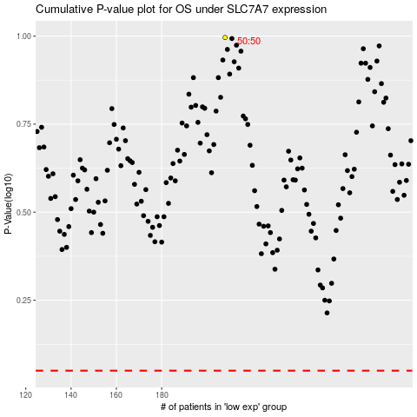

 |  |  |  |  |  | cases_OS | p_OS | rank | exp
 |  |  |  |  |  |  | cases_RFS | p_RFS | rank | exp

