SLC7A8 _multivariate
Reported by Tex Li-Hsing Chi. tex@gate.sinica.edu.tw 2019-08-15

Table 2. The clinicopathological features of HNSCC cohort and SLC7A8 expression. (Chi square test)
Cutoff at 0.192 (69.6%)
 |  | SLC7A8 expression |  | SLC7A8 expression |  | (Optimised)
 | Features | Low | (%) | High | (%) | Case no | P-value | Remark | Matthews
Gender | Female | 217 | 52.3 | 89 | 21.4 | 415 | 0.4087 | 0 | 0
2 | Male | 72 | 17.3 | 37 | 8.9
Age at diagnosis | <=65y | 185 | 44.6 | 89 | 21.4 | 415 | 0.2314 | 0 | 0
4 | >65y | 104 | 25.1 | 37 | 8.9
Clinical T Status | T1+T2 | 109 | 26.3 | 40 | 9.6 | 415 | 0.2917 | 0 | 0
6 | T3+T4 | 180 | 43.4 | 86 | 20.7
Clinical N Status | N0 | 145 | 34.9 | 71 | 17.1 | 415 | 0.2932 | 0 | 0
8 | N1-3 | 144 | 34.7 | 55 | 13.3
Clinical M Status | M0 | 287 | 69.2 | 125 | 30.1 | 415 | 1 | 0 | 0
10 | M1 | 2 | 0.5 | 1 | 0.2
Clinical Stage | Stage I+II | 70 | 16.9 | 32 | 7.7 | 415 | 0.8952 | 0 | 0
12 | Stage III+IV | 219 | 52.8 | 94 | 22.7
Surgical Margin status | Negative | 216 | 52 | 102 | 24.6 | 415 | 0.207 | 0 | 0
14 | Positive | 73 | 17.6 | 24 | 5.8
Tobacco Exposure | Low | 118 | 28.4 | 43 | 10.4 | 415 | 0.2283 | 0 | 0
16 | High | 171 | 41.2 | 83 | 20

Table 3. Univariate/Multivariate Cox's proportional hazards regression analyses on OS time of SLC7A8 gene expression in HNSCC

 |  | Univariate |  |  |  | Multivariate
 | Features | HR | CI95%(L) | CI95%(H) | P-value | HR | CI95%(L) | CI95%(H) | P-value
1 | Female | 1 |  |  |  | 1
Gender | Male | 1.157 | 0.843 | 1.587 | 0.367 | 1.189 | 0.85 | 1.663 | 0.311
11 | <=65y | 1 |  |  |  | 1
Age at diagnosis | >65y | 1.329 | 0.99 | 1.784 | 0.058 | 1.42 | 1.044 | 1.933 | 0.026
12 | T1+T2 | 1 |  |  |  | 1
Clinical T Status | T3+T4 | 1.409 | 1.028 | 1.931 | 0.033 | 2.119 | 1.119 | 4.015 | 0.021
13 | N0 | 1 |  |  |  | 1
Clinical N Status | N1-3 | 1.185 | 0.89 | 1.577 | 0.246 | 1.284 | 0.898 | 1.834 | 0.17
14 | M0 | 1 |  |  |  | 1
Clinical M Status | M1 | 4.097 | 1.009 | 16.644 | 0.049 | 8.674 | 1.887 | 39.883 | 0.006
15 | Stage I+II | 1 |  |  |  | 1
Clinical Stage | Stage III+IV | 1.245 | 0.882 | 1.759 | 0.213 | 0.509 | 0.237 | 1.093 | 0.083
16 | Negative | 1 |  |  |  | 1
Surgical Margin status | Positive | 1.591 | 1.155 | 2.191 | 0.004 | 1.718 | 1.241 | 2.379 | 0.001
17 | Low | 1 |  |  |  | 1
Tobacco Exposure | High | 1.364 | 1.008 | 1.844 | 0.044 | 1.43 | 1.038 | 1.97 | 0.029
18 | Low | 1 |  |  |  | 1
RNAseq(z-score) | High | 1.358 | 1.009 | 1.828 | 0.043 | 1.371 | 1.013 | 1.854 | 0.041

Table 4. Univariate/Multivariate Cox's proportional hazards regression analyses on RFS time of SLC7A8 gene expression in HNSCC

 |  | Univariate |  |  |  | Multivariate
 | Features | HR | CI95%(L) | CI95%(H) | P-value | HR | CI95%(L) | CI95%(H) | P-value
1 | Female | 1 |  |  |  | 1
Gender | Male | 1.157 | 0.843 | 1.587 | 0.367 | 1.189 | 0.85 | 1.663 | 0.311
11 | <=65y | 1 |  |  |  | 1
Age at diagnosis | >65y | 1.329 | 0.99 | 1.784 | 0.058 | 1.42 | 1.044 | 1.933 | 0.026
12 | T1+T2 | 1 |  |  |  | 1
Clinical T Status | T3+T4 | 1.409 | 1.028 | 1.931 | 0.033 | 2.119 | 1.119 | 4.015 | 0.021
13 | N0 | 1 |  |  |  | 1
Clinical N Status | N1-3 | 1.185 | 0.89 | 1.577 | 0.246 | 1.284 | 0.898 | 1.834 | 0.17
14 | M0 | 1 |  |  |  | 1
Clinical M Status | M1 | 4.097 | 1.009 | 16.644 | 0.049 | 8.674 | 1.887 | 39.883 | 0.006
15 | Stage I+II | 1 |  |  |  | 1
Clinical Stage | Stage III+IV | 1.245 | 0.882 | 1.759 | 0.213 | 0.509 | 0.237 | 1.093 | 0.083
16 | Negative | 1 |  |  |  | 1
Surgical Margin status | Positive | 1.591 | 1.155 | 2.191 | 0.004 | 1.718 | 1.241 | 2.379 | 0.001
17 | Low | 1 |  |  |  | 1
Tobacco Exposure | High | 1.364 | 1.008 | 1.844 | 0.044 | 1.43 | 1.038 | 1.97 | 0.029
18 | Low | 1 |  |  |  | 1
RNAseq(z-score) | High | 1.358 | 1.009 | 1.828 | 0.043 | 1.371 | 1.013 | 1.854 | 0.041

Kaplan-Meier survival estimate: Cutoff at 0.192 (69.6%)



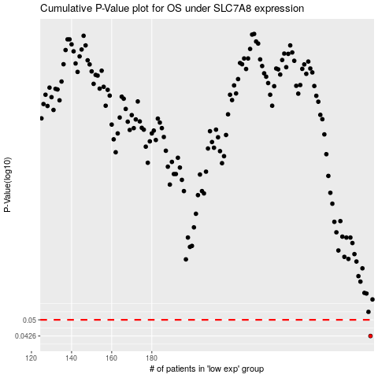

 |  |  |  |  |  | cases_OS | p_OS | rank | exp
 |  |  |  |  |  | 289 | 0.0426 | 241 | 0.19234636387
 |  |  |  |  |  |  | cases_RFS | p_RFS | rank | exp
 |  |  |  |  |  |  | 288 | 0.0426 | 402 | 0.18740606364

