SLC7A9 _multivariate
Reported by Tex Li-Hsing Chi. tex@gate.sinica.edu.tw 2019-08-15

Table 2. The clinicopathological features of HNSCC cohort and SLC7A9 expression. (Chi square test)
Cutoff at -0.091 (50.0%)
 |  | SLC7A9 expression |  | SLC7A9 expression |  | (Optimised)
 | Features | Low | (%) | High | (%) | Case no | P-value | Remark | Matthews
Gender | Female | 146 | 35.2 | 160 | 38.6 | 415 | 0.1714 | 0 | 0
2 | Male | 61 | 14.7 | 48 | 11.6
Age at diagnosis | <=65y | 140 | 33.7 | 134 | 32.3 | 415 | 0.5574 | 0 | 0
4 | >65y | 67 | 16.1 | 74 | 17.8
Clinical T Status | T1+T2 | 69 | 16.6 | 80 | 19.3 | 415 | 0.3239 | 0 | 0
6 | T3+T4 | 138 | 33.3 | 128 | 30.8
Clinical N Status | N0 | 111 | 26.7 | 105 | 25.3 | 415 | 0.5875 | 0 | 0
8 | N1-3 | 96 | 23.1 | 103 | 24.8
Clinical M Status | M0 | 206 | 49.6 | 206 | 49.6 | 415 | 1 | 0 | 0
10 | M1 | 1 | 0.2 | 2 | 0.5
Clinical Stage | Stage I+II | 46 | 11.1 | 56 | 13.5 | 415 | 0.3182 | 0 | 0
12 | Stage III+IV | 161 | 38.8 | 152 | 36.6
Surgical Margin status | Negative | 159 | 38.3 | 159 | 38.3 | 415 | 1 | 0 | 0
14 | Positive | 48 | 11.6 | 49 | 11.8
Tobacco Exposure | Low | 80 | 19.3 | 81 | 19.5 | 415 | 1 | 0 | 0
16 | High | 127 | 30.6 | 127 | 30.6

Table 3. Univariate/Multivariate Cox's proportional hazards regression analyses on OS time of SLC7A9 gene expression in HNSCC

 |  | Univariate |  |  |  | Multivariate
 | Features | HR | CI95%(L) | CI95%(H) | P-value | HR | CI95%(L) | CI95%(H) | P-value
1 | Female | 1 |  |  |  | 1
Gender | Male | 1.157 | 0.843 | 1.587 | 0.367 | 1.185 | 0.848 | 1.655 | 0.321
11 | <=65y | 1 |  |  |  | 1
Age at diagnosis | >65y | 1.329 | 0.99 | 1.784 | 0.058 | 1.414 | 1.04 | 1.923 | 0.027
12 | T1+T2 | 1 |  |  |  | 1
Clinical T Status | T3+T4 | 1.409 | 1.028 | 1.931 | 0.033 | 2.194 | 1.161 | 4.147 | 0.016
13 | N0 | 1 |  |  |  | 1
Clinical N Status | N1-3 | 1.185 | 0.89 | 1.577 | 0.246 | 1.258 | 0.881 | 1.795 | 0.206
14 | M0 | 1 |  |  |  | 1
Clinical M Status | M1 | 4.097 | 1.009 | 16.644 | 0.049 | 9.585 | 2.091 | 43.937 | 0.004
15 | Stage I+II | 1 |  |  |  | 1
Clinical Stage | Stage III+IV | 1.245 | 0.882 | 1.759 | 0.213 | 0.49 | 0.228 | 1.053 | 0.068
16 | Negative | 1 |  |  |  | 1
Surgical Margin status | Positive | 1.591 | 1.155 | 2.191 | 0.004 | 1.688 | 1.221 | 2.333 | 0.002
17 | Low | 1 |  |  |  | 1
Tobacco Exposure | High | 1.364 | 1.008 | 1.844 | 0.044 | 1.468 | 1.064 | 2.024 | 0.019
18 | Low | 1 |  |  |  | 1
RNAseq(z-score) | High | 0.863 | 0.648 | 1.151 | 0.317 | 0.826 | 0.617 | 1.105 | 0.199

Table 4. Univariate/Multivariate Cox's proportional hazards regression analyses on RFS time of SLC7A9 gene expression in HNSCC

 |  | Univariate |  |  |  | Multivariate
 | Features | HR | CI95%(L) | CI95%(H) | P-value | HR | CI95%(L) | CI95%(H) | P-value
1 | Female | 1 |  |  |  | 1
Gender | Male | 1.157 | 0.843 | 1.587 | 0.367 | 1.185 | 0.848 | 1.655 | 0.321
11 | <=65y | 1 |  |  |  | 1
Age at diagnosis | >65y | 1.329 | 0.99 | 1.784 | 0.058 | 1.414 | 1.04 | 1.923 | 0.027
12 | T1+T2 | 1 |  |  |  | 1
Clinical T Status | T3+T4 | 1.409 | 1.028 | 1.931 | 0.033 | 2.194 | 1.161 | 4.147 | 0.016
13 | N0 | 1 |  |  |  | 1
Clinical N Status | N1-3 | 1.185 | 0.89 | 1.577 | 0.246 | 1.258 | 0.881 | 1.795 | 0.206
14 | M0 | 1 |  |  |  | 1
Clinical M Status | M1 | 4.097 | 1.009 | 16.644 | 0.049 | 9.585 | 2.091 | 43.937 | 0.004
15 | Stage I+II | 1 |  |  |  | 1
Clinical Stage | Stage III+IV | 1.245 | 0.882 | 1.759 | 0.213 | 0.49 | 0.228 | 1.053 | 0.068
16 | Negative | 1 |  |  |  | 1
Surgical Margin status | Positive | 1.591 | 1.155 | 2.191 | 0.004 | 1.688 | 1.221 | 2.333 | 0.002
17 | Low | 1 |  |  |  | 1
Tobacco Exposure | High | 1.364 | 1.008 | 1.844 | 0.044 | 1.468 | 1.064 | 2.024 | 0.019
18 | Low | 1 |  |  |  | 1
RNAseq(z-score) | High | 0.863 | 0.648 | 1.151 | 0.317 | 0.826 | 0.617 | 1.105 | 0.199

Kaplan-Meier survival estimate: Cutoff at -0.091 (50.0%)



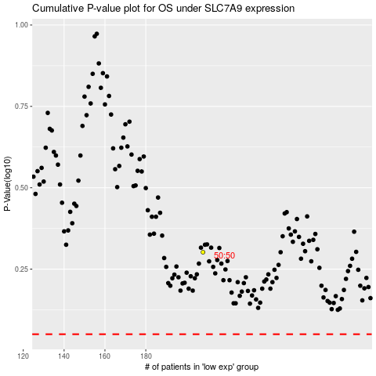

 |  |  |  |  |  | cases_OS | p_OS | rank | exp
 |  |  |  |  |  |  | cases_RFS | p_RFS | rank | exp

