SLC8A1 _multivariate
Reported by Tex Li-Hsing Chi. tex@gate.sinica.edu.tw 2019-08-15

Table 2. The clinicopathological features of HNSCC cohort and SLC8A1 expression. (Chi square test)
Cutoff at -0.249 (49.8%)
 |  | SLC8A1 expression |  | SLC8A1 expression |  | (Optimised)
 | Features | Low | (%) | High | (%) | Case no | P-value | Remark | Matthews
Gender | Female | 165 | 39.8 | 141 | 34 | 415 | 0.0081 | 1 | 0
2 | Male | 42 | 10.1 | 67 | 16.1
Age at diagnosis | <=65y | 150 | 36.1 | 124 | 29.9 | 415 | 0.0078 | 1 | 0
4 | >65y | 57 | 13.7 | 84 | 20.2
Clinical T Status | T1+T2 | 65 | 15.7 | 84 | 20.2 | 415 | 0.0711 | 0 | 0
6 | T3+T4 | 142 | 34.2 | 124 | 29.9
Clinical N Status | N0 | 112 | 27 | 104 | 25.1 | 415 | 0.4599 | 0 | 0
8 | N1-3 | 95 | 22.9 | 104 | 25.1
Clinical M Status | M0 | 204 | 49.2 | 208 | 50.1 | 415 | 0.1232 | 0 | 0
10 | M1 | 3 | 0.7 | 0 | 0
Clinical Stage | Stage I+II | 46 | 11.1 | 56 | 13.5 | 415 | 0.3182 | 0 | 0
12 | Stage III+IV | 161 | 38.8 | 152 | 36.6
Surgical Margin status | Negative | 155 | 37.3 | 163 | 39.3 | 415 | 0.4187 | 0 | 0
14 | Positive | 52 | 12.5 | 45 | 10.8
Tobacco Exposure | Low | 66 | 15.9 | 95 | 22.9 | 415 | 0.0048 | 1 | 0
16 | High | 141 | 34 | 113 | 27.2

Table 3. Univariate/Multivariate Cox's proportional hazards regression analyses on OS time of SLC8A1 gene expression in HNSCC

 |  | Univariate |  |  |  | Multivariate
 | Features | HR | CI95%(L) | CI95%(H) | P-value | HR | CI95%(L) | CI95%(H) | P-value
1 | Female | 1 |  |  |  | 1
Gender | Male | 1.157 | 0.843 | 1.587 | 0.367 | 1.189 | 0.851 | 1.662 | 0.31
11 | <=65y | 1 |  |  |  | 1
Age at diagnosis | >65y | 1.329 | 0.99 | 1.784 | 0.058 | 1.385 | 1.018 | 1.884 | 0.038
12 | T1+T2 | 1 |  |  |  | 1
Clinical T Status | T3+T4 | 1.409 | 1.028 | 1.931 | 0.033 | 2.234 | 1.18 | 4.23 | 0.014
13 | N0 | 1 |  |  |  | 1
Clinical N Status | N1-3 | 1.185 | 0.89 | 1.577 | 0.246 | 1.229 | 0.86 | 1.755 | 0.257
14 | M0 | 1 |  |  |  | 1
Clinical M Status | M1 | 4.097 | 1.009 | 16.644 | 0.049 | 10.163 | 2.192 | 47.118 | 0.003
15 | Stage I+II | 1 |  |  |  | 1
Clinical Stage | Stage III+IV | 1.245 | 0.882 | 1.759 | 0.213 | 0.505 | 0.235 | 1.084 | 0.08
16 | Negative | 1 |  |  |  | 1
Surgical Margin status | Positive | 1.591 | 1.155 | 2.191 | 0.004 | 1.683 | 1.218 | 2.326 | 0.002
17 | Low | 1 |  |  |  | 1
Tobacco Exposure | High | 1.364 | 1.008 | 1.844 | 0.044 | 1.488 | 1.075 | 2.06 | 0.016
18 | Low | 1 |  |  |  | 1
RNAseq(z-score) | High | 1.04 | 0.78 | 1.386 | 0.791 | 1.135 | 0.841 | 1.532 | 0.406

Table 4. Univariate/Multivariate Cox's proportional hazards regression analyses on RFS time of SLC8A1 gene expression in HNSCC

 |  | Univariate |  |  |  | Multivariate
 | Features | HR | CI95%(L) | CI95%(H) | P-value | HR | CI95%(L) | CI95%(H) | P-value
1 | Female | 1 |  |  |  | 1
Gender | Male | 1.157 | 0.843 | 1.587 | 0.367 | 1.189 | 0.851 | 1.662 | 0.31
11 | <=65y | 1 |  |  |  | 1
Age at diagnosis | >65y | 1.329 | 0.99 | 1.784 | 0.058 | 1.385 | 1.018 | 1.884 | 0.038
12 | T1+T2 | 1 |  |  |  | 1
Clinical T Status | T3+T4 | 1.409 | 1.028 | 1.931 | 0.033 | 2.234 | 1.18 | 4.23 | 0.014
13 | N0 | 1 |  |  |  | 1
Clinical N Status | N1-3 | 1.185 | 0.89 | 1.577 | 0.246 | 1.229 | 0.86 | 1.755 | 0.257
14 | M0 | 1 |  |  |  | 1
Clinical M Status | M1 | 4.097 | 1.009 | 16.644 | 0.049 | 10.163 | 2.192 | 47.118 | 0.003
15 | Stage I+II | 1 |  |  |  | 1
Clinical Stage | Stage III+IV | 1.245 | 0.882 | 1.759 | 0.213 | 0.505 | 0.235 | 1.084 | 0.08
16 | Negative | 1 |  |  |  | 1
Surgical Margin status | Positive | 1.591 | 1.155 | 2.191 | 0.004 | 1.683 | 1.218 | 2.326 | 0.002
17 | Low | 1 |  |  |  | 1
Tobacco Exposure | High | 1.364 | 1.008 | 1.844 | 0.044 | 1.488 | 1.075 | 2.06 | 0.016
18 | Low | 1 |  |  |  | 1
RNAseq(z-score) | High | 1.04 | 0.78 | 1.386 | 0.791 | 1.135 | 0.841 | 1.532 | 0.406

Kaplan-Meier survival estimate: Cutoff at -0.249 (49.8%)



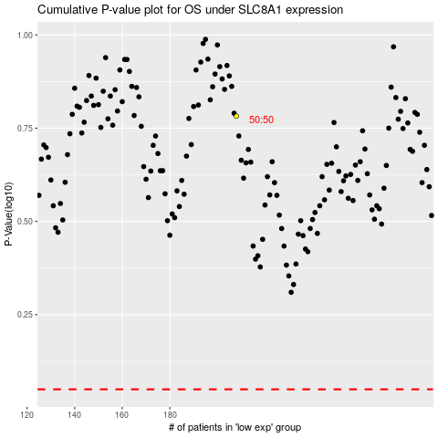

 |  |  |  |  |  | cases_OS | p_OS | rank | exp
 |  |  |  |  |  |  | cases_RFS | p_RFS | rank | exp

