SLC8A3 _multivariate
Reported by Tex Li-Hsing Chi. tex@gate.sinica.edu.tw 2019-08-15

Table 2. The clinicopathological features of HNSCC cohort and SLC8A3 expression. (Chi square test)
Cutoff at -0.249 (50.0%)
 |  | SLC8A3 expression |  | SLC8A3 expression |  | (Optimised)
 | Features | Low | (%) | High | (%) | Case no | P-value | Remark | Matthews
Gender | Female | 158 | 38.1 | 148 | 35.7 | 415 | 0.2774 | 0 | 0
2 | Male | 49 | 11.8 | 60 | 14.5
Age at diagnosis | <=65y | 130 | 31.3 | 144 | 34.7 | 415 | 0.2009 | 0 | 0
4 | >65y | 77 | 18.6 | 64 | 15.4
Clinical T Status | T1+T2 | 61 | 14.7 | 88 | 21.2 | 415 | 0.0087 | 1 | 0
6 | T3+T4 | 146 | 35.2 | 120 | 28.9
Clinical N Status | N0 | 108 | 26 | 108 | 26 | 415 | 1 | 0 | 0
8 | N1-3 | 99 | 23.9 | 100 | 24.1
Clinical M Status | M0 | 204 | 49.2 | 208 | 50.1 | 415 | 0.1232 | 0 | 0
10 | M1 | 3 | 0.7 | 0 | 0
Clinical Stage | Stage I+II | 40 | 9.6 | 62 | 14.9 | 415 | 0.018 | 1 | 0
12 | Stage III+IV | 167 | 40.2 | 146 | 35.2
Surgical Margin status | Negative | 154 | 37.1 | 164 | 39.5 | 415 | 0.2984 | 0 | 0
14 | Positive | 53 | 12.8 | 44 | 10.6
Tobacco Exposure | Low | 78 | 18.8 | 83 | 20 | 415 | 0.6873 | 0 | 0
16 | High | 129 | 31.1 | 125 | 30.1

Table 3. Univariate/Multivariate Cox's proportional hazards regression analyses on OS time of SLC8A3 gene expression in HNSCC

 |  | Univariate |  |  |  | Multivariate
 | Features | HR | CI95%(L) | CI95%(H) | P-value | HR | CI95%(L) | CI95%(H) | P-value
1 | Female | 1 |  |  |  | 1
Gender | Male | 1.157 | 0.843 | 1.587 | 0.367 | 1.179 | 0.843 | 1.649 | 0.336
11 | <=65y | 1 |  |  |  | 1
Age at diagnosis | >65y | 1.329 | 0.99 | 1.784 | 0.058 | 1.417 | 1.041 | 1.93 | 0.027
12 | T1+T2 | 1 |  |  |  | 1
Clinical T Status | T3+T4 | 1.409 | 1.028 | 1.931 | 0.033 | 2.204 | 1.165 | 4.17 | 0.015
13 | N0 | 1 |  |  |  | 1
Clinical N Status | N1-3 | 1.185 | 0.89 | 1.577 | 0.246 | 1.241 | 0.87 | 1.772 | 0.234
14 | M0 | 1 |  |  |  | 1
Clinical M Status | M1 | 4.097 | 1.009 | 16.644 | 0.049 | 10.271 | 2.227 | 47.38 | 0.003
15 | Stage I+II | 1 |  |  |  | 1
Clinical Stage | Stage III+IV | 1.245 | 0.882 | 1.759 | 0.213 | 0.516 | 0.24 | 1.111 | 0.091
16 | Negative | 1 |  |  |  | 1
Surgical Margin status | Positive | 1.591 | 1.155 | 2.191 | 0.004 | 1.681 | 1.217 | 2.323 | 0.002
17 | Low | 1 |  |  |  | 1
Tobacco Exposure | High | 1.364 | 1.008 | 1.844 | 0.044 | 1.442 | 1.047 | 1.987 | 0.025
18 | Low | 1 |  |  |  | 1
RNAseq(z-score) | High | 1.136 | 0.853 | 1.514 | 0.383 | 1.208 | 0.901 | 1.619 | 0.207

Table 4. Univariate/Multivariate Cox's proportional hazards regression analyses on RFS time of SLC8A3 gene expression in HNSCC

 |  | Univariate |  |  |  | Multivariate
 | Features | HR | CI95%(L) | CI95%(H) | P-value | HR | CI95%(L) | CI95%(H) | P-value
1 | Female | 1 |  |  |  | 1
Gender | Male | 1.157 | 0.843 | 1.587 | 0.367 | 1.179 | 0.843 | 1.649 | 0.336
11 | <=65y | 1 |  |  |  | 1
Age at diagnosis | >65y | 1.329 | 0.99 | 1.784 | 0.058 | 1.417 | 1.041 | 1.93 | 0.027
12 | T1+T2 | 1 |  |  |  | 1
Clinical T Status | T3+T4 | 1.409 | 1.028 | 1.931 | 0.033 | 2.204 | 1.165 | 4.17 | 0.015
13 | N0 | 1 |  |  |  | 1
Clinical N Status | N1-3 | 1.185 | 0.89 | 1.577 | 0.246 | 1.241 | 0.87 | 1.772 | 0.234
14 | M0 | 1 |  |  |  | 1
Clinical M Status | M1 | 4.097 | 1.009 | 16.644 | 0.049 | 10.271 | 2.227 | 47.38 | 0.003
15 | Stage I+II | 1 |  |  |  | 1
Clinical Stage | Stage III+IV | 1.245 | 0.882 | 1.759 | 0.213 | 0.516 | 0.24 | 1.111 | 0.091
16 | Negative | 1 |  |  |  | 1
Surgical Margin status | Positive | 1.591 | 1.155 | 2.191 | 0.004 | 1.681 | 1.217 | 2.323 | 0.002
17 | Low | 1 |  |  |  | 1
Tobacco Exposure | High | 1.364 | 1.008 | 1.844 | 0.044 | 1.442 | 1.047 | 1.987 | 0.025
18 | Low | 1 |  |  |  | 1
RNAseq(z-score) | High | 1.136 | 0.853 | 1.514 | 0.383 | 1.208 | 0.901 | 1.619 | 0.207

Kaplan-Meier survival estimate: Cutoff at -0.249 (50.0%)



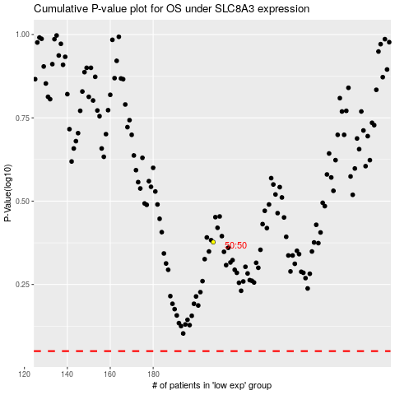

 |  |  |  |  |  | cases_OS | p_OS | rank | exp
 |  |  |  |  |  |  | cases_RFS | p_RFS | rank | exp

