SLC9A1 _multivariate
Reported by Tex Li-Hsing Chi. tex@gate.sinica.edu.tw 2019-08-15

Table 2. The clinicopathological features of HNSCC cohort and SLC9A1 expression. (Chi square test)
Cutoff at -0.062 (50.0%)
 |  | SLC9A1 expression |  | SLC9A1 expression |  | (Optimised)
 | Features | Low | (%) | High | (%) | Case no | P-value | Remark | Matthews
Gender | Female | 158 | 38.1 | 148 | 35.7 | 415 | 0.2774 | 0 | 0
2 | Male | 49 | 11.8 | 60 | 14.5
Age at diagnosis | <=65y | 134 | 32.3 | 140 | 33.7 | 415 | 0.6529 | 0 | 0
4 | >65y | 73 | 17.6 | 68 | 16.4
Clinical T Status | T1+T2 | 82 | 19.8 | 67 | 16.1 | 415 | 0.1417 | 0 | 0
6 | T3+T4 | 125 | 30.1 | 141 | 34
Clinical N Status | N0 | 110 | 26.5 | 106 | 25.5 | 415 | 0.7294 | 0 | 0
8 | N1-3 | 97 | 23.4 | 102 | 24.6
Clinical M Status | M0 | 207 | 49.9 | 205 | 49.4 | 415 | 0.2482 | 0 | 0
10 | M1 | 0 | 0 | 3 | 0.7
Clinical Stage | Stage I+II | 56 | 13.5 | 46 | 11.1 | 415 | 0.2918 | 0 | 0
12 | Stage III+IV | 151 | 36.4 | 162 | 39
Surgical Margin status | Negative | 148 | 35.7 | 170 | 41 | 415 | 0.015 | 1 | 0
14 | Positive | 59 | 14.2 | 38 | 9.2
Tobacco Exposure | Low | 77 | 18.6 | 84 | 20.2 | 415 | 0.5459 | 0 | 0
16 | High | 130 | 31.3 | 124 | 29.9

Table 3. Univariate/Multivariate Cox's proportional hazards regression analyses on OS time of SLC9A1 gene expression in HNSCC

 |  | Univariate |  |  |  | Multivariate
 | Features | HR | CI95%(L) | CI95%(H) | P-value | HR | CI95%(L) | CI95%(H) | P-value
1 | Female | 1 |  |  |  | 1
Gender | Male | 1.157 | 0.843 | 1.587 | 0.367 | 1.183 | 0.845 | 1.657 | 0.328
11 | <=65y | 1 |  |  |  | 1
Age at diagnosis | >65y | 1.329 | 0.99 | 1.784 | 0.058 | 1.395 | 1.026 | 1.897 | 0.034
12 | T1+T2 | 1 |  |  |  | 1
Clinical T Status | T3+T4 | 1.409 | 1.028 | 1.931 | 0.033 | 2.187 | 1.156 | 4.135 | 0.016
13 | N0 | 1 |  |  |  | 1
Clinical N Status | N1-3 | 1.185 | 0.89 | 1.577 | 0.246 | 1.247 | 0.874 | 1.78 | 0.223
14 | M0 | 1 |  |  |  | 1
Clinical M Status | M1 | 4.097 | 1.009 | 16.644 | 0.049 | 8.775 | 1.897 | 40.581 | 0.005
15 | Stage I+II | 1 |  |  |  | 1
Clinical Stage | Stage III+IV | 1.245 | 0.882 | 1.759 | 0.213 | 0.503 | 0.234 | 1.079 | 0.078
16 | Negative | 1 |  |  |  | 1
Surgical Margin status | Positive | 1.591 | 1.155 | 2.191 | 0.004 | 1.714 | 1.233 | 2.382 | 0.001
17 | Low | 1 |  |  |  | 1
Tobacco Exposure | High | 1.364 | 1.008 | 1.844 | 0.044 | 1.464 | 1.061 | 2.02 | 0.02
18 | Low | 1 |  |  |  | 1
RNAseq(z-score) | High | 1.086 | 0.816 | 1.446 | 0.572 | 1.13 | 0.84 | 1.52 | 0.421

Table 4. Univariate/Multivariate Cox's proportional hazards regression analyses on RFS time of SLC9A1 gene expression in HNSCC

 |  | Univariate |  |  |  | Multivariate
 | Features | HR | CI95%(L) | CI95%(H) | P-value | HR | CI95%(L) | CI95%(H) | P-value
1 | Female | 1 |  |  |  | 1
Gender | Male | 1.157 | 0.843 | 1.587 | 0.367 | 1.183 | 0.845 | 1.657 | 0.328
11 | <=65y | 1 |  |  |  | 1
Age at diagnosis | >65y | 1.329 | 0.99 | 1.784 | 0.058 | 1.395 | 1.026 | 1.897 | 0.034
12 | T1+T2 | 1 |  |  |  | 1
Clinical T Status | T3+T4 | 1.409 | 1.028 | 1.931 | 0.033 | 2.187 | 1.156 | 4.135 | 0.016
13 | N0 | 1 |  |  |  | 1
Clinical N Status | N1-3 | 1.185 | 0.89 | 1.577 | 0.246 | 1.247 | 0.874 | 1.78 | 0.223
14 | M0 | 1 |  |  |  | 1
Clinical M Status | M1 | 4.097 | 1.009 | 16.644 | 0.049 | 8.775 | 1.897 | 40.581 | 0.005
15 | Stage I+II | 1 |  |  |  | 1
Clinical Stage | Stage III+IV | 1.245 | 0.882 | 1.759 | 0.213 | 0.503 | 0.234 | 1.079 | 0.078
16 | Negative | 1 |  |  |  | 1
Surgical Margin status | Positive | 1.591 | 1.155 | 2.191 | 0.004 | 1.714 | 1.233 | 2.382 | 0.001
17 | Low | 1 |  |  |  | 1
Tobacco Exposure | High | 1.364 | 1.008 | 1.844 | 0.044 | 1.464 | 1.061 | 2.02 | 0.02
18 | Low | 1 |  |  |  | 1
RNAseq(z-score) | High | 1.086 | 0.816 | 1.446 | 0.572 | 1.13 | 0.84 | 1.52 | 0.421

Kaplan-Meier survival estimate: Cutoff at -0.062 (50.0%)



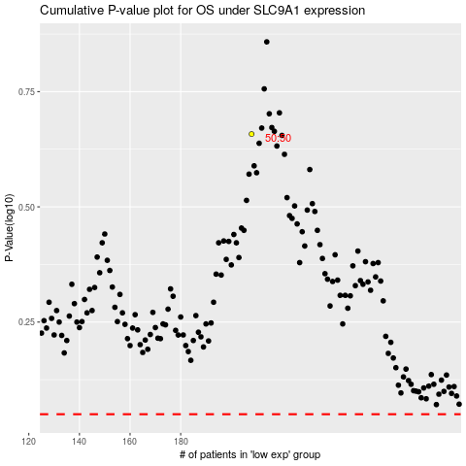

 |  |  |  |  |  | cases_OS | p_OS | rank | exp
 |  |  |  |  |  |  | cases_RFS | p_RFS | rank | exp

