SLC9A2 _multivariate
Reported by Tex Li-Hsing Chi. tex@gate.sinica.edu.tw 2019-08-15

Table 2. The clinicopathological features of HNSCC cohort and SLC9A2 expression. (Chi square test)
Cutoff at -0.389 (49.8%)
 |  | SLC9A2 expression |  | SLC9A2 expression |  | (Optimised)
 | Features | Low | (%) | High | (%) | Case no | P-value | Remark | Matthews
Gender | Female | 149 | 35.9 | 157 | 37.8 | 415 | 0.4848 | 0 | 0
2 | Male | 58 | 14 | 51 | 12.3
Age at diagnosis | <=65y | 138 | 33.3 | 136 | 32.8 | 415 | 0.8634 | 0 | 0
4 | >65y | 69 | 16.6 | 72 | 17.3
Clinical T Status | T1+T2 | 79 | 19 | 70 | 16.9 | 415 | 0.3924 | 0 | 0
6 | T3+T4 | 128 | 30.8 | 138 | 33.3
Clinical N Status | N0 | 102 | 24.6 | 114 | 27.5 | 415 | 0.3031 | 0 | 0
8 | N1-3 | 105 | 25.3 | 94 | 22.7
Clinical M Status | M0 | 205 | 49.4 | 207 | 49.9 | 415 | 0.6232 | 0 | 0
10 | M1 | 2 | 0.5 | 1 | 0.2
Clinical Stage | Stage I+II | 54 | 13 | 48 | 11.6 | 415 | 0.5498 | 0 | 0
12 | Stage III+IV | 153 | 36.9 | 160 | 38.6
Surgical Margin status | Negative | 149 | 35.9 | 169 | 40.7 | 415 | 0.0278 | 1 | 0
14 | Positive | 58 | 14 | 39 | 9.4
Tobacco Exposure | Low | 93 | 22.4 | 68 | 16.4 | 415 | 0.0118 | 1 | 0
16 | High | 114 | 27.5 | 140 | 33.7

Table 3. Univariate/Multivariate Cox's proportional hazards regression analyses on OS time of SLC9A2 gene expression in HNSCC

 |  | Univariate |  |  |  | Multivariate
 | Features | HR | CI95%(L) | CI95%(H) | P-value | HR | CI95%(L) | CI95%(H) | P-value
1 | Female | 1 |  |  |  | 1
Gender | Male | 1.157 | 0.843 | 1.587 | 0.367 | 1.204 | 0.862 | 1.681 | 0.277
11 | <=65y | 1 |  |  |  | 1
Age at diagnosis | >65y | 1.329 | 0.99 | 1.784 | 0.058 | 1.402 | 1.031 | 1.907 | 0.031
12 | T1+T2 | 1 |  |  |  | 1
Clinical T Status | T3+T4 | 1.409 | 1.028 | 1.931 | 0.033 | 2.207 | 1.168 | 4.173 | 0.015
13 | N0 | 1 |  |  |  | 1
Clinical N Status | N1-3 | 1.185 | 0.89 | 1.577 | 0.246 | 1.23 | 0.862 | 1.756 | 0.254
14 | M0 | 1 |  |  |  | 1
Clinical M Status | M1 | 4.097 | 1.009 | 16.644 | 0.049 | 9.271 | 2.022 | 42.512 | 0.004
15 | Stage I+II | 1 |  |  |  | 1
Clinical Stage | Stage III+IV | 1.245 | 0.882 | 1.759 | 0.213 | 0.513 | 0.239 | 1.102 | 0.087
16 | Negative | 1 |  |  |  | 1
Surgical Margin status | Positive | 1.591 | 1.155 | 2.191 | 0.004 | 1.62 | 1.166 | 2.251 | 0.004
17 | Low | 1 |  |  |  | 1
Tobacco Exposure | High | 1.364 | 1.008 | 1.844 | 0.044 | 1.477 | 1.07 | 2.038 | 0.018
18 | Low | 1 |  |  |  | 1
RNAseq(z-score) | High | 0.858 | 0.644 | 1.143 | 0.294 | 0.863 | 0.642 | 1.161 | 0.33

Table 4. Univariate/Multivariate Cox's proportional hazards regression analyses on RFS time of SLC9A2 gene expression in HNSCC

 |  | Univariate |  |  |  | Multivariate
 | Features | HR | CI95%(L) | CI95%(H) | P-value | HR | CI95%(L) | CI95%(H) | P-value
1 | Female | 1 |  |  |  | 1
Gender | Male | 1.157 | 0.843 | 1.587 | 0.367 | 1.204 | 0.862 | 1.681 | 0.277
11 | <=65y | 1 |  |  |  | 1
Age at diagnosis | >65y | 1.329 | 0.99 | 1.784 | 0.058 | 1.402 | 1.031 | 1.907 | 0.031
12 | T1+T2 | 1 |  |  |  | 1
Clinical T Status | T3+T4 | 1.409 | 1.028 | 1.931 | 0.033 | 2.207 | 1.168 | 4.173 | 0.015
13 | N0 | 1 |  |  |  | 1
Clinical N Status | N1-3 | 1.185 | 0.89 | 1.577 | 0.246 | 1.23 | 0.862 | 1.756 | 0.254
14 | M0 | 1 |  |  |  | 1
Clinical M Status | M1 | 4.097 | 1.009 | 16.644 | 0.049 | 9.271 | 2.022 | 42.512 | 0.004
15 | Stage I+II | 1 |  |  |  | 1
Clinical Stage | Stage III+IV | 1.245 | 0.882 | 1.759 | 0.213 | 0.513 | 0.239 | 1.102 | 0.087
16 | Negative | 1 |  |  |  | 1
Surgical Margin status | Positive | 1.591 | 1.155 | 2.191 | 0.004 | 1.62 | 1.166 | 2.251 | 0.004
17 | Low | 1 |  |  |  | 1
Tobacco Exposure | High | 1.364 | 1.008 | 1.844 | 0.044 | 1.477 | 1.07 | 2.038 | 0.018
18 | Low | 1 |  |  |  | 1
RNAseq(z-score) | High | 0.858 | 0.644 | 1.143 | 0.294 | 0.863 | 0.642 | 1.161 | 0.33

Kaplan-Meier survival estimate: Cutoff at -0.389 (49.8%)



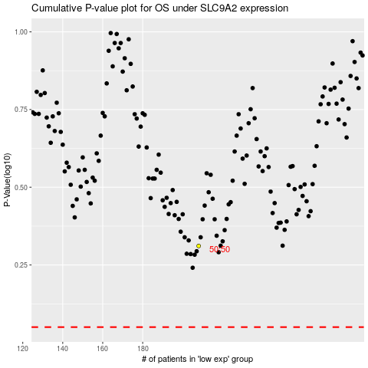

 |  |  |  |  |  | cases_OS | p_OS | rank | exp
 |  |  |  |  |  |  | cases_RFS | p_RFS | rank | exp

