SLC9A3 _multivariate
Reported by Tex Li-Hsing Chi. tex@gate.sinica.edu.tw 2019-08-15

Table 2. The clinicopathological features of HNSCC cohort and SLC9A3 expression. (Chi square test)
Cutoff at -0.293 (49.8%)
 |  | SLC9A3 expression |  | SLC9A3 expression |  | (Optimised)
 | Features | Low | (%) | High | (%) | Case no | P-value | Remark | Matthews
Gender | Female | 149 | 35.9 | 157 | 37.8 | 415 | 0.4848 | 0 | 0
2 | Male | 58 | 14 | 51 | 12.3
Age at diagnosis | <=65y | 133 | 32 | 141 | 34 | 415 | 0.5111 | 0 | 0
4 | >65y | 74 | 17.8 | 67 | 16.1
Clinical T Status | T1+T2 | 79 | 19 | 70 | 16.9 | 415 | 0.3924 | 0 | 0
6 | T3+T4 | 128 | 30.8 | 138 | 33.3
Clinical N Status | N0 | 100 | 24.1 | 116 | 28 | 415 | 0.1548 | 0 | 0
8 | N1-3 | 107 | 25.8 | 92 | 22.2
Clinical M Status | M0 | 207 | 49.9 | 205 | 49.4 | 415 | 0.2482 | 0 | 0
10 | M1 | 0 | 0 | 3 | 0.7
Clinical Stage | Stage I+II | 55 | 13.3 | 47 | 11.3 | 415 | 0.4087 | 0 | 0
12 | Stage III+IV | 152 | 36.6 | 161 | 38.8
Surgical Margin status | Negative | 150 | 36.1 | 168 | 40.5 | 415 | 0.0492 | 1 | 0
14 | Positive | 57 | 13.7 | 40 | 9.6
Tobacco Exposure | Low | 85 | 20.5 | 76 | 18.3 | 415 | 0.3655 | 0 | 0
16 | High | 122 | 29.4 | 132 | 31.8

Table 3. Univariate/Multivariate Cox's proportional hazards regression analyses on OS time of SLC9A3 gene expression in HNSCC

 |  | Univariate |  |  |  | Multivariate
 | Features | HR | CI95%(L) | CI95%(H) | P-value | HR | CI95%(L) | CI95%(H) | P-value
1 | Female | 1 |  |  |  | 1
Gender | Male | 1.157 | 0.843 | 1.587 | 0.367 | 1.201 | 0.859 | 1.677 | 0.284
11 | <=65y | 1 |  |  |  | 1
Age at diagnosis | >65y | 1.329 | 0.99 | 1.784 | 0.058 | 1.392 | 1.024 | 1.892 | 0.035
12 | T1+T2 | 1 |  |  |  | 1
Clinical T Status | T3+T4 | 1.409 | 1.028 | 1.931 | 0.033 | 2.203 | 1.165 | 4.164 | 0.015
13 | N0 | 1 |  |  |  | 1
Clinical N Status | N1-3 | 1.185 | 0.89 | 1.577 | 0.246 | 1.235 | 0.864 | 1.765 | 0.246
14 | M0 | 1 |  |  |  | 1
Clinical M Status | M1 | 4.097 | 1.009 | 16.644 | 0.049 | 9.599 | 2.077 | 44.368 | 0.004
15 | Stage I+II | 1 |  |  |  | 1
Clinical Stage | Stage III+IV | 1.245 | 0.882 | 1.759 | 0.213 | 0.508 | 0.236 | 1.091 | 0.083
16 | Negative | 1 |  |  |  | 1
Surgical Margin status | Positive | 1.591 | 1.155 | 2.191 | 0.004 | 1.665 | 1.203 | 2.304 | 0.002
17 | Low | 1 |  |  |  | 1
Tobacco Exposure | High | 1.364 | 1.008 | 1.844 | 0.044 | 1.459 | 1.057 | 2.014 | 0.022
18 | Low | 1 |  |  |  | 1
RNAseq(z-score) | High | 0.974 | 0.731 | 1.298 | 0.856 | 0.963 | 0.717 | 1.294 | 0.802

Table 4. Univariate/Multivariate Cox's proportional hazards regression analyses on RFS time of SLC9A3 gene expression in HNSCC

 |  | Univariate |  |  |  | Multivariate
 | Features | HR | CI95%(L) | CI95%(H) | P-value | HR | CI95%(L) | CI95%(H) | P-value
1 | Female | 1 |  |  |  | 1
Gender | Male | 1.157 | 0.843 | 1.587 | 0.367 | 1.201 | 0.859 | 1.677 | 0.284
11 | <=65y | 1 |  |  |  | 1
Age at diagnosis | >65y | 1.329 | 0.99 | 1.784 | 0.058 | 1.392 | 1.024 | 1.892 | 0.035
12 | T1+T2 | 1 |  |  |  | 1
Clinical T Status | T3+T4 | 1.409 | 1.028 | 1.931 | 0.033 | 2.203 | 1.165 | 4.164 | 0.015
13 | N0 | 1 |  |  |  | 1
Clinical N Status | N1-3 | 1.185 | 0.89 | 1.577 | 0.246 | 1.235 | 0.864 | 1.765 | 0.246
14 | M0 | 1 |  |  |  | 1
Clinical M Status | M1 | 4.097 | 1.009 | 16.644 | 0.049 | 9.599 | 2.077 | 44.368 | 0.004
15 | Stage I+II | 1 |  |  |  | 1
Clinical Stage | Stage III+IV | 1.245 | 0.882 | 1.759 | 0.213 | 0.508 | 0.236 | 1.091 | 0.083
16 | Negative | 1 |  |  |  | 1
Surgical Margin status | Positive | 1.591 | 1.155 | 2.191 | 0.004 | 1.665 | 1.203 | 2.304 | 0.002
17 | Low | 1 |  |  |  | 1
Tobacco Exposure | High | 1.364 | 1.008 | 1.844 | 0.044 | 1.459 | 1.057 | 2.014 | 0.022
18 | Low | 1 |  |  |  | 1
RNAseq(z-score) | High | 0.974 | 0.731 | 1.298 | 0.856 | 0.963 | 0.717 | 1.294 | 0.802

Kaplan-Meier survival estimate: Cutoff at -0.293 (49.8%)



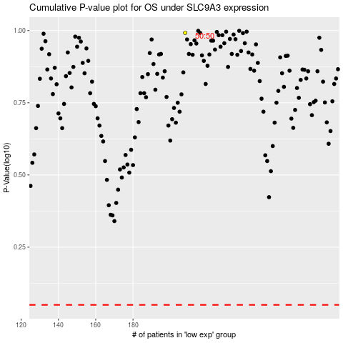

 |  |  |  |  |  | cases_OS | p_OS | rank | exp
 |  |  |  |  |  |  | cases_RFS | p_RFS | rank | exp

