SLC9A3R1 _multivariate
Reported by Tex Li-Hsing Chi. tex@gate.sinica.edu.tw 2019-08-15

Table 2. The clinicopathological features of HNSCC cohort and SLC9A3R1 expression. (Chi square test)
Cutoff at -0.255 (49.8%)
 |  | SLC9A3R1 expression |  | SLC9A3R1 expression |  | (Optimised)
 | Features | Low | (%) | High | (%) | Case no | P-value | Remark | Matthews
Gender | Female | 153 | 36.9 | 153 | 36.9 | 415 | 1 | 0 | 0
2 | Male | 54 | 13 | 55 | 13.3
Age at diagnosis | <=65y | 139 | 33.5 | 135 | 32.5 | 415 | 0.7044 | 0 | 0
4 | >65y | 68 | 16.4 | 73 | 17.6
Clinical T Status | T1+T2 | 69 | 16.6 | 80 | 19.3 | 415 | 0.3239 | 0 | 0
6 | T3+T4 | 138 | 33.3 | 128 | 30.8
Clinical N Status | N0 | 98 | 23.6 | 118 | 28.4 | 415 | 0.0694 | 0 | 0
8 | N1-3 | 109 | 26.3 | 90 | 21.7
Clinical M Status | M0 | 205 | 49.4 | 207 | 49.9 | 415 | 0.6232 | 0 | 0
10 | M1 | 2 | 0.5 | 1 | 0.2
Clinical Stage | Stage I+II | 49 | 11.8 | 53 | 12.8 | 415 | 0.7535 | 0 | 0
12 | Stage III+IV | 158 | 38.1 | 155 | 37.3
Surgical Margin status | Negative | 155 | 37.3 | 163 | 39.3 | 415 | 0.4187 | 0 | 0
14 | Positive | 52 | 12.5 | 45 | 10.8
Tobacco Exposure | Low | 85 | 20.5 | 76 | 18.3 | 415 | 0.3655 | 0 | 0
16 | High | 122 | 29.4 | 132 | 31.8

Table 3. Univariate/Multivariate Cox's proportional hazards regression analyses on OS time of SLC9A3R1 gene expression in HNSCC

 |  | Univariate |  |  |  | Multivariate
 | Features | HR | CI95%(L) | CI95%(H) | P-value | HR | CI95%(L) | CI95%(H) | P-value
1 | Female | 1 |  |  |  | 1
Gender | Male | 1.157 | 0.843 | 1.587 | 0.367 | 1.204 | 0.862 | 1.682 | 0.277
11 | <=65y | 1 |  |  |  | 1
Age at diagnosis | >65y | 1.329 | 0.99 | 1.784 | 0.058 | 1.401 | 1.03 | 1.906 | 0.032
12 | T1+T2 | 1 |  |  |  | 1
Clinical T Status | T3+T4 | 1.409 | 1.028 | 1.931 | 0.033 | 2.164 | 1.142 | 4.101 | 0.018
13 | N0 | 1 |  |  |  | 1
Clinical N Status | N1-3 | 1.185 | 0.89 | 1.577 | 0.246 | 1.223 | 0.855 | 1.75 | 0.271
14 | M0 | 1 |  |  |  | 1
Clinical M Status | M1 | 4.097 | 1.009 | 16.644 | 0.049 | 9.075 | 1.972 | 41.762 | 0.005
15 | Stage I+II | 1 |  |  |  | 1
Clinical Stage | Stage III+IV | 1.245 | 0.882 | 1.759 | 0.213 | 0.516 | 0.24 | 1.111 | 0.091
16 | Negative | 1 |  |  |  | 1
Surgical Margin status | Positive | 1.591 | 1.155 | 2.191 | 0.004 | 1.67 | 1.209 | 2.308 | 0.002
17 | Low | 1 |  |  |  | 1
Tobacco Exposure | High | 1.364 | 1.008 | 1.844 | 0.044 | 1.48 | 1.069 | 2.049 | 0.018
18 | Low | 1 |  |  |  | 1
RNAseq(z-score) | High | 0.914 | 0.686 | 1.217 | 0.537 | 0.907 | 0.676 | 1.218 | 0.517

Table 4. Univariate/Multivariate Cox's proportional hazards regression analyses on RFS time of SLC9A3R1 gene expression in HNSCC

 |  | Univariate |  |  |  | Multivariate
 | Features | HR | CI95%(L) | CI95%(H) | P-value | HR | CI95%(L) | CI95%(H) | P-value
1 | Female | 1 |  |  |  | 1
Gender | Male | 1.157 | 0.843 | 1.587 | 0.367 | 1.204 | 0.862 | 1.682 | 0.277
11 | <=65y | 1 |  |  |  | 1
Age at diagnosis | >65y | 1.329 | 0.99 | 1.784 | 0.058 | 1.401 | 1.03 | 1.906 | 0.032
12 | T1+T2 | 1 |  |  |  | 1
Clinical T Status | T3+T4 | 1.409 | 1.028 | 1.931 | 0.033 | 2.164 | 1.142 | 4.101 | 0.018
13 | N0 | 1 |  |  |  | 1
Clinical N Status | N1-3 | 1.185 | 0.89 | 1.577 | 0.246 | 1.223 | 0.855 | 1.75 | 0.271
14 | M0 | 1 |  |  |  | 1
Clinical M Status | M1 | 4.097 | 1.009 | 16.644 | 0.049 | 9.075 | 1.972 | 41.762 | 0.005
15 | Stage I+II | 1 |  |  |  | 1
Clinical Stage | Stage III+IV | 1.245 | 0.882 | 1.759 | 0.213 | 0.516 | 0.24 | 1.111 | 0.091
16 | Negative | 1 |  |  |  | 1
Surgical Margin status | Positive | 1.591 | 1.155 | 2.191 | 0.004 | 1.67 | 1.209 | 2.308 | 0.002
17 | Low | 1 |  |  |  | 1
Tobacco Exposure | High | 1.364 | 1.008 | 1.844 | 0.044 | 1.48 | 1.069 | 2.049 | 0.018
18 | Low | 1 |  |  |  | 1
RNAseq(z-score) | High | 0.914 | 0.686 | 1.217 | 0.537 | 0.907 | 0.676 | 1.218 | 0.517

Kaplan-Meier survival estimate: Cutoff at -0.255 (49.8%)



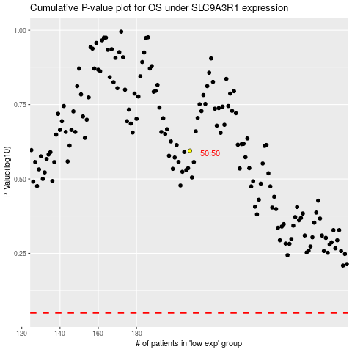

 |  |  |  |  |  | cases_OS | p_OS | rank | exp
 |  |  |  |  |  |  | cases_RFS | p_RFS | rank | exp

