SLC9A4 _multivariate
Reported by Tex Li-Hsing Chi. tex@gate.sinica.edu.tw 2019-08-15

Table 2. The clinicopathological features of HNSCC cohort and SLC9A4 expression. (Chi square test)
Cutoff at -0.214 (49.8%)
 |  | SLC9A4 expression |  | SLC9A4 expression |  | (Optimised)
 | Features | Low | (%) | High | (%) | Case no | P-value | Remark | Matthews
Gender | Female | 147 | 35.4 | 159 | 38.3 | 415 | 0.2523 | 0 | 0
2 | Male | 60 | 14.5 | 49 | 11.8
Age at diagnosis | <=65y | 131 | 31.6 | 143 | 34.5 | 415 | 0.2839 | 0 | 0
4 | >65y | 76 | 18.3 | 65 | 15.7
Clinical T Status | T1+T2 | 78 | 18.8 | 71 | 17.1 | 415 | 0.5152 | 0 | 0
6 | T3+T4 | 129 | 31.1 | 137 | 33
Clinical N Status | N0 | 109 | 26.3 | 107 | 25.8 | 415 | 0.8812 | 0 | 0
8 | N1-3 | 98 | 23.6 | 101 | 24.3
Clinical M Status | M0 | 204 | 49.2 | 208 | 50.1 | 415 | 0.1232 | 0 | 0
10 | M1 | 3 | 0.7 | 0 | 0
Clinical Stage | Stage I+II | 57 | 13.7 | 45 | 10.8 | 415 | 0.1998 | 0 | 0
12 | Stage III+IV | 150 | 36.1 | 163 | 39.3
Surgical Margin status | Negative | 157 | 37.8 | 161 | 38.8 | 415 | 0.729 | 0 | 0
14 | Positive | 50 | 12 | 47 | 11.3
Tobacco Exposure | Low | 97 | 23.4 | 64 | 15.4 | 415 | 9e-04 | 1 | 0
16 | High | 110 | 26.5 | 144 | 34.7

Table 3. Univariate/Multivariate Cox's proportional hazards regression analyses on OS time of SLC9A4 gene expression in HNSCC

 |  | Univariate |  |  |  | Multivariate
 | Features | HR | CI95%(L) | CI95%(H) | P-value | HR | CI95%(L) | CI95%(H) | P-value
1 | Female | 1 |  |  |  | 1
Gender | Male | 1.157 | 0.843 | 1.587 | 0.367 | 1.194 | 0.854 | 1.669 | 0.3
11 | <=65y | 1 |  |  |  | 1
Age at diagnosis | >65y | 1.329 | 0.99 | 1.784 | 0.058 | 1.392 | 1.024 | 1.893 | 0.035
12 | T1+T2 | 1 |  |  |  | 1
Clinical T Status | T3+T4 | 1.409 | 1.028 | 1.931 | 0.033 | 2.182 | 1.153 | 4.127 | 0.016
13 | N0 | 1 |  |  |  | 1
Clinical N Status | N1-3 | 1.185 | 0.89 | 1.577 | 0.246 | 1.24 | 0.869 | 1.769 | 0.236
14 | M0 | 1 |  |  |  | 1
Clinical M Status | M1 | 4.097 | 1.009 | 16.644 | 0.049 | 8.783 | 1.897 | 40.665 | 0.005
15 | Stage I+II | 1 |  |  |  | 1
Clinical Stage | Stage III+IV | 1.245 | 0.882 | 1.759 | 0.213 | 0.516 | 0.24 | 1.111 | 0.091
16 | Negative | 1 |  |  |  | 1
Surgical Margin status | Positive | 1.591 | 1.155 | 2.191 | 0.004 | 1.657 | 1.198 | 2.29 | 0.002
17 | Low | 1 |  |  |  | 1
Tobacco Exposure | High | 1.364 | 1.008 | 1.844 | 0.044 | 1.479 | 1.07 | 2.045 | 0.018
18 | Low | 1 |  |  |  | 1
RNAseq(z-score) | High | 0.886 | 0.664 | 1.182 | 0.412 | 0.893 | 0.663 | 1.202 | 0.455

Table 4. Univariate/Multivariate Cox's proportional hazards regression analyses on RFS time of SLC9A4 gene expression in HNSCC

 |  | Univariate |  |  |  | Multivariate
 | Features | HR | CI95%(L) | CI95%(H) | P-value | HR | CI95%(L) | CI95%(H) | P-value
1 | Female | 1 |  |  |  | 1
Gender | Male | 1.157 | 0.843 | 1.587 | 0.367 | 1.194 | 0.854 | 1.669 | 0.3
11 | <=65y | 1 |  |  |  | 1
Age at diagnosis | >65y | 1.329 | 0.99 | 1.784 | 0.058 | 1.392 | 1.024 | 1.893 | 0.035
12 | T1+T2 | 1 |  |  |  | 1
Clinical T Status | T3+T4 | 1.409 | 1.028 | 1.931 | 0.033 | 2.182 | 1.153 | 4.127 | 0.016
13 | N0 | 1 |  |  |  | 1
Clinical N Status | N1-3 | 1.185 | 0.89 | 1.577 | 0.246 | 1.24 | 0.869 | 1.769 | 0.236
14 | M0 | 1 |  |  |  | 1
Clinical M Status | M1 | 4.097 | 1.009 | 16.644 | 0.049 | 8.783 | 1.897 | 40.665 | 0.005
15 | Stage I+II | 1 |  |  |  | 1
Clinical Stage | Stage III+IV | 1.245 | 0.882 | 1.759 | 0.213 | 0.516 | 0.24 | 1.111 | 0.091
16 | Negative | 1 |  |  |  | 1
Surgical Margin status | Positive | 1.591 | 1.155 | 2.191 | 0.004 | 1.657 | 1.198 | 2.29 | 0.002
17 | Low | 1 |  |  |  | 1
Tobacco Exposure | High | 1.364 | 1.008 | 1.844 | 0.044 | 1.479 | 1.07 | 2.045 | 0.018
18 | Low | 1 |  |  |  | 1
RNAseq(z-score) | High | 0.886 | 0.664 | 1.182 | 0.412 | 0.893 | 0.663 | 1.202 | 0.455

Kaplan-Meier survival estimate: Cutoff at -0.214 (49.8%)



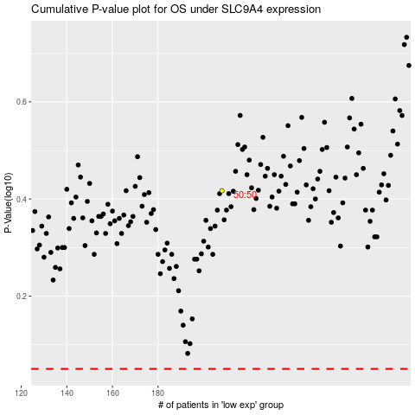

 |  |  |  |  |  | cases_OS | p_OS | rank | exp
 |  |  |  |  |  |  | cases_RFS | p_RFS | rank | exp

