SLC9A5 _multivariate
Reported by Tex Li-Hsing Chi. tex@gate.sinica.edu.tw 2019-08-15

Table 2. The clinicopathological features of HNSCC cohort and SLC9A5 expression. (Chi square test)
Cutoff at -0.227 (50.0%)
 |  | SLC9A5 expression |  | SLC9A5 expression |  | (Optimised)
 | Features | Low | (%) | High | (%) | Case no | P-value | Remark | Matthews
Gender | Female | 144 | 34.7 | 162 | 39 | 415 | 0.0697 | 0 | 0
2 | Male | 63 | 15.2 | 46 | 11.1
Age at diagnosis | <=65y | 133 | 32 | 141 | 34 | 415 | 0.5111 | 0 | 0
4 | >65y | 74 | 17.8 | 67 | 16.1
Clinical T Status | T1+T2 | 80 | 19.3 | 69 | 16.6 | 415 | 0.2891 | 0 | 0
6 | T3+T4 | 127 | 30.6 | 139 | 33.5
Clinical N Status | N0 | 110 | 26.5 | 106 | 25.5 | 415 | 0.7294 | 0 | 0
8 | N1-3 | 97 | 23.4 | 102 | 24.6
Clinical M Status | M0 | 205 | 49.4 | 207 | 49.9 | 415 | 0.6232 | 0 | 0
10 | M1 | 2 | 0.5 | 1 | 0.2
Clinical Stage | Stage I+II | 55 | 13.3 | 47 | 11.3 | 415 | 0.4087 | 0 | 0
12 | Stage III+IV | 152 | 36.6 | 161 | 38.8
Surgical Margin status | Negative | 164 | 39.5 | 154 | 37.1 | 415 | 0.2462 | 0 | 0
14 | Positive | 43 | 10.4 | 54 | 13
Tobacco Exposure | Low | 88 | 21.2 | 73 | 17.6 | 415 | 0.1314 | 0 | 0
16 | High | 119 | 28.7 | 135 | 32.5

Table 3. Univariate/Multivariate Cox's proportional hazards regression analyses on OS time of SLC9A5 gene expression in HNSCC

 |  | Univariate |  |  |  | Multivariate
 | Features | HR | CI95%(L) | CI95%(H) | P-value | HR | CI95%(L) | CI95%(H) | P-value
1 | Female | 1 |  |  |  | 1
Gender | Male | 1.157 | 0.843 | 1.587 | 0.367 | 1.189 | 0.851 | 1.661 | 0.309
11 | <=65y | 1 |  |  |  | 1
Age at diagnosis | >65y | 1.329 | 0.99 | 1.784 | 0.058 | 1.393 | 1.024 | 1.894 | 0.035
12 | T1+T2 | 1 |  |  |  | 1
Clinical T Status | T3+T4 | 1.409 | 1.028 | 1.931 | 0.033 | 2.255 | 1.19 | 4.273 | 0.013
13 | N0 | 1 |  |  |  | 1
Clinical N Status | N1-3 | 1.185 | 0.89 | 1.577 | 0.246 | 1.247 | 0.874 | 1.778 | 0.223
14 | M0 | 1 |  |  |  | 1
Clinical M Status | M1 | 4.097 | 1.009 | 16.644 | 0.049 | 9.132 | 1.989 | 41.918 | 0.004
15 | Stage I+II | 1 |  |  |  | 1
Clinical Stage | Stage III+IV | 1.245 | 0.882 | 1.759 | 0.213 | 0.498 | 0.232 | 1.069 | 0.074
16 | Negative | 1 |  |  |  | 1
Surgical Margin status | Positive | 1.591 | 1.155 | 2.191 | 0.004 | 1.681 | 1.216 | 2.324 | 0.002
17 | Low | 1 |  |  |  | 1
Tobacco Exposure | High | 1.364 | 1.008 | 1.844 | 0.044 | 1.471 | 1.066 | 2.029 | 0.019
18 | Low | 1 |  |  |  | 1
RNAseq(z-score) | High | 0.894 | 0.67 | 1.192 | 0.444 | 0.86 | 0.642 | 1.152 | 0.313

Table 4. Univariate/Multivariate Cox's proportional hazards regression analyses on RFS time of SLC9A5 gene expression in HNSCC

 |  | Univariate |  |  |  | Multivariate
 | Features | HR | CI95%(L) | CI95%(H) | P-value | HR | CI95%(L) | CI95%(H) | P-value
1 | Female | 1 |  |  |  | 1
Gender | Male | 1.157 | 0.843 | 1.587 | 0.367 | 1.189 | 0.851 | 1.661 | 0.309
11 | <=65y | 1 |  |  |  | 1
Age at diagnosis | >65y | 1.329 | 0.99 | 1.784 | 0.058 | 1.393 | 1.024 | 1.894 | 0.035
12 | T1+T2 | 1 |  |  |  | 1
Clinical T Status | T3+T4 | 1.409 | 1.028 | 1.931 | 0.033 | 2.255 | 1.19 | 4.273 | 0.013
13 | N0 | 1 |  |  |  | 1
Clinical N Status | N1-3 | 1.185 | 0.89 | 1.577 | 0.246 | 1.247 | 0.874 | 1.778 | 0.223
14 | M0 | 1 |  |  |  | 1
Clinical M Status | M1 | 4.097 | 1.009 | 16.644 | 0.049 | 9.132 | 1.989 | 41.918 | 0.004
15 | Stage I+II | 1 |  |  |  | 1
Clinical Stage | Stage III+IV | 1.245 | 0.882 | 1.759 | 0.213 | 0.498 | 0.232 | 1.069 | 0.074
16 | Negative | 1 |  |  |  | 1
Surgical Margin status | Positive | 1.591 | 1.155 | 2.191 | 0.004 | 1.681 | 1.216 | 2.324 | 0.002
17 | Low | 1 |  |  |  | 1
Tobacco Exposure | High | 1.364 | 1.008 | 1.844 | 0.044 | 1.471 | 1.066 | 2.029 | 0.019
18 | Low | 1 |  |  |  | 1
RNAseq(z-score) | High | 0.894 | 0.67 | 1.192 | 0.444 | 0.86 | 0.642 | 1.152 | 0.313

Kaplan-Meier survival estimate: Cutoff at -0.227 (50.0%)



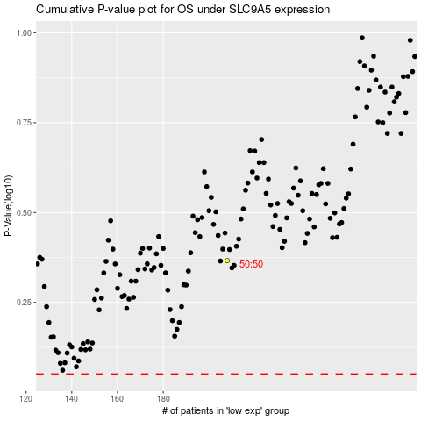

 |  |  |  |  |  | cases_OS | p_OS | rank | exp
 |  |  |  |  |  |  | cases_RFS | p_RFS | rank | exp

