SLC9A8 _multivariate
Reported by Tex Li-Hsing Chi. tex@gate.sinica.edu.tw 2019-08-15

Table 2. The clinicopathological features of HNSCC cohort and SLC9A8 expression. (Chi square test)
Cutoff at -0.293 (49.8%)
 |  | SLC9A8 expression |  | SLC9A8 expression |  | (Optimised)
 | Features | Low | (%) | High | (%) | Case no | P-value | Remark | Matthews
Gender | Female | 158 | 38.1 | 148 | 35.7 | 415 | 0.2774 | 0 | 0
2 | Male | 49 | 11.8 | 60 | 14.5
Age at diagnosis | <=65y | 142 | 34.2 | 132 | 31.8 | 415 | 0.3167 | 0 | 0
4 | >65y | 65 | 15.7 | 76 | 18.3
Clinical T Status | T1+T2 | 62 | 14.9 | 87 | 21 | 415 | 0.0156 | 1 | 0
6 | T3+T4 | 145 | 34.9 | 121 | 29.2
Clinical N Status | N0 | 104 | 25.1 | 112 | 27 | 415 | 0.5243 | 0 | 0
8 | N1-3 | 103 | 24.8 | 96 | 23.1
Clinical M Status | M0 | 205 | 49.4 | 207 | 49.9 | 415 | 0.6232 | 0 | 0
10 | M1 | 2 | 0.5 | 1 | 0.2
Clinical Stage | Stage I+II | 41 | 9.9 | 61 | 14.7 | 415 | 0.0325 | 1 | 0
12 | Stage III+IV | 166 | 40 | 147 | 35.4
Surgical Margin status | Negative | 158 | 38.1 | 160 | 38.6 | 415 | 0.9081 | 0 | 0
14 | Positive | 49 | 11.8 | 48 | 11.6
Tobacco Exposure | Low | 76 | 18.3 | 85 | 20.5 | 415 | 0.4207 | 0 | 0
16 | High | 131 | 31.6 | 123 | 29.6

Table 3. Univariate/Multivariate Cox's proportional hazards regression analyses on OS time of SLC9A8 gene expression in HNSCC

 |  | Univariate |  |  |  | Multivariate
 | Features | HR | CI95%(L) | CI95%(H) | P-value | HR | CI95%(L) | CI95%(H) | P-value
1 | Female | 1 |  |  |  | 1
Gender | Male | 1.157 | 0.843 | 1.587 | 0.367 | 1.21 | 0.866 | 1.691 | 0.264
11 | <=65y | 1 |  |  |  | 1
Age at diagnosis | >65y | 1.329 | 0.99 | 1.784 | 0.058 | 1.408 | 1.034 | 1.916 | 0.03
12 | T1+T2 | 1 |  |  |  | 1
Clinical T Status | T3+T4 | 1.409 | 1.028 | 1.931 | 0.033 | 2.153 | 1.137 | 4.08 | 0.019
13 | N0 | 1 |  |  |  | 1
Clinical N Status | N1-3 | 1.185 | 0.89 | 1.577 | 0.246 | 1.253 | 0.877 | 1.788 | 0.215
14 | M0 | 1 |  |  |  | 1
Clinical M Status | M1 | 4.097 | 1.009 | 16.644 | 0.049 | 8.927 | 1.938 | 41.12 | 0.005
15 | Stage I+II | 1 |  |  |  | 1
Clinical Stage | Stage III+IV | 1.245 | 0.882 | 1.759 | 0.213 | 0.505 | 0.235 | 1.083 | 0.079
16 | Negative | 1 |  |  |  | 1
Surgical Margin status | Positive | 1.591 | 1.155 | 2.191 | 0.004 | 1.672 | 1.21 | 2.31 | 0.002
17 | Low | 1 |  |  |  | 1
Tobacco Exposure | High | 1.364 | 1.008 | 1.844 | 0.044 | 1.461 | 1.06 | 2.014 | 0.021
18 | Low | 1 |  |  |  | 1
RNAseq(z-score) | High | 0.871 | 0.654 | 1.159 | 0.343 | 0.884 | 0.66 | 1.184 | 0.409

Table 4. Univariate/Multivariate Cox's proportional hazards regression analyses on RFS time of SLC9A8 gene expression in HNSCC

 |  | Univariate |  |  |  | Multivariate
 | Features | HR | CI95%(L) | CI95%(H) | P-value | HR | CI95%(L) | CI95%(H) | P-value
1 | Female | 1 |  |  |  | 1
Gender | Male | 1.157 | 0.843 | 1.587 | 0.367 | 1.21 | 0.866 | 1.691 | 0.264
11 | <=65y | 1 |  |  |  | 1
Age at diagnosis | >65y | 1.329 | 0.99 | 1.784 | 0.058 | 1.408 | 1.034 | 1.916 | 0.03
12 | T1+T2 | 1 |  |  |  | 1
Clinical T Status | T3+T4 | 1.409 | 1.028 | 1.931 | 0.033 | 2.153 | 1.137 | 4.08 | 0.019
13 | N0 | 1 |  |  |  | 1
Clinical N Status | N1-3 | 1.185 | 0.89 | 1.577 | 0.246 | 1.253 | 0.877 | 1.788 | 0.215
14 | M0 | 1 |  |  |  | 1
Clinical M Status | M1 | 4.097 | 1.009 | 16.644 | 0.049 | 8.927 | 1.938 | 41.12 | 0.005
15 | Stage I+II | 1 |  |  |  | 1
Clinical Stage | Stage III+IV | 1.245 | 0.882 | 1.759 | 0.213 | 0.505 | 0.235 | 1.083 | 0.079
16 | Negative | 1 |  |  |  | 1
Surgical Margin status | Positive | 1.591 | 1.155 | 2.191 | 0.004 | 1.672 | 1.21 | 2.31 | 0.002
17 | Low | 1 |  |  |  | 1
Tobacco Exposure | High | 1.364 | 1.008 | 1.844 | 0.044 | 1.461 | 1.06 | 2.014 | 0.021
18 | Low | 1 |  |  |  | 1
RNAseq(z-score) | High | 0.871 | 0.654 | 1.159 | 0.343 | 0.884 | 0.66 | 1.184 | 0.409

Kaplan-Meier survival estimate: Cutoff at -0.293 (49.8%)



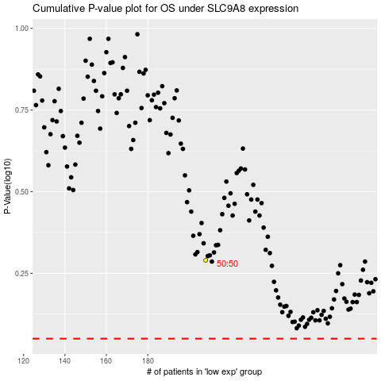

 |  |  |  |  |  | cases_OS | p_OS | rank | exp
 |  |  |  |  |  |  | cases_RFS | p_RFS | rank | exp

