SLC9A9 _multivariate
Reported by Tex Li-Hsing Chi. tex@gate.sinica.edu.tw 2019-08-15

Table 2. The clinicopathological features of HNSCC cohort and SLC9A9 expression. (Chi square test)
Cutoff at -0.34 (49.8%)
 |  | SLC9A9 expression |  | SLC9A9 expression |  | (Optimised)
 | Features | Low | (%) | High | (%) | Case no | P-value | Remark | Matthews
Gender | Female | 145 | 34.9 | 161 | 38.8 | 415 | 0.1116 | 0 | 0
2 | Male | 62 | 14.9 | 47 | 11.3
Age at diagnosis | <=65y | 133 | 32 | 141 | 34 | 415 | 0.5111 | 0 | 0
4 | >65y | 74 | 17.8 | 67 | 16.1
Clinical T Status | T1+T2 | 78 | 18.8 | 71 | 17.1 | 415 | 0.5152 | 0 | 0
6 | T3+T4 | 129 | 31.1 | 137 | 33
Clinical N Status | N0 | 105 | 25.3 | 111 | 26.7 | 415 | 0.6598 | 0 | 0
8 | N1-3 | 102 | 24.6 | 97 | 23.4
Clinical M Status | M0 | 204 | 49.2 | 208 | 50.1 | 415 | 0.1232 | 0 | 0
10 | M1 | 3 | 0.7 | 0 | 0
Clinical Stage | Stage I+II | 55 | 13.3 | 47 | 11.3 | 415 | 0.4087 | 0 | 0
12 | Stage III+IV | 152 | 36.6 | 161 | 38.8
Surgical Margin status | Negative | 157 | 37.8 | 161 | 38.8 | 415 | 0.729 | 0 | 0
14 | Positive | 50 | 12 | 47 | 11.3
Tobacco Exposure | Low | 92 | 22.2 | 69 | 16.6 | 415 | 0.0206 | 1 | 0
16 | High | 115 | 27.7 | 139 | 33.5

Table 3. Univariate/Multivariate Cox's proportional hazards regression analyses on OS time of SLC9A9 gene expression in HNSCC

 |  | Univariate |  |  |  | Multivariate
 | Features | HR | CI95%(L) | CI95%(H) | P-value | HR | CI95%(L) | CI95%(H) | P-value
1 | Female | 1 |  |  |  | 1
Gender | Male | 1.157 | 0.843 | 1.587 | 0.367 | 1.214 | 0.868 | 1.698 | 0.257
11 | <=65y | 1 |  |  |  | 1
Age at diagnosis | >65y | 1.329 | 0.99 | 1.784 | 0.058 | 1.397 | 1.028 | 1.898 | 0.033
12 | T1+T2 | 1 |  |  |  | 1
Clinical T Status | T3+T4 | 1.409 | 1.028 | 1.931 | 0.033 | 2.218 | 1.173 | 4.195 | 0.014
13 | N0 | 1 |  |  |  | 1
Clinical N Status | N1-3 | 1.185 | 0.89 | 1.577 | 0.246 | 1.25 | 0.875 | 1.784 | 0.22
14 | M0 | 1 |  |  |  | 1
Clinical M Status | M1 | 4.097 | 1.009 | 16.644 | 0.049 | 9.915 | 2.14 | 45.932 | 0.003
15 | Stage I+II | 1 |  |  |  | 1
Clinical Stage | Stage III+IV | 1.245 | 0.882 | 1.759 | 0.213 | 0.497 | 0.232 | 1.069 | 0.074
16 | Negative | 1 |  |  |  | 1
Surgical Margin status | Positive | 1.591 | 1.155 | 2.191 | 0.004 | 1.678 | 1.214 | 2.319 | 0.002
17 | Low | 1 |  |  |  | 1
Tobacco Exposure | High | 1.364 | 1.008 | 1.844 | 0.044 | 1.445 | 1.048 | 1.991 | 0.025
18 | Low | 1 |  |  |  | 1
RNAseq(z-score) | High | 1.034 | 0.776 | 1.378 | 0.819 | 1.092 | 0.814 | 1.465 | 0.557

Table 4. Univariate/Multivariate Cox's proportional hazards regression analyses on RFS time of SLC9A9 gene expression in HNSCC

 |  | Univariate |  |  |  | Multivariate
 | Features | HR | CI95%(L) | CI95%(H) | P-value | HR | CI95%(L) | CI95%(H) | P-value
1 | Female | 1 |  |  |  | 1
Gender | Male | 1.157 | 0.843 | 1.587 | 0.367 | 1.214 | 0.868 | 1.698 | 0.257
11 | <=65y | 1 |  |  |  | 1
Age at diagnosis | >65y | 1.329 | 0.99 | 1.784 | 0.058 | 1.397 | 1.028 | 1.898 | 0.033
12 | T1+T2 | 1 |  |  |  | 1
Clinical T Status | T3+T4 | 1.409 | 1.028 | 1.931 | 0.033 | 2.218 | 1.173 | 4.195 | 0.014
13 | N0 | 1 |  |  |  | 1
Clinical N Status | N1-3 | 1.185 | 0.89 | 1.577 | 0.246 | 1.25 | 0.875 | 1.784 | 0.22
14 | M0 | 1 |  |  |  | 1
Clinical M Status | M1 | 4.097 | 1.009 | 16.644 | 0.049 | 9.915 | 2.14 | 45.932 | 0.003
15 | Stage I+II | 1 |  |  |  | 1
Clinical Stage | Stage III+IV | 1.245 | 0.882 | 1.759 | 0.213 | 0.497 | 0.232 | 1.069 | 0.074
16 | Negative | 1 |  |  |  | 1
Surgical Margin status | Positive | 1.591 | 1.155 | 2.191 | 0.004 | 1.678 | 1.214 | 2.319 | 0.002
17 | Low | 1 |  |  |  | 1
Tobacco Exposure | High | 1.364 | 1.008 | 1.844 | 0.044 | 1.445 | 1.048 | 1.991 | 0.025
18 | Low | 1 |  |  |  | 1
RNAseq(z-score) | High | 1.034 | 0.776 | 1.378 | 0.819 | 1.092 | 0.814 | 1.465 | 0.557

Kaplan-Meier survival estimate: Cutoff at -0.34 (49.8%)



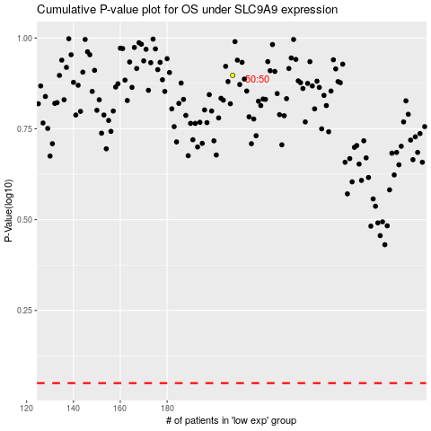

 |  |  |  |  |  | cases_OS | p_OS | rank | exp
 |  |  |  |  |  |  | cases_RFS | p_RFS | rank | exp

