SLCO1A2 _multivariate
Reported by Tex Li-Hsing Chi. tex@gate.sinica.edu.tw 2019-08-15

Table 2. The clinicopathological features of HNSCC cohort and SLCO1A2 expression. (Chi square test)
Cutoff at -0.368 (34.8%)
 |  | SLCO1A2 expression |  | SLCO1A2 expression |  | (Optimised)
 | Features | Low | (%) | High | (%) | Case no | P-value | Remark | Matthews
Gender | Female | 108 | 26 | 198 | 47.7 | 415 | 0.8913 | 0 | 0
2 | Male | 37 | 8.9 | 72 | 17.3
Age at diagnosis | <=65y | 101 | 24.3 | 173 | 41.7 | 415 | 0.3003 | 0 | 0
4 | >65y | 44 | 10.6 | 97 | 23.4
Clinical T Status | T1+T2 | 64 | 15.4 | 85 | 20.5 | 415 | 0.0141 | 1 | 0
6 | T3+T4 | 81 | 19.5 | 185 | 44.6
Clinical N Status | N0 | 66 | 15.9 | 150 | 36.1 | 415 | 0.0645 | 0 | 0
8 | N1-3 | 79 | 19 | 120 | 28.9
Clinical M Status | M0 | 144 | 34.7 | 268 | 64.6 | 415 | 1 | 0 | 0
10 | M1 | 1 | 0.2 | 2 | 0.5
Clinical Stage | Stage I+II | 42 | 10.1 | 60 | 14.5 | 415 | 0.161 | 0 | 0
12 | Stage III+IV | 103 | 24.8 | 210 | 50.6
Surgical Margin status | Negative | 109 | 26.3 | 209 | 50.4 | 415 | 0.6277 | 0 | 0
14 | Positive | 36 | 8.7 | 61 | 14.7
Tobacco Exposure | Low | 68 | 16.4 | 93 | 22.4 | 415 | 0.0151 | 1 | 0
16 | High | 77 | 18.6 | 177 | 42.7

Table 3. Univariate/Multivariate Cox's proportional hazards regression analyses on OS time of SLCO1A2 gene expression in HNSCC

 |  | Univariate |  |  |  | Multivariate
 | Features | HR | CI95%(L) | CI95%(H) | P-value | HR | CI95%(L) | CI95%(H) | P-value
1 | Female | 1 |  |  |  | 1
Gender | Male | 1.157 | 0.843 | 1.587 | 0.367 | 1.232 | 0.882 | 1.723 | 0.221
11 | <=65y | 1 |  |  |  | 1
Age at diagnosis | >65y | 1.329 | 0.99 | 1.784 | 0.058 | 1.438 | 1.057 | 1.955 | 0.021
12 | T1+T2 | 1 |  |  |  | 1
Clinical T Status | T3+T4 | 1.409 | 1.028 | 1.931 | 0.033 | 2.266 | 1.198 | 4.286 | 0.012
13 | N0 | 1 |  |  |  | 1
Clinical N Status | N1-3 | 1.185 | 0.89 | 1.577 | 0.246 | 1.17 | 0.818 | 1.674 | 0.391
14 | M0 | 1 |  |  |  | 1
Clinical M Status | M1 | 4.097 | 1.009 | 16.644 | 0.049 | 9.657 | 2.106 | 44.278 | 0.004
15 | Stage I+II | 1 |  |  |  | 1
Clinical Stage | Stage III+IV | 1.245 | 0.882 | 1.759 | 0.213 | 0.543 | 0.252 | 1.17 | 0.119
16 | Negative | 1 |  |  |  | 1
Surgical Margin status | Positive | 1.591 | 1.155 | 2.191 | 0.004 | 1.676 | 1.214 | 2.314 | 0.002
17 | Low | 1 |  |  |  | 1
Tobacco Exposure | High | 1.364 | 1.008 | 1.844 | 0.044 | 1.495 | 1.085 | 2.06 | 0.014
18 | Low | 1 |  |  |  | 1
RNAseq(z-score) | High | 0.741 | 0.55 | 0.998 | 0.048 | 0.664 | 0.489 | 0.901 | 0.009

Table 4. Univariate/Multivariate Cox's proportional hazards regression analyses on RFS time of SLCO1A2 gene expression in HNSCC

 |  | Univariate |  |  |  | Multivariate
 | Features | HR | CI95%(L) | CI95%(H) | P-value | HR | CI95%(L) | CI95%(H) | P-value
1 | Female | 1 |  |  |  | 1
Gender | Male | 1.157 | 0.843 | 1.587 | 0.367 | 1.232 | 0.882 | 1.723 | 0.221
11 | <=65y | 1 |  |  |  | 1
Age at diagnosis | >65y | 1.329 | 0.99 | 1.784 | 0.058 | 1.438 | 1.057 | 1.955 | 0.021
12 | T1+T2 | 1 |  |  |  | 1
Clinical T Status | T3+T4 | 1.409 | 1.028 | 1.931 | 0.033 | 2.266 | 1.198 | 4.286 | 0.012
13 | N0 | 1 |  |  |  | 1
Clinical N Status | N1-3 | 1.185 | 0.89 | 1.577 | 0.246 | 1.17 | 0.818 | 1.674 | 0.391
14 | M0 | 1 |  |  |  | 1
Clinical M Status | M1 | 4.097 | 1.009 | 16.644 | 0.049 | 9.657 | 2.106 | 44.278 | 0.004
15 | Stage I+II | 1 |  |  |  | 1
Clinical Stage | Stage III+IV | 1.245 | 0.882 | 1.759 | 0.213 | 0.543 | 0.252 | 1.17 | 0.119
16 | Negative | 1 |  |  |  | 1
Surgical Margin status | Positive | 1.591 | 1.155 | 2.191 | 0.004 | 1.676 | 1.214 | 2.314 | 0.002
17 | Low | 1 |  |  |  | 1
Tobacco Exposure | High | 1.364 | 1.008 | 1.844 | 0.044 | 1.495 | 1.085 | 2.06 | 0.014
18 | Low | 1 |  |  |  | 1
RNAseq(z-score) | High | 0.741 | 0.55 | 0.998 | 0.048 | 0.664 | 0.489 | 0.901 | 0.009

Kaplan-Meier survival estimate: Cutoff at -0.368 (34.8%)



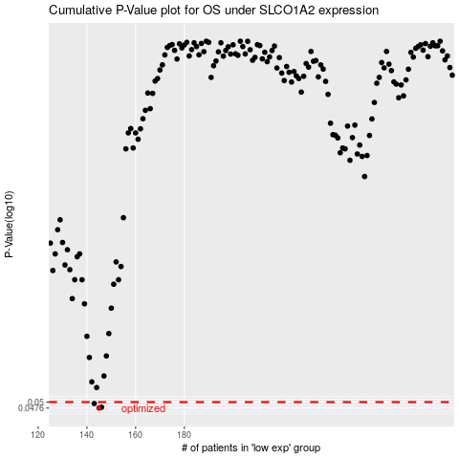

 |  |  |  |  |  | cases_OS | p_OS | rank | exp
 |  |  |  |  |  | 145 | 0.0476 | 358 | -0.36841100138
 |  |  |  |  |  | 146 | 0.0479 | 71 | -0.36812811317
 |  |  |  |  |  | 143 | 0.0494 | 29 | -0.36971703911
 |  |  |  |  |  |  | cases_RFS | p_RFS | rank | exp
 |  |  |  |  |  |  | 144 | 0.0476 | 118 | -0.36909112109
 |  |  |  |  |  |  | 145 | 0.0479 | 358 | -0.36841100138
 |  |  |  |  |  |  | 142 | 0.0494 | 209 | -0.37078028302

