SLCO1B3 _multivariate
Reported by Tex Li-Hsing Chi. tex@gate.sinica.edu.tw 2019-08-15

Table 2. The clinicopathological features of HNSCC cohort and SLCO1B3 expression. (Chi square test)
Cutoff at 0.141 (67.9%)
 |  | SLCO1B3 expression |  | SLCO1B3 expression |  | (Optimised)
 | Features | Low | (%) | High | (%) | Case no | P-value | Remark | Matthews
Gender | Female | 215 | 51.8 | 91 | 21.9 | 415 | 0.1165 | 0 | 0
2 | Male | 67 | 16.1 | 42 | 10.1
Age at diagnosis | <=65y | 199 | 48 | 75 | 18.1 | 415 | 0.0062 | 1 | 0
4 | >65y | 83 | 20 | 58 | 14
Clinical T Status | T1+T2 | 104 | 25.1 | 45 | 10.8 | 415 | 0.6215 | 0 | 0
6 | T3+T4 | 178 | 42.9 | 88 | 21.2
Clinical N Status | N0 | 144 | 34.7 | 72 | 17.3 | 415 | 0.6318 | 0 | 0
8 | N1-3 | 138 | 33.3 | 61 | 14.7
Clinical M Status | M0 | 281 | 67.7 | 131 | 31.6 | 415 | 0.2417 | 0 | 0
10 | M1 | 1 | 0.2 | 2 | 0.5
Clinical Stage | Stage I+II | 67 | 16.1 | 35 | 8.4 | 415 | 0.6582 | 0 | 0
12 | Stage III+IV | 215 | 51.8 | 98 | 23.6
Surgical Margin status | Negative | 216 | 52 | 102 | 24.6 | 415 | 1 | 0 | 0
14 | Positive | 66 | 15.9 | 31 | 7.5
Tobacco Exposure | Low | 106 | 25.5 | 55 | 13.3 | 415 | 0.5174 | 0 | 0
16 | High | 176 | 42.4 | 78 | 18.8

Table 3. Univariate/Multivariate Cox's proportional hazards regression analyses on OS time of SLCO1B3 gene expression in HNSCC

 |  | Univariate |  |  |  | Multivariate
 | Features | HR | CI95%(L) | CI95%(H) | P-value | HR | CI95%(L) | CI95%(H) | P-value
1 | Female | 1 |  |  |  | 1
Gender | Male | 1.157 | 0.843 | 1.587 | 0.367 | 1.179 | 0.844 | 1.648 | 0.334
11 | <=65y | 1 |  |  |  | 1
Age at diagnosis | >65y | 1.329 | 0.99 | 1.784 | 0.058 | 1.34 | 0.983 | 1.826 | 0.065
12 | T1+T2 | 1 |  |  |  | 1
Clinical T Status | T3+T4 | 1.409 | 1.028 | 1.931 | 0.033 | 2.13 | 1.125 | 4.034 | 0.02
13 | N0 | 1 |  |  |  | 1
Clinical N Status | N1-3 | 1.185 | 0.89 | 1.577 | 0.246 | 1.227 | 0.859 | 1.753 | 0.26
14 | M0 | 1 |  |  |  | 1
Clinical M Status | M1 | 4.097 | 1.009 | 16.644 | 0.049 | 8.428 | 1.83 | 38.825 | 0.006
15 | Stage I+II | 1 |  |  |  | 1
Clinical Stage | Stage III+IV | 1.245 | 0.882 | 1.759 | 0.213 | 0.519 | 0.242 | 1.115 | 0.093
16 | Negative | 1 |  |  |  | 1
Surgical Margin status | Positive | 1.591 | 1.155 | 2.191 | 0.004 | 1.698 | 1.227 | 2.349 | 0.001
17 | Low | 1 |  |  |  | 1
Tobacco Exposure | High | 1.364 | 1.008 | 1.844 | 0.044 | 1.445 | 1.048 | 1.991 | 0.025
18 | Low | 1 |  |  |  | 1
RNAseq(z-score) | High | 1.419 | 1.051 | 1.915 | 0.022 | 1.324 | 0.975 | 1.798 | 0.072

Table 4. Univariate/Multivariate Cox's proportional hazards regression analyses on RFS time of SLCO1B3 gene expression in HNSCC

 |  | Univariate |  |  |  | Multivariate
 | Features | HR | CI95%(L) | CI95%(H) | P-value | HR | CI95%(L) | CI95%(H) | P-value
1 | Female | 1 |  |  |  | 1
Gender | Male | 1.157 | 0.843 | 1.587 | 0.367 | 1.179 | 0.844 | 1.648 | 0.334
11 | <=65y | 1 |  |  |  | 1
Age at diagnosis | >65y | 1.329 | 0.99 | 1.784 | 0.058 | 1.34 | 0.983 | 1.826 | 0.065
12 | T1+T2 | 1 |  |  |  | 1
Clinical T Status | T3+T4 | 1.409 | 1.028 | 1.931 | 0.033 | 2.13 | 1.125 | 4.034 | 0.02
13 | N0 | 1 |  |  |  | 1
Clinical N Status | N1-3 | 1.185 | 0.89 | 1.577 | 0.246 | 1.227 | 0.859 | 1.753 | 0.26
14 | M0 | 1 |  |  |  | 1
Clinical M Status | M1 | 4.097 | 1.009 | 16.644 | 0.049 | 8.428 | 1.83 | 38.825 | 0.006
15 | Stage I+II | 1 |  |  |  | 1
Clinical Stage | Stage III+IV | 1.245 | 0.882 | 1.759 | 0.213 | 0.519 | 0.242 | 1.115 | 0.093
16 | Negative | 1 |  |  |  | 1
Surgical Margin status | Positive | 1.591 | 1.155 | 2.191 | 0.004 | 1.698 | 1.227 | 2.349 | 0.001
17 | Low | 1 |  |  |  | 1
Tobacco Exposure | High | 1.364 | 1.008 | 1.844 | 0.044 | 1.445 | 1.048 | 1.991 | 0.025
18 | Low | 1 |  |  |  | 1
RNAseq(z-score) | High | 1.419 | 1.051 | 1.915 | 0.022 | 1.324 | 0.975 | 1.798 | 0.072

Kaplan-Meier survival estimate: Cutoff at 0.141 (67.9%)

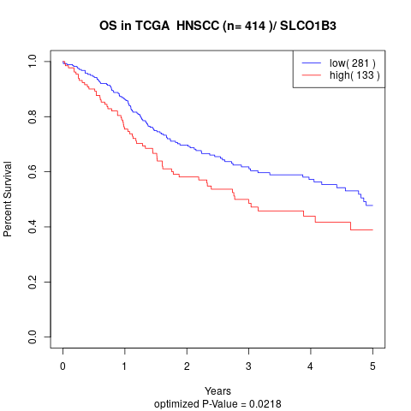

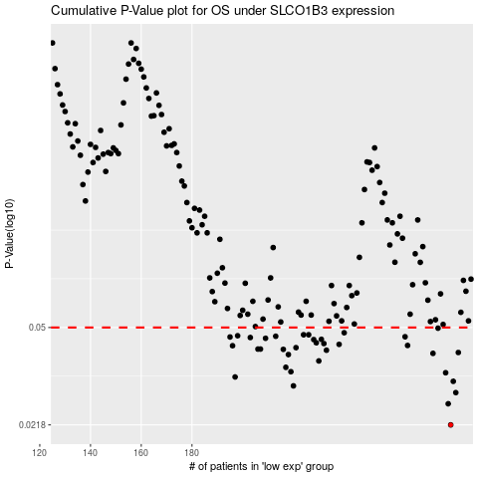

 |  |  |  |  |  | cases_OS | p_OS | rank | exp
 |  |  |  |  |  | 282 | 0.0218 | 222 | 0.14088979003
 |  |  |  |  |  | 281 | 0.0261 | 382 | 0.13383044478
 |  |  |  |  |  | 284 | 0.0287 | 113 | 0.16533393922
 |  |  |  |  |  | 220 | 0.0304 | 191 | -0.27219600729
 |  |  |  |  |  | 283 | 0.0316 | 384 | 0.15893572046
 |  |  |  |  |  | 197 | 0.0328 | 225 | -0.36943419454
 |  |  |  |  |  | 280 | 0.034 | 169 | 0.12888908138
 |  |  |  |  |  | 219 | 0.0343 | 386 | -0.27497095575
 |  |  |  |  |  | 217 | 0.0356 | 226 | -0.27593872607
 |  |  |  |  |  | 230 | 0.0376 | 76 | -0.20606760995
 |  |  |  |  |  | 218 | 0.0397 | 378 | -0.27511209511
 |  |  |  |  |  | 275 | 0.0401 | 302 | 0.08613425402
 |  |  |  |  |  | 285 | 0.0404 | 283 | 0.17662865392
 |  |  |  |  |  | 233 | 0.0412 | 373 | -0.20226576121
 |  |  |  |  |  | 216 | 0.0415 | 171 | -0.27849468566
 |  |  |  |  |  | 207 | 0.0416 | 253 | -0.31786365398
 |  |  |  |  |  | 206 | 0.0416 | 333 | -0.32180485928
 |  |  |  |  |  | 221 | 0.0421 | 159 | -0.26997373088
 |  |  |  |  |  | 196 | 0.0428 | 45 | -0.37841244087
 |  |  |  |  |  | 265 | 0.0429 | 54 | 0.051921775202
 |  |  |  |  |  | 238 | 0.0433 | 74 | -0.17413000054
 |  |  |  |  |  | 232 | 0.0436 | 298 | -0.20250406388
 |  |  |  |  |  | 229 | 0.0439 | 310 | -0.21767134557
 |  |  |  |  |  | 228 | 0.0451 | 25 | -0.21895021677
 |  |  |  |  |  | 231 | 0.0452 | 277 | -0.20526266988
 |  |  |  |  |  | 209 | 0.0456 | 155 | -0.3102843216
 |  |  |  |  |  | 203 | 0.0459 | 78 | -0.3422795753
 |  |  |  |  |  | 195 | 0.0461 | 380 | -0.37973528812
 |  |  |  |  |  | 264 | 0.0462 | 319 | 0.045878930501
 |  |  |  |  |  | 213 | 0.0464 | 385 | -0.29437420115
 |  |  |  |  |  | 198 | 0.0466 | 209 | -0.36529895976
 |  |  |  |  |  | 224 | 0.047 | 229 | -0.25936391351
 |  |  |  |  |  | 226 | 0.047 | 323 | -0.24759586196
 |  |  |  |  |  | 240 | 0.0478 | 180 | -0.1666389174
 |  |  |  |  |  | 277 | 0.0497 | 207 | 0.11030414715
 |  |  |  |  |  |  | cases_RFS | p_RFS | rank | exp
 |  |  |  |  |  |  | 281 | 0.0218 | 382 | 0.13383044478
 |  |  |  |  |  |  | 280 | 0.0261 | 169 | 0.12888908138
 |  |  |  |  |  |  | 283 | 0.0287 | 384 | 0.15893572046
 |  |  |  |  |  |  | 219 | 0.0304 | 386 | -0.27497095575
 |  |  |  |  |  |  | 282 | 0.0316 | 222 | 0.14088979003
 |  |  |  |  |  |  | 196 | 0.0328 | 45 | -0.37841244087
 |  |  |  |  |  |  | 279 | 0.034 | 131 | 0.12598131336
 |  |  |  |  |  |  | 218 | 0.0343 | 378 | -0.27511209511
 |  |  |  |  |  |  | 216 | 0.0356 | 171 | -0.27849468566
 |  |  |  |  |  |  | 229 | 0.0376 | 310 | -0.21767134557
 |  |  |  |  |  |  | 217 | 0.0397 | 226 | -0.27593872607
 |  |  |  |  |  |  | 274 | 0.0401 | 71 | 0.079637089136
 |  |  |  |  |  |  | 284 | 0.0404 | 113 | 0.16533393922
 |  |  |  |  |  |  | 232 | 0.0412 | 298 | -0.20250406388
 |  |  |  |  |  |  | 215 | 0.0415 | 105 | -0.28608976622
 |  |  |  |  |  |  | 205 | 0.0416 | 286 | -0.32782244746
 |  |  |  |  |  |  | 206 | 0.0416 | 333 | -0.32180485928
 |  |  |  |  |  |  | 220 | 0.0421 | 191 | -0.27219600729
 |  |  |  |  |  |  | 195 | 0.0428 | 380 | -0.37973528812
 |  |  |  |  |  |  | 264 | 0.0429 | 319 | 0.045878930501
 |  |  |  |  |  |  | 237 | 0.0433 | 44 | -0.1798251967
 |  |  |  |  |  |  | 231 | 0.0436 | 277 | -0.20526266988
 |  |  |  |  |  |  | 228 | 0.0439 | 25 | -0.21895021677
 |  |  |  |  |  |  | 227 | 0.0451 | 150 | -0.22906025222
 |  |  |  |  |  |  | 230 | 0.0452 | 76 | -0.20606760995
 |  |  |  |  |  |  | 208 | 0.0456 | 15 | -0.3173282158
 |  |  |  |  |  |  | 202 | 0.0459 | 233 | -0.35071257798
 |  |  |  |  |  |  | 194 | 0.0461 | 41 | -0.38441428087
 |  |  |  |  |  |  | 263 | 0.0462 | 271 | 0.028539588291
 |  |  |  |  |  |  | 212 | 0.0464 | 245 | -0.29959843754
 |  |  |  |  |  |  | 197 | 0.0466 | 225 | -0.36943419454
 |  |  |  |  |  |  | 225 | 0.047 | 195 | -0.25850667759
 |  |  |  |  |  |  | 223 | 0.047 | 288 | -0.26860363908
 |  |  |  |  |  |  | 239 | 0.0478 | 147 | -0.16730955223
 |  |  |  |  |  |  | 276 | 0.0497 | 144 | 0.10992440797

