SLCO2B1 _multivariate
Reported by Tex Li-Hsing Chi. tex@gate.sinica.edu.tw 2019-08-15

Table 2. The clinicopathological features of HNSCC cohort and SLCO2B1 expression. (Chi square test)
Cutoff at -0.344 (49.8%)
 |  | SLCO2B1 expression |  | SLCO2B1 expression |  | (Optimised)
 | Features | Low | (%) | High | (%) | Case no | P-value | Remark | Matthews
Gender | Female | 163 | 39.3 | 143 | 34.5 | 415 | 0.0277 | 1 | 0
2 | Male | 44 | 10.6 | 65 | 15.7
Age at diagnosis | <=65y | 139 | 33.5 | 135 | 32.5 | 415 | 0.7044 | 0 | 0
4 | >65y | 68 | 16.4 | 73 | 17.6
Clinical T Status | T1+T2 | 73 | 17.6 | 76 | 18.3 | 415 | 0.8666 | 0 | 0
6 | T3+T4 | 134 | 32.3 | 132 | 31.8
Clinical N Status | N0 | 116 | 28 | 100 | 24.1 | 415 | 0.1273 | 1 | 0
8 | N1-3 | 91 | 21.9 | 108 | 26
Clinical M Status | M0 | 205 | 49.4 | 207 | 49.9 | 415 | 0.6232 | 0 | 0
10 | M1 | 2 | 0.5 | 1 | 0.2
Clinical Stage | Stage I+II | 54 | 13 | 48 | 11.6 | 415 | 0.5498 | 0 | 0
12 | Stage III+IV | 153 | 36.9 | 160 | 38.6
Surgical Margin status | Negative | 155 | 37.3 | 163 | 39.3 | 415 | 0.4187 | 0 | 0
14 | Positive | 52 | 12.5 | 45 | 10.8
Tobacco Exposure | Low | 72 | 17.3 | 89 | 21.4 | 415 | 0.1071 | 0 | 0
16 | High | 135 | 32.5 | 119 | 28.7

Table 3. Univariate/Multivariate Cox's proportional hazards regression analyses on OS time of SLCO2B1 gene expression in HNSCC

 |  | Univariate |  |  |  | Multivariate
 | Features | HR | CI95%(L) | CI95%(H) | P-value | HR | CI95%(L) | CI95%(H) | P-value
1 | Female | 1 |  |  |  | 1
Gender | Male | 1.157 | 0.843 | 1.587 | 0.367 | 1.207 | 0.864 | 1.687 | 0.27
11 | <=65y | 1 |  |  |  | 1
Age at diagnosis | >65y | 1.329 | 0.99 | 1.784 | 0.058 | 1.388 | 1.021 | 1.885 | 0.036
12 | T1+T2 | 1 |  |  |  | 1
Clinical T Status | T3+T4 | 1.409 | 1.028 | 1.931 | 0.033 | 2.194 | 1.161 | 4.149 | 0.016
13 | N0 | 1 |  |  |  | 1
Clinical N Status | N1-3 | 1.185 | 0.89 | 1.577 | 0.246 | 1.248 | 0.874 | 1.782 | 0.223
14 | M0 | 1 |  |  |  | 1
Clinical M Status | M1 | 4.097 | 1.009 | 16.644 | 0.049 | 9.262 | 2.018 | 42.499 | 0.004
15 | Stage I+II | 1 |  |  |  | 1
Clinical Stage | Stage III+IV | 1.245 | 0.882 | 1.759 | 0.213 | 0.506 | 0.236 | 1.086 | 0.08
16 | Negative | 1 |  |  |  | 1
Surgical Margin status | Positive | 1.591 | 1.155 | 2.191 | 0.004 | 1.669 | 1.208 | 2.306 | 0.002
17 | Low | 1 |  |  |  | 1
Tobacco Exposure | High | 1.364 | 1.008 | 1.844 | 0.044 | 1.435 | 1.039 | 1.983 | 0.029
18 | Low | 1 |  |  |  | 1
RNAseq(z-score) | High | 0.886 | 0.665 | 1.181 | 0.411 | 0.921 | 0.688 | 1.233 | 0.578

Table 4. Univariate/Multivariate Cox's proportional hazards regression analyses on RFS time of SLCO2B1 gene expression in HNSCC

 |  | Univariate |  |  |  | Multivariate
 | Features | HR | CI95%(L) | CI95%(H) | P-value | HR | CI95%(L) | CI95%(H) | P-value
1 | Female | 1 |  |  |  | 1
Gender | Male | 1.157 | 0.843 | 1.587 | 0.367 | 1.207 | 0.864 | 1.687 | 0.27
11 | <=65y | 1 |  |  |  | 1
Age at diagnosis | >65y | 1.329 | 0.99 | 1.784 | 0.058 | 1.388 | 1.021 | 1.885 | 0.036
12 | T1+T2 | 1 |  |  |  | 1
Clinical T Status | T3+T4 | 1.409 | 1.028 | 1.931 | 0.033 | 2.194 | 1.161 | 4.149 | 0.016
13 | N0 | 1 |  |  |  | 1
Clinical N Status | N1-3 | 1.185 | 0.89 | 1.577 | 0.246 | 1.248 | 0.874 | 1.782 | 0.223
14 | M0 | 1 |  |  |  | 1
Clinical M Status | M1 | 4.097 | 1.009 | 16.644 | 0.049 | 9.262 | 2.018 | 42.499 | 0.004
15 | Stage I+II | 1 |  |  |  | 1
Clinical Stage | Stage III+IV | 1.245 | 0.882 | 1.759 | 0.213 | 0.506 | 0.236 | 1.086 | 0.08
16 | Negative | 1 |  |  |  | 1
Surgical Margin status | Positive | 1.591 | 1.155 | 2.191 | 0.004 | 1.669 | 1.208 | 2.306 | 0.002
17 | Low | 1 |  |  |  | 1
Tobacco Exposure | High | 1.364 | 1.008 | 1.844 | 0.044 | 1.435 | 1.039 | 1.983 | 0.029
18 | Low | 1 |  |  |  | 1
RNAseq(z-score) | High | 0.886 | 0.665 | 1.181 | 0.411 | 0.921 | 0.688 | 1.233 | 0.578

Kaplan-Meier survival estimate: Cutoff at -0.344 (49.8%)



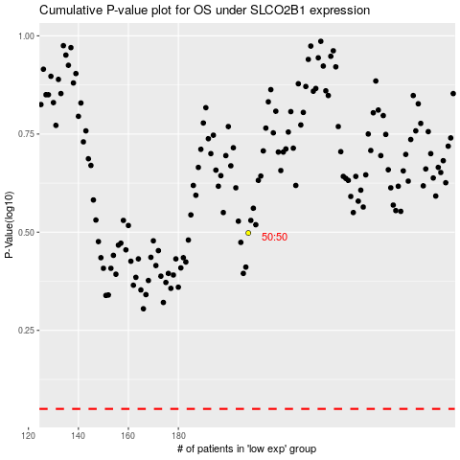

 |  |  |  |  |  | cases_OS | p_OS | rank | exp
 |  |  |  |  |  |  | cases_RFS | p_RFS | rank | exp

