SLCO3A1 _multivariate
Reported by Tex Li-Hsing Chi. tex@gate.sinica.edu.tw 2019-08-15

Table 2. The clinicopathological features of HNSCC cohort and SLCO3A1 expression. (Chi square test)
Cutoff at -0.199 (49.8%)
 |  | SLCO3A1 expression |  | SLCO3A1 expression |  | (Optimised)
 | Features | Low | (%) | High | (%) | Case no | P-value | Remark | Matthews
Gender | Female | 148 | 35.7 | 158 | 38.1 | 415 | 0.3567 | 0 | 0
2 | Male | 59 | 14.2 | 50 | 12
Age at diagnosis | <=65y | 134 | 32.3 | 140 | 33.7 | 415 | 0.6529 | 0 | 0
4 | >65y | 73 | 17.6 | 68 | 16.4
Clinical T Status | T1+T2 | 77 | 18.6 | 72 | 17.3 | 415 | 0.6556 | 0 | 0
6 | T3+T4 | 130 | 31.3 | 136 | 32.8
Clinical N Status | N0 | 100 | 24.1 | 116 | 28 | 415 | 0.1548 | 0 | 0
8 | N1-3 | 107 | 25.8 | 92 | 22.2
Clinical M Status | M0 | 205 | 49.4 | 207 | 49.9 | 415 | 0.6232 | 0 | 0
10 | M1 | 2 | 0.5 | 1 | 0.2
Clinical Stage | Stage I+II | 50 | 12 | 52 | 12.5 | 415 | 0.9315 | 0 | 0
12 | Stage III+IV | 157 | 37.8 | 156 | 37.6
Surgical Margin status | Negative | 154 | 37.1 | 164 | 39.5 | 415 | 0.2984 | 0 | 0
14 | Positive | 53 | 12.8 | 44 | 10.6
Tobacco Exposure | Low | 97 | 23.4 | 64 | 15.4 | 415 | 9e-04 | 1 | 0
16 | High | 110 | 26.5 | 144 | 34.7

Table 3. Univariate/Multivariate Cox's proportional hazards regression analyses on OS time of SLCO3A1 gene expression in HNSCC

 |  | Univariate |  |  |  | Multivariate
 | Features | HR | CI95%(L) | CI95%(H) | P-value | HR | CI95%(L) | CI95%(H) | P-value
1 | Female | 1 |  |  |  | 1
Gender | Male | 1.157 | 0.843 | 1.587 | 0.367 | 1.218 | 0.871 | 1.702 | 0.249
11 | <=65y | 1 |  |  |  | 1
Age at diagnosis | >65y | 1.329 | 0.99 | 1.784 | 0.058 | 1.401 | 1.03 | 1.904 | 0.032
12 | T1+T2 | 1 |  |  |  | 1
Clinical T Status | T3+T4 | 1.409 | 1.028 | 1.931 | 0.033 | 2.2 | 1.163 | 4.16 | 0.015
13 | N0 | 1 |  |  |  | 1
Clinical N Status | N1-3 | 1.185 | 0.89 | 1.577 | 0.246 | 1.269 | 0.888 | 1.814 | 0.192
14 | M0 | 1 |  |  |  | 1
Clinical M Status | M1 | 4.097 | 1.009 | 16.644 | 0.049 | 9.503 | 2.071 | 43.6 | 0.004
15 | Stage I+II | 1 |  |  |  | 1
Clinical Stage | Stage III+IV | 1.245 | 0.882 | 1.759 | 0.213 | 0.5 | 0.233 | 1.073 | 0.075
16 | Negative | 1 |  |  |  | 1
Surgical Margin status | Positive | 1.591 | 1.155 | 2.191 | 0.004 | 1.697 | 1.227 | 2.349 | 0.001
17 | Low | 1 |  |  |  | 1
Tobacco Exposure | High | 1.364 | 1.008 | 1.844 | 0.044 | 1.403 | 1.014 | 1.94 | 0.041
18 | Low | 1 |  |  |  | 1
RNAseq(z-score) | High | 1.23 | 0.92 | 1.645 | 0.162 | 1.223 | 0.906 | 1.649 | 0.188

Table 4. Univariate/Multivariate Cox's proportional hazards regression analyses on RFS time of SLCO3A1 gene expression in HNSCC

 |  | Univariate |  |  |  | Multivariate
 | Features | HR | CI95%(L) | CI95%(H) | P-value | HR | CI95%(L) | CI95%(H) | P-value
1 | Female | 1 |  |  |  | 1
Gender | Male | 1.157 | 0.843 | 1.587 | 0.367 | 1.218 | 0.871 | 1.702 | 0.249
11 | <=65y | 1 |  |  |  | 1
Age at diagnosis | >65y | 1.329 | 0.99 | 1.784 | 0.058 | 1.401 | 1.03 | 1.904 | 0.032
12 | T1+T2 | 1 |  |  |  | 1
Clinical T Status | T3+T4 | 1.409 | 1.028 | 1.931 | 0.033 | 2.2 | 1.163 | 4.16 | 0.015
13 | N0 | 1 |  |  |  | 1
Clinical N Status | N1-3 | 1.185 | 0.89 | 1.577 | 0.246 | 1.269 | 0.888 | 1.814 | 0.192
14 | M0 | 1 |  |  |  | 1
Clinical M Status | M1 | 4.097 | 1.009 | 16.644 | 0.049 | 9.503 | 2.071 | 43.6 | 0.004
15 | Stage I+II | 1 |  |  |  | 1
Clinical Stage | Stage III+IV | 1.245 | 0.882 | 1.759 | 0.213 | 0.5 | 0.233 | 1.073 | 0.075
16 | Negative | 1 |  |  |  | 1
Surgical Margin status | Positive | 1.591 | 1.155 | 2.191 | 0.004 | 1.697 | 1.227 | 2.349 | 0.001
17 | Low | 1 |  |  |  | 1
Tobacco Exposure | High | 1.364 | 1.008 | 1.844 | 0.044 | 1.403 | 1.014 | 1.94 | 0.041
18 | Low | 1 |  |  |  | 1
RNAseq(z-score) | High | 1.23 | 0.92 | 1.645 | 0.162 | 1.223 | 0.906 | 1.649 | 0.188

Kaplan-Meier survival estimate: Cutoff at -0.199 (49.8%)



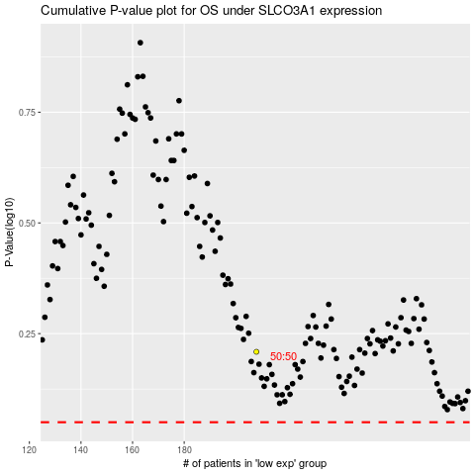

 |  |  |  |  |  | cases_OS | p_OS | rank | exp
 |  |  |  |  |  |  | cases_RFS | p_RFS | rank | exp

