SLCO4A1 _multivariate
Reported by Tex Li-Hsing Chi. tex@gate.sinica.edu.tw 2019-08-15

Table 2. The clinicopathological features of HNSCC cohort and SLCO4A1 expression. (Chi square test)
Cutoff at -0.325 (50.0%)
 |  | SLCO4A1 expression |  | SLCO4A1 expression |  | (Optimised)
 | Features | Low | (%) | High | (%) | Case no | P-value | Remark | Matthews
Gender | Female | 157 | 37.8 | 149 | 35.9 | 415 | 0.3881 | 0 | 0
2 | Male | 50 | 12 | 59 | 14.2
Age at diagnosis | <=65y | 128 | 30.8 | 146 | 35.2 | 415 | 0.0904 | 0 | 0
4 | >65y | 79 | 19 | 62 | 14.9
Clinical T Status | T1+T2 | 90 | 21.7 | 59 | 14.2 | 415 | 0.0019 | 1 | 0
6 | T3+T4 | 117 | 28.2 | 149 | 35.9
Clinical N Status | N0 | 111 | 26.7 | 105 | 25.3 | 415 | 0.5875 | 0 | 0
8 | N1-3 | 96 | 23.1 | 103 | 24.8
Clinical M Status | M0 | 206 | 49.6 | 206 | 49.6 | 415 | 1 | 0 | 0
10 | M1 | 1 | 0.2 | 2 | 0.5
Clinical Stage | Stage I+II | 61 | 14.7 | 41 | 9.9 | 415 | 0.0282 | 1 | 0
12 | Stage III+IV | 146 | 35.2 | 167 | 40.2
Surgical Margin status | Negative | 157 | 37.8 | 161 | 38.8 | 415 | 0.729 | 0 | 0
14 | Positive | 50 | 12 | 47 | 11.3
Tobacco Exposure | Low | 85 | 20.5 | 76 | 18.3 | 415 | 0.3655 | 0 | 0
16 | High | 122 | 29.4 | 132 | 31.8

Table 3. Univariate/Multivariate Cox's proportional hazards regression analyses on OS time of SLCO4A1 gene expression in HNSCC

 |  | Univariate |  |  |  | Multivariate
 | Features | HR | CI95%(L) | CI95%(H) | P-value | HR | CI95%(L) | CI95%(H) | P-value
1 | Female | 1 |  |  |  | 1
Gender | Male | 1.157 | 0.843 | 1.587 | 0.367 | 1.192 | 0.851 | 1.668 | 0.306
11 | <=65y | 1 |  |  |  | 1
Age at diagnosis | >65y | 1.329 | 0.99 | 1.784 | 0.058 | 1.399 | 1.029 | 1.902 | 0.032
12 | T1+T2 | 1 |  |  |  | 1
Clinical T Status | T3+T4 | 1.409 | 1.028 | 1.931 | 0.033 | 2.169 | 1.144 | 4.112 | 0.018
13 | N0 | 1 |  |  |  | 1
Clinical N Status | N1-3 | 1.185 | 0.89 | 1.577 | 0.246 | 1.242 | 0.87 | 1.772 | 0.232
14 | M0 | 1 |  |  |  | 1
Clinical M Status | M1 | 4.097 | 1.009 | 16.644 | 0.049 | 9.09 | 1.972 | 41.906 | 0.005
15 | Stage I+II | 1 |  |  |  | 1
Clinical Stage | Stage III+IV | 1.245 | 0.882 | 1.759 | 0.213 | 0.504 | 0.235 | 1.082 | 0.079
16 | Negative | 1 |  |  |  | 1
Surgical Margin status | Positive | 1.591 | 1.155 | 2.191 | 0.004 | 1.672 | 1.21 | 2.311 | 0.002
17 | Low | 1 |  |  |  | 1
Tobacco Exposure | High | 1.364 | 1.008 | 1.844 | 0.044 | 1.458 | 1.058 | 2.011 | 0.021
18 | Low | 1 |  |  |  | 1
RNAseq(z-score) | High | 1.123 | 0.842 | 1.498 | 0.429 | 1.078 | 0.802 | 1.45 | 0.617

Table 4. Univariate/Multivariate Cox's proportional hazards regression analyses on RFS time of SLCO4A1 gene expression in HNSCC

 |  | Univariate |  |  |  | Multivariate
 | Features | HR | CI95%(L) | CI95%(H) | P-value | HR | CI95%(L) | CI95%(H) | P-value
1 | Female | 1 |  |  |  | 1
Gender | Male | 1.157 | 0.843 | 1.587 | 0.367 | 1.192 | 0.851 | 1.668 | 0.306
11 | <=65y | 1 |  |  |  | 1
Age at diagnosis | >65y | 1.329 | 0.99 | 1.784 | 0.058 | 1.399 | 1.029 | 1.902 | 0.032
12 | T1+T2 | 1 |  |  |  | 1
Clinical T Status | T3+T4 | 1.409 | 1.028 | 1.931 | 0.033 | 2.169 | 1.144 | 4.112 | 0.018
13 | N0 | 1 |  |  |  | 1
Clinical N Status | N1-3 | 1.185 | 0.89 | 1.577 | 0.246 | 1.242 | 0.87 | 1.772 | 0.232
14 | M0 | 1 |  |  |  | 1
Clinical M Status | M1 | 4.097 | 1.009 | 16.644 | 0.049 | 9.09 | 1.972 | 41.906 | 0.005
15 | Stage I+II | 1 |  |  |  | 1
Clinical Stage | Stage III+IV | 1.245 | 0.882 | 1.759 | 0.213 | 0.504 | 0.235 | 1.082 | 0.079
16 | Negative | 1 |  |  |  | 1
Surgical Margin status | Positive | 1.591 | 1.155 | 2.191 | 0.004 | 1.672 | 1.21 | 2.311 | 0.002
17 | Low | 1 |  |  |  | 1
Tobacco Exposure | High | 1.364 | 1.008 | 1.844 | 0.044 | 1.458 | 1.058 | 2.011 | 0.021
18 | Low | 1 |  |  |  | 1
RNAseq(z-score) | High | 1.123 | 0.842 | 1.498 | 0.429 | 1.078 | 0.802 | 1.45 | 0.617

Kaplan-Meier survival estimate: Cutoff at -0.325 (50.0%)



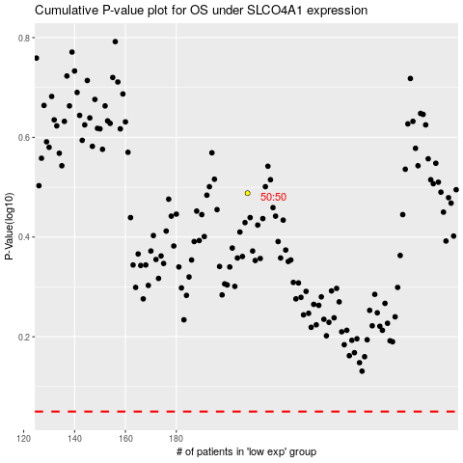

 |  |  |  |  |  | cases_OS | p_OS | rank | exp
 |  |  |  |  |  |  | cases_RFS | p_RFS | rank | exp

