SLCO6A1 _multivariate
Reported by Tex Li-Hsing Chi. tex@gate.sinica.edu.tw 2019-08-15

Table 2. The clinicopathological features of HNSCC cohort and SLCO6A1 expression. (Chi square test)
Cutoff at -0.328 (49.8%)
 |  | SLCO6A1 expression |  | SLCO6A1 expression |  | (Optimised)
 | Features | Low | (%) | High | (%) | Case no | P-value | Remark | Matthews
Gender | Female | 158 | 38.1 | 148 | 35.7 | 415 | 0.2774 | 0 | 0
2 | Male | 49 | 11.8 | 60 | 14.5
Age at diagnosis | <=65y | 143 | 34.5 | 131 | 31.6 | 415 | 0.2269 | 0 | 0
4 | >65y | 64 | 15.4 | 77 | 18.6
Clinical T Status | T1+T2 | 76 | 18.3 | 73 | 17.6 | 415 | 0.8092 | 0 | 0
6 | T3+T4 | 131 | 31.6 | 135 | 32.5
Clinical N Status | N0 | 105 | 25.3 | 111 | 26.7 | 415 | 0.6598 | 0 | 0
8 | N1-3 | 102 | 24.6 | 97 | 23.4
Clinical M Status | M0 | 206 | 49.6 | 206 | 49.6 | 415 | 1 | 0 | 0
10 | M1 | 1 | 0.2 | 2 | 0.5
Clinical Stage | Stage I+II | 55 | 13.3 | 47 | 11.3 | 415 | 0.4087 | 0 | 0
12 | Stage III+IV | 152 | 36.6 | 161 | 38.8
Surgical Margin status | Negative | 160 | 38.6 | 158 | 38.1 | 415 | 0.8167 | 0 | 0
14 | Positive | 47 | 11.3 | 50 | 12
Tobacco Exposure | Low | 75 | 18.1 | 86 | 20.7 | 415 | 0.3141 | 0 | 0
16 | High | 132 | 31.8 | 122 | 29.4

Table 3. Univariate/Multivariate Cox's proportional hazards regression analyses on OS time of SLCO6A1 gene expression in HNSCC

 |  | Univariate |  |  |  | Multivariate
 | Features | HR | CI95%(L) | CI95%(H) | P-value | HR | CI95%(L) | CI95%(H) | P-value
1 | Female | 1 |  |  |  | 1
Gender | Male | 1.157 | 0.843 | 1.587 | 0.367 | 1.211 | 0.867 | 1.691 | 0.262
11 | <=65y | 1 |  |  |  | 1
Age at diagnosis | >65y | 1.329 | 0.99 | 1.784 | 0.058 | 1.401 | 1.03 | 1.905 | 0.031
12 | T1+T2 | 1 |  |  |  | 1
Clinical T Status | T3+T4 | 1.409 | 1.028 | 1.931 | 0.033 | 2.189 | 1.158 | 4.138 | 0.016
13 | N0 | 1 |  |  |  | 1
Clinical N Status | N1-3 | 1.185 | 0.89 | 1.577 | 0.246 | 1.235 | 0.865 | 1.763 | 0.246
14 | M0 | 1 |  |  |  | 1
Clinical M Status | M1 | 4.097 | 1.009 | 16.644 | 0.049 | 9.781 | 2.13 | 44.913 | 0.003
15 | Stage I+II | 1 |  |  |  | 1
Clinical Stage | Stage III+IV | 1.245 | 0.882 | 1.759 | 0.213 | 0.515 | 0.24 | 1.107 | 0.089
16 | Negative | 1 |  |  |  | 1
Surgical Margin status | Positive | 1.591 | 1.155 | 2.191 | 0.004 | 1.683 | 1.218 | 2.325 | 0.002
17 | Low | 1 |  |  |  | 1
Tobacco Exposure | High | 1.364 | 1.008 | 1.844 | 0.044 | 1.43 | 1.038 | 1.972 | 0.029
18 | Low | 1 |  |  |  | 1
RNAseq(z-score) | High | 0.886 | 0.665 | 1.182 | 0.411 | 0.864 | 0.645 | 1.157 | 0.326

Table 4. Univariate/Multivariate Cox's proportional hazards regression analyses on RFS time of SLCO6A1 gene expression in HNSCC

 |  | Univariate |  |  |  | Multivariate
 | Features | HR | CI95%(L) | CI95%(H) | P-value | HR | CI95%(L) | CI95%(H) | P-value
1 | Female | 1 |  |  |  | 1
Gender | Male | 1.157 | 0.843 | 1.587 | 0.367 | 1.211 | 0.867 | 1.691 | 0.262
11 | <=65y | 1 |  |  |  | 1
Age at diagnosis | >65y | 1.329 | 0.99 | 1.784 | 0.058 | 1.401 | 1.03 | 1.905 | 0.031
12 | T1+T2 | 1 |  |  |  | 1
Clinical T Status | T3+T4 | 1.409 | 1.028 | 1.931 | 0.033 | 2.189 | 1.158 | 4.138 | 0.016
13 | N0 | 1 |  |  |  | 1
Clinical N Status | N1-3 | 1.185 | 0.89 | 1.577 | 0.246 | 1.235 | 0.865 | 1.763 | 0.246
14 | M0 | 1 |  |  |  | 1
Clinical M Status | M1 | 4.097 | 1.009 | 16.644 | 0.049 | 9.781 | 2.13 | 44.913 | 0.003
15 | Stage I+II | 1 |  |  |  | 1
Clinical Stage | Stage III+IV | 1.245 | 0.882 | 1.759 | 0.213 | 0.515 | 0.24 | 1.107 | 0.089
16 | Negative | 1 |  |  |  | 1
Surgical Margin status | Positive | 1.591 | 1.155 | 2.191 | 0.004 | 1.683 | 1.218 | 2.325 | 0.002
17 | Low | 1 |  |  |  | 1
Tobacco Exposure | High | 1.364 | 1.008 | 1.844 | 0.044 | 1.43 | 1.038 | 1.972 | 0.029
18 | Low | 1 |  |  |  | 1
RNAseq(z-score) | High | 0.886 | 0.665 | 1.182 | 0.411 | 0.864 | 0.645 | 1.157 | 0.326

Kaplan-Meier survival estimate: Cutoff at -0.328 (49.8%)



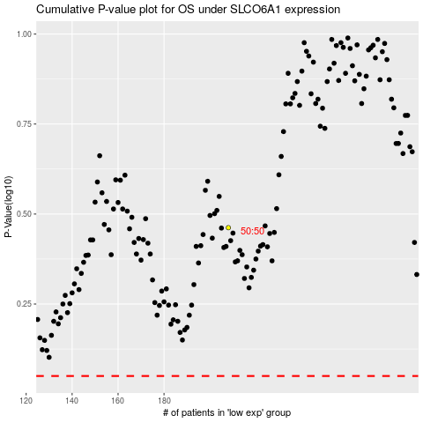

 |  |  |  |  |  | cases_OS | p_OS | rank | exp
 |  |  |  |  |  |  | cases_RFS | p_RFS | rank | exp

