SLED1 _multivariate
Reported by Tex Li-Hsing Chi. tex@gate.sinica.edu.tw 2019-08-15

Table 2. The clinicopathological features of HNSCC cohort and SLED1 expression. (Chi square test)
Cutoff at -0.289 (50.0%)
 |  | SLED1 expression |  | SLED1 expression |  | (Optimised)
 | Features | Low | (%) | High | (%) | Case no | P-value | Remark | Matthews
Gender | Female | 155 | 37.3 | 151 | 36.4 | 415 | 0.6768 | 0 | 0
2 | Male | 52 | 12.5 | 57 | 13.7
Age at diagnosis | <=65y | 142 | 34.2 | 132 | 31.8 | 415 | 0.3167 | 0 | 0
4 | >65y | 65 | 15.7 | 76 | 18.3
Clinical T Status | T1+T2 | 88 | 21.2 | 61 | 14.7 | 415 | 0.007 | 1 | 0
6 | T3+T4 | 119 | 28.7 | 147 | 35.4
Clinical N Status | N0 | 106 | 25.5 | 110 | 26.5 | 415 | 0.8075 | 0 | 0
8 | N1-3 | 101 | 24.3 | 98 | 23.6
Clinical M Status | M0 | 205 | 49.4 | 207 | 49.9 | 415 | 0.6232 | 0 | 0
10 | M1 | 2 | 0.5 | 1 | 0.2
Clinical Stage | Stage I+II | 63 | 15.2 | 39 | 9.4 | 415 | 0.008 | 1 | 0
12 | Stage III+IV | 144 | 34.7 | 169 | 40.7
Surgical Margin status | Negative | 165 | 39.8 | 153 | 36.9 | 415 | 0.1639 | 0 | 0
14 | Positive | 42 | 10.1 | 55 | 13.3
Tobacco Exposure | Low | 82 | 19.8 | 79 | 19 | 415 | 0.763 | 0 | 0
16 | High | 125 | 30.1 | 129 | 31.1

Table 3. Univariate/Multivariate Cox's proportional hazards regression analyses on OS time of SLED1 gene expression in HNSCC

 |  | Univariate |  |  |  | Multivariate
 | Features | HR | CI95%(L) | CI95%(H) | P-value | HR | CI95%(L) | CI95%(H) | P-value
1 | Female | 1 |  |  |  | 1
Gender | Male | 1.157 | 0.843 | 1.587 | 0.367 | 1.213 | 0.868 | 1.695 | 0.258
11 | <=65y | 1 |  |  |  | 1
Age at diagnosis | >65y | 1.329 | 0.99 | 1.784 | 0.058 | 1.421 | 1.044 | 1.935 | 0.026
12 | T1+T2 | 1 |  |  |  | 1
Clinical T Status | T3+T4 | 1.409 | 1.028 | 1.931 | 0.033 | 2.24 | 1.184 | 4.239 | 0.013
13 | N0 | 1 |  |  |  | 1
Clinical N Status | N1-3 | 1.185 | 0.89 | 1.577 | 0.246 | 1.215 | 0.85 | 1.736 | 0.285
14 | M0 | 1 |  |  |  | 1
Clinical M Status | M1 | 4.097 | 1.009 | 16.644 | 0.049 | 9.405 | 2.051 | 43.129 | 0.004
15 | Stage I+II | 1 |  |  |  | 1
Clinical Stage | Stage III+IV | 1.245 | 0.882 | 1.759 | 0.213 | 0.521 | 0.242 | 1.121 | 0.095
16 | Negative | 1 |  |  |  | 1
Surgical Margin status | Positive | 1.591 | 1.155 | 2.191 | 0.004 | 1.707 | 1.233 | 2.363 | 0.001
17 | Low | 1 |  |  |  | 1
Tobacco Exposure | High | 1.364 | 1.008 | 1.844 | 0.044 | 1.458 | 1.059 | 2.008 | 0.021
18 | Low | 1 |  |  |  | 1
RNAseq(z-score) | High | 0.94 | 0.705 | 1.254 | 0.675 | 0.837 | 0.621 | 1.129 | 0.244

Table 4. Univariate/Multivariate Cox's proportional hazards regression analyses on RFS time of SLED1 gene expression in HNSCC

 |  | Univariate |  |  |  | Multivariate
 | Features | HR | CI95%(L) | CI95%(H) | P-value | HR | CI95%(L) | CI95%(H) | P-value
1 | Female | 1 |  |  |  | 1
Gender | Male | 1.157 | 0.843 | 1.587 | 0.367 | 1.213 | 0.868 | 1.695 | 0.258
11 | <=65y | 1 |  |  |  | 1
Age at diagnosis | >65y | 1.329 | 0.99 | 1.784 | 0.058 | 1.421 | 1.044 | 1.935 | 0.026
12 | T1+T2 | 1 |  |  |  | 1
Clinical T Status | T3+T4 | 1.409 | 1.028 | 1.931 | 0.033 | 2.24 | 1.184 | 4.239 | 0.013
13 | N0 | 1 |  |  |  | 1
Clinical N Status | N1-3 | 1.185 | 0.89 | 1.577 | 0.246 | 1.215 | 0.85 | 1.736 | 0.285
14 | M0 | 1 |  |  |  | 1
Clinical M Status | M1 | 4.097 | 1.009 | 16.644 | 0.049 | 9.405 | 2.051 | 43.129 | 0.004
15 | Stage I+II | 1 |  |  |  | 1
Clinical Stage | Stage III+IV | 1.245 | 0.882 | 1.759 | 0.213 | 0.521 | 0.242 | 1.121 | 0.095
16 | Negative | 1 |  |  |  | 1
Surgical Margin status | Positive | 1.591 | 1.155 | 2.191 | 0.004 | 1.707 | 1.233 | 2.363 | 0.001
17 | Low | 1 |  |  |  | 1
Tobacco Exposure | High | 1.364 | 1.008 | 1.844 | 0.044 | 1.458 | 1.059 | 2.008 | 0.021
18 | Low | 1 |  |  |  | 1
RNAseq(z-score) | High | 0.94 | 0.705 | 1.254 | 0.675 | 0.837 | 0.621 | 1.129 | 0.244

Kaplan-Meier survival estimate: Cutoff at -0.289 (50.0%)



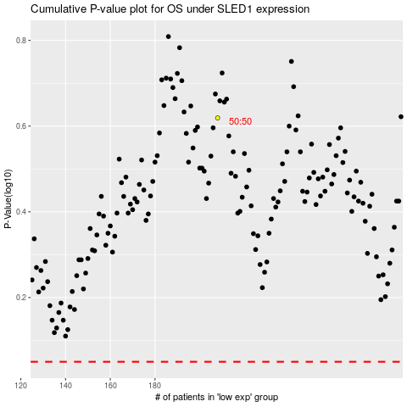

 |  |  |  |  |  | cases_OS | p_OS | rank | exp
 |  |  |  |  |  |  | cases_RFS | p_RFS | rank | exp

