SLFN11 _multivariate
Reported by Tex Li-Hsing Chi. tex@gate.sinica.edu.tw 2019-08-15

Table 2. The clinicopathological features of HNSCC cohort and SLFN11 expression. (Chi square test)
Cutoff at -0.219 (49.8%)
 |  | SLFN11 expression |  | SLFN11 expression |  | (Optimised)
 | Features | Low | (%) | High | (%) | Case no | P-value | Remark | Matthews
Gender | Female | 153 | 36.9 | 153 | 36.9 | 415 | 1 | 0 | 0
2 | Male | 54 | 13 | 55 | 13.3
Age at diagnosis | <=65y | 136 | 32.8 | 138 | 33.3 | 415 | 0.9719 | 0 | 0
4 | >65y | 71 | 17.1 | 70 | 16.9
Clinical T Status | T1+T2 | 66 | 15.9 | 83 | 20 | 415 | 0.1095 | 0 | 0
6 | T3+T4 | 141 | 34 | 125 | 30.1
Clinical N Status | N0 | 123 | 29.6 | 93 | 22.4 | 415 | 0.0037 | 1 | 0
8 | N1-3 | 84 | 20.2 | 115 | 27.7
Clinical M Status | M0 | 206 | 49.6 | 206 | 49.6 | 415 | 1 | 0 | 0
10 | M1 | 1 | 0.2 | 2 | 0.5
Clinical Stage | Stage I+II | 49 | 11.8 | 53 | 12.8 | 415 | 0.7535 | 0 | 0
12 | Stage III+IV | 158 | 38.1 | 155 | 37.3
Surgical Margin status | Negative | 161 | 38.8 | 157 | 37.8 | 415 | 0.6429 | 0 | 0
14 | Positive | 46 | 11.1 | 51 | 12.3
Tobacco Exposure | Low | 87 | 21 | 74 | 17.8 | 415 | 0.1911 | 0 | 0
16 | High | 120 | 28.9 | 134 | 32.3

Table 3. Univariate/Multivariate Cox's proportional hazards regression analyses on OS time of SLFN11 gene expression in HNSCC

 |  | Univariate |  |  |  | Multivariate
 | Features | HR | CI95%(L) | CI95%(H) | P-value | HR | CI95%(L) | CI95%(H) | P-value
1 | Female | 1 |  |  |  | 1
Gender | Male | 1.157 | 0.843 | 1.587 | 0.367 | 1.2 | 0.859 | 1.676 | 0.285
11 | <=65y | 1 |  |  |  | 1
Age at diagnosis | >65y | 1.329 | 0.99 | 1.784 | 0.058 | 1.387 | 1.02 | 1.887 | 0.037
12 | T1+T2 | 1 |  |  |  | 1
Clinical T Status | T3+T4 | 1.409 | 1.028 | 1.931 | 0.033 | 2.208 | 1.168 | 4.175 | 0.015
13 | N0 | 1 |  |  |  | 1
Clinical N Status | N1-3 | 1.185 | 0.89 | 1.577 | 0.246 | 1.229 | 0.858 | 1.761 | 0.261
14 | M0 | 1 |  |  |  | 1
Clinical M Status | M1 | 4.097 | 1.009 | 16.644 | 0.049 | 9.397 | 2.05 | 43.071 | 0.004
15 | Stage I+II | 1 |  |  |  | 1
Clinical Stage | Stage III+IV | 1.245 | 0.882 | 1.759 | 0.213 | 0.51 | 0.237 | 1.097 | 0.085
16 | Negative | 1 |  |  |  | 1
Surgical Margin status | Positive | 1.591 | 1.155 | 2.191 | 0.004 | 1.671 | 1.209 | 2.309 | 0.002
17 | Low | 1 |  |  |  | 1
Tobacco Exposure | High | 1.364 | 1.008 | 1.844 | 0.044 | 1.447 | 1.05 | 1.995 | 0.024
18 | Low | 1 |  |  |  | 1
RNAseq(z-score) | High | 1.066 | 0.8 | 1.42 | 0.663 | 1.054 | 0.786 | 1.413 | 0.727

Table 4. Univariate/Multivariate Cox's proportional hazards regression analyses on RFS time of SLFN11 gene expression in HNSCC

 |  | Univariate |  |  |  | Multivariate
 | Features | HR | CI95%(L) | CI95%(H) | P-value | HR | CI95%(L) | CI95%(H) | P-value
1 | Female | 1 |  |  |  | 1
Gender | Male | 1.157 | 0.843 | 1.587 | 0.367 | 1.2 | 0.859 | 1.676 | 0.285
11 | <=65y | 1 |  |  |  | 1
Age at diagnosis | >65y | 1.329 | 0.99 | 1.784 | 0.058 | 1.387 | 1.02 | 1.887 | 0.037
12 | T1+T2 | 1 |  |  |  | 1
Clinical T Status | T3+T4 | 1.409 | 1.028 | 1.931 | 0.033 | 2.208 | 1.168 | 4.175 | 0.015
13 | N0 | 1 |  |  |  | 1
Clinical N Status | N1-3 | 1.185 | 0.89 | 1.577 | 0.246 | 1.229 | 0.858 | 1.761 | 0.261
14 | M0 | 1 |  |  |  | 1
Clinical M Status | M1 | 4.097 | 1.009 | 16.644 | 0.049 | 9.397 | 2.05 | 43.071 | 0.004
15 | Stage I+II | 1 |  |  |  | 1
Clinical Stage | Stage III+IV | 1.245 | 0.882 | 1.759 | 0.213 | 0.51 | 0.237 | 1.097 | 0.085
16 | Negative | 1 |  |  |  | 1
Surgical Margin status | Positive | 1.591 | 1.155 | 2.191 | 0.004 | 1.671 | 1.209 | 2.309 | 0.002
17 | Low | 1 |  |  |  | 1
Tobacco Exposure | High | 1.364 | 1.008 | 1.844 | 0.044 | 1.447 | 1.05 | 1.995 | 0.024
18 | Low | 1 |  |  |  | 1
RNAseq(z-score) | High | 1.066 | 0.8 | 1.42 | 0.663 | 1.054 | 0.786 | 1.413 | 0.727

Kaplan-Meier survival estimate: Cutoff at -0.219 (49.8%)



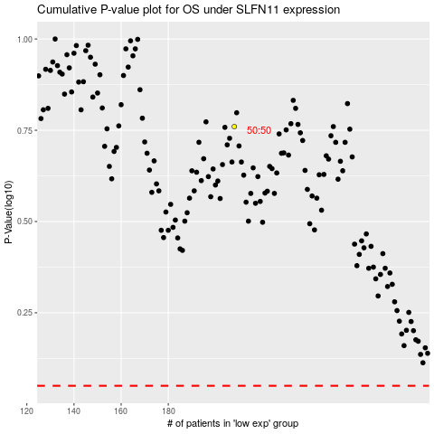

 |  |  |  |  |  | cases_OS | p_OS | rank | exp
 |  |  |  |  |  |  | cases_RFS | p_RFS | rank | exp

