SLFN12 _multivariate
Reported by Tex Li-Hsing Chi. tex@gate.sinica.edu.tw 2019-08-15

Table 2. The clinicopathological features of HNSCC cohort and SLFN12 expression. (Chi square test)
Cutoff at -0.083 (49.8%)
 |  | SLFN12 expression |  | SLFN12 expression |  | (Optimised)
 | Features | Low | (%) | High | (%) | Case no | P-value | Remark | Matthews
Gender | Female | 166 | 40 | 140 | 33.7 | 415 | 0.0041 | 1 | 0
2 | Male | 41 | 9.9 | 68 | 16.4
Age at diagnosis | <=65y | 145 | 34.9 | 129 | 31.1 | 415 | 0.1046 | 0 | 0
4 | >65y | 62 | 14.9 | 79 | 19
Clinical T Status | T1+T2 | 63 | 15.2 | 86 | 20.7 | 415 | 0.0268 | 1 | 0
6 | T3+T4 | 144 | 34.7 | 122 | 29.4
Clinical N Status | N0 | 102 | 24.6 | 114 | 27.5 | 415 | 0.3031 | 0 | 0
8 | N1-3 | 105 | 25.3 | 94 | 22.7
Clinical M Status | M0 | 206 | 49.6 | 206 | 49.6 | 415 | 1 | 0 | 0
10 | M1 | 1 | 0.2 | 2 | 0.5
Clinical Stage | Stage I+II | 37 | 8.9 | 65 | 15.7 | 415 | 0.0023 | 1 | 0
12 | Stage III+IV | 170 | 41 | 143 | 34.5
Surgical Margin status | Negative | 163 | 39.3 | 155 | 37.3 | 415 | 0.3537 | 0 | 0
14 | Positive | 44 | 10.6 | 53 | 12.8
Tobacco Exposure | Low | 76 | 18.3 | 85 | 20.5 | 415 | 0.4207 | 0 | 0
16 | High | 131 | 31.6 | 123 | 29.6

Table 3. Univariate/Multivariate Cox's proportional hazards regression analyses on OS time of SLFN12 gene expression in HNSCC

 |  | Univariate |  |  |  | Multivariate
 | Features | HR | CI95%(L) | CI95%(H) | P-value | HR | CI95%(L) | CI95%(H) | P-value
1 | Female | 1 |  |  |  | 1
Gender | Male | 1.157 | 0.843 | 1.587 | 0.367 | 1.19 | 0.851 | 1.664 | 0.31
11 | <=65y | 1 |  |  |  | 1
Age at diagnosis | >65y | 1.329 | 0.99 | 1.784 | 0.058 | 1.389 | 1.022 | 1.889 | 0.036
12 | T1+T2 | 1 |  |  |  | 1
Clinical T Status | T3+T4 | 1.409 | 1.028 | 1.931 | 0.033 | 2.189 | 1.158 | 4.139 | 0.016
13 | N0 | 1 |  |  |  | 1
Clinical N Status | N1-3 | 1.185 | 0.89 | 1.577 | 0.246 | 1.238 | 0.868 | 1.766 | 0.239
14 | M0 | 1 |  |  |  | 1
Clinical M Status | M1 | 4.097 | 1.009 | 16.644 | 0.049 | 9.18 | 1.999 | 42.149 | 0.004
15 | Stage I+II | 1 |  |  |  | 1
Clinical Stage | Stage III+IV | 1.245 | 0.882 | 1.759 | 0.213 | 0.52 | 0.241 | 1.121 | 0.095
16 | Negative | 1 |  |  |  | 1
Surgical Margin status | Positive | 1.591 | 1.155 | 2.191 | 0.004 | 1.662 | 1.203 | 2.298 | 0.002
17 | Low | 1 |  |  |  | 1
Tobacco Exposure | High | 1.364 | 1.008 | 1.844 | 0.044 | 1.461 | 1.06 | 2.014 | 0.021
18 | Low | 1 |  |  |  | 1
RNAseq(z-score) | High | 1.098 | 0.825 | 1.463 | 0.52 | 1.103 | 0.821 | 1.483 | 0.515

Table 4. Univariate/Multivariate Cox's proportional hazards regression analyses on RFS time of SLFN12 gene expression in HNSCC

 |  | Univariate |  |  |  | Multivariate
 | Features | HR | CI95%(L) | CI95%(H) | P-value | HR | CI95%(L) | CI95%(H) | P-value
1 | Female | 1 |  |  |  | 1
Gender | Male | 1.157 | 0.843 | 1.587 | 0.367 | 1.19 | 0.851 | 1.664 | 0.31
11 | <=65y | 1 |  |  |  | 1
Age at diagnosis | >65y | 1.329 | 0.99 | 1.784 | 0.058 | 1.389 | 1.022 | 1.889 | 0.036
12 | T1+T2 | 1 |  |  |  | 1
Clinical T Status | T3+T4 | 1.409 | 1.028 | 1.931 | 0.033 | 2.189 | 1.158 | 4.139 | 0.016
13 | N0 | 1 |  |  |  | 1
Clinical N Status | N1-3 | 1.185 | 0.89 | 1.577 | 0.246 | 1.238 | 0.868 | 1.766 | 0.239
14 | M0 | 1 |  |  |  | 1
Clinical M Status | M1 | 4.097 | 1.009 | 16.644 | 0.049 | 9.18 | 1.999 | 42.149 | 0.004
15 | Stage I+II | 1 |  |  |  | 1
Clinical Stage | Stage III+IV | 1.245 | 0.882 | 1.759 | 0.213 | 0.52 | 0.241 | 1.121 | 0.095
16 | Negative | 1 |  |  |  | 1
Surgical Margin status | Positive | 1.591 | 1.155 | 2.191 | 0.004 | 1.662 | 1.203 | 2.298 | 0.002
17 | Low | 1 |  |  |  | 1
Tobacco Exposure | High | 1.364 | 1.008 | 1.844 | 0.044 | 1.461 | 1.06 | 2.014 | 0.021
18 | Low | 1 |  |  |  | 1
RNAseq(z-score) | High | 1.098 | 0.825 | 1.463 | 0.52 | 1.103 | 0.821 | 1.483 | 0.515

Kaplan-Meier survival estimate: Cutoff at -0.083 (49.8%)



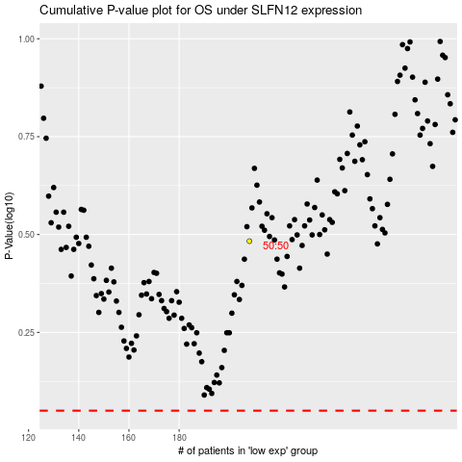

 |  |  |  |  |  | cases_OS | p_OS | rank | exp
 |  |  |  |  |  |  | cases_RFS | p_RFS | rank | exp

