SLFN12L _multivariate
Reported by Tex Li-Hsing Chi. tex@gate.sinica.edu.tw 2019-08-15

Table 2. The clinicopathological features of HNSCC cohort and SLFN12L expression. (Chi square test)
Cutoff at 0.098 (69.6%)
 |  | SLFN12L expression |  | SLFN12L expression |  | (Optimised)
 | Features | Low | (%) | High | (%) | Case no | P-value | Remark | Matthews
Gender | Female | 220 | 53 | 86 | 20.7 | 415 | 0.1202 | 0 | 0
2 | Male | 69 | 16.6 | 40 | 9.6
Age at diagnosis | <=65y | 205 | 49.4 | 69 | 16.6 | 415 | 0.002 | 1 | 0
4 | >65y | 84 | 20.2 | 57 | 13.7
Clinical T Status | T1+T2 | 96 | 23.1 | 53 | 12.8 | 415 | 0.1061 | 0 | 0
6 | T3+T4 | 193 | 46.5 | 73 | 17.6
Clinical N Status | N0 | 155 | 37.3 | 61 | 14.7 | 415 | 0.3832 | 0 | 0
8 | N1-3 | 134 | 32.3 | 65 | 15.7
Clinical M Status | M0 | 287 | 69.2 | 125 | 30.1 | 415 | 1 | 0 | 0
10 | M1 | 2 | 0.5 | 1 | 0.2
Clinical Stage | Stage I+II | 68 | 16.4 | 34 | 8.2 | 415 | 0.5302 | 0 | 0
12 | Stage III+IV | 221 | 53.3 | 92 | 22.2
Surgical Margin status | Negative | 216 | 52 | 102 | 24.6 | 415 | 0.207 | 0 | 0
14 | Positive | 73 | 17.6 | 24 | 5.8
Tobacco Exposure | Low | 105 | 25.3 | 56 | 13.5 | 415 | 0.1262 | 0 | 0
16 | High | 184 | 44.3 | 70 | 16.9

Table 3. Univariate/Multivariate Cox's proportional hazards regression analyses on OS time of SLFN12L gene expression in HNSCC

 |  | Univariate |  |  |  | Multivariate
 | Features | HR | CI95%(L) | CI95%(H) | P-value | HR | CI95%(L) | CI95%(H) | P-value
1 | Female | 1 |  |  |  | 1
Gender | Male | 1.157 | 0.843 | 1.587 | 0.367 | 1.217 | 0.87 | 1.703 | 0.251
11 | <=65y | 1 |  |  |  | 1
Age at diagnosis | >65y | 1.329 | 0.99 | 1.784 | 0.058 | 1.442 | 1.058 | 1.963 | 0.02
12 | T1+T2 | 1 |  |  |  | 1
Clinical T Status | T3+T4 | 1.409 | 1.028 | 1.931 | 0.033 | 2.131 | 1.126 | 4.032 | 0.02
13 | N0 | 1 |  |  |  | 1
Clinical N Status | N1-3 | 1.185 | 0.89 | 1.577 | 0.246 | 1.27 | 0.89 | 1.814 | 0.188
14 | M0 | 1 |  |  |  | 1
Clinical M Status | M1 | 4.097 | 1.009 | 16.644 | 0.049 | 9.511 | 2.074 | 43.604 | 0.004
15 | Stage I+II | 1 |  |  |  | 1
Clinical Stage | Stage III+IV | 1.245 | 0.882 | 1.759 | 0.213 | 0.495 | 0.231 | 1.061 | 0.071
16 | Negative | 1 |  |  |  | 1
Surgical Margin status | Positive | 1.591 | 1.155 | 2.191 | 0.004 | 1.633 | 1.181 | 2.26 | 0.003
17 | Low | 1 |  |  |  | 1
Tobacco Exposure | High | 1.364 | 1.008 | 1.844 | 0.044 | 1.398 | 1.012 | 1.933 | 0.042
18 | Low | 1 |  |  |  | 1
RNAseq(z-score) | High | 0.702 | 0.507 | 0.971 | 0.033 | 0.714 | 0.511 | 0.998 | 0.049

Table 4. Univariate/Multivariate Cox's proportional hazards regression analyses on RFS time of SLFN12L gene expression in HNSCC

 |  | Univariate |  |  |  | Multivariate
 | Features | HR | CI95%(L) | CI95%(H) | P-value | HR | CI95%(L) | CI95%(H) | P-value
1 | Female | 1 |  |  |  | 1
Gender | Male | 1.157 | 0.843 | 1.587 | 0.367 | 1.217 | 0.87 | 1.703 | 0.251
11 | <=65y | 1 |  |  |  | 1
Age at diagnosis | >65y | 1.329 | 0.99 | 1.784 | 0.058 | 1.442 | 1.058 | 1.963 | 0.02
12 | T1+T2 | 1 |  |  |  | 1
Clinical T Status | T3+T4 | 1.409 | 1.028 | 1.931 | 0.033 | 2.131 | 1.126 | 4.032 | 0.02
13 | N0 | 1 |  |  |  | 1
Clinical N Status | N1-3 | 1.185 | 0.89 | 1.577 | 0.246 | 1.27 | 0.89 | 1.814 | 0.188
14 | M0 | 1 |  |  |  | 1
Clinical M Status | M1 | 4.097 | 1.009 | 16.644 | 0.049 | 9.511 | 2.074 | 43.604 | 0.004
15 | Stage I+II | 1 |  |  |  | 1
Clinical Stage | Stage III+IV | 1.245 | 0.882 | 1.759 | 0.213 | 0.495 | 0.231 | 1.061 | 0.071
16 | Negative | 1 |  |  |  | 1
Surgical Margin status | Positive | 1.591 | 1.155 | 2.191 | 0.004 | 1.633 | 1.181 | 2.26 | 0.003
17 | Low | 1 |  |  |  | 1
Tobacco Exposure | High | 1.364 | 1.008 | 1.844 | 0.044 | 1.398 | 1.012 | 1.933 | 0.042
18 | Low | 1 |  |  |  | 1
RNAseq(z-score) | High | 0.702 | 0.507 | 0.971 | 0.033 | 0.714 | 0.511 | 0.998 | 0.049

Kaplan-Meier survival estimate: Cutoff at 0.098 (69.6%)



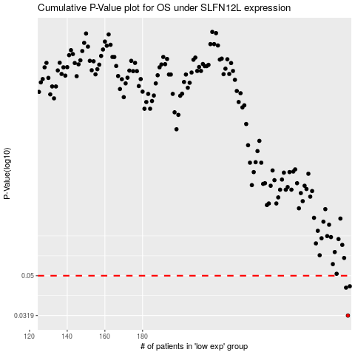

 |  |  |  |  |  | cases_OS | p_OS | rank | exp
 |  |  |  |  |  | 289 | 0.0319 | 110 | 0.09812931343
 |  |  |  |  |  | 288 | 0.0437 | 308 | 0.09750451571
 |  |  |  |  |  | 290 | 0.0444 | 316 | 0.09990904027
 |  |  |  |  |  |  | cases_RFS | p_RFS | rank | exp
 |  |  |  |  |  |  | 288 | 0.0319 | 308 | 0.09750451571
 |  |  |  |  |  |  | 287 | 0.0437 | 210 | 0.089098146381
 |  |  |  |  |  |  | 289 | 0.0444 | 110 | 0.09812931343

