SLFN5 _multivariate
Reported by Tex Li-Hsing Chi. tex@gate.sinica.edu.tw 2019-08-15

Table 2. The clinicopathological features of HNSCC cohort and SLFN5 expression. (Chi square test)
Cutoff at -0.167 (50.0%)
 |  | SLFN5 expression |  | SLFN5 expression |  | (Optimised)
 | Features | Low | (%) | High | (%) | Case no | P-value | Remark | Matthews
Gender | Female | 160 | 38.6 | 146 | 35.2 | 415 | 0.1254 | 0 | 0
2 | Male | 47 | 11.3 | 62 | 14.9
Age at diagnosis | <=65y | 142 | 34.2 | 132 | 31.8 | 415 | 0.3167 | 0 | 0
4 | >65y | 65 | 15.7 | 76 | 18.3
Clinical T Status | T1+T2 | 69 | 16.6 | 80 | 19.3 | 415 | 0.3239 | 0 | 0
6 | T3+T4 | 138 | 33.3 | 128 | 30.8
Clinical N Status | N0 | 109 | 26.3 | 107 | 25.8 | 415 | 0.8812 | 0 | 0
8 | N1-3 | 98 | 23.6 | 101 | 24.3
Clinical M Status | M0 | 205 | 49.4 | 207 | 49.9 | 415 | 0.6232 | 0 | 0
10 | M1 | 2 | 0.5 | 1 | 0.2
Clinical Stage | Stage I+II | 48 | 11.6 | 54 | 13 | 415 | 0.5878 | 0 | 0
12 | Stage III+IV | 159 | 38.3 | 154 | 37.1
Surgical Margin status | Negative | 156 | 37.6 | 162 | 39 | 415 | 0.5636 | 0 | 0
14 | Positive | 51 | 12.3 | 46 | 11.1
Tobacco Exposure | Low | 74 | 17.8 | 87 | 21 | 415 | 0.227 | 0 | 0
16 | High | 133 | 32 | 121 | 29.2

Table 3. Univariate/Multivariate Cox's proportional hazards regression analyses on OS time of SLFN5 gene expression in HNSCC

 |  | Univariate |  |  |  | Multivariate
 | Features | HR | CI95%(L) | CI95%(H) | P-value | HR | CI95%(L) | CI95%(H) | P-value
1 | Female | 1 |  |  |  | 1
Gender | Male | 1.157 | 0.843 | 1.587 | 0.367 | 1.202 | 0.861 | 1.68 | 0.28
11 | <=65y | 1 |  |  |  | 1
Age at diagnosis | >65y | 1.329 | 0.99 | 1.784 | 0.058 | 1.393 | 1.024 | 1.893 | 0.035
12 | T1+T2 | 1 |  |  |  | 1
Clinical T Status | T3+T4 | 1.409 | 1.028 | 1.931 | 0.033 | 2.184 | 1.154 | 4.134 | 0.016
13 | N0 | 1 |  |  |  | 1
Clinical N Status | N1-3 | 1.185 | 0.89 | 1.577 | 0.246 | 1.238 | 0.868 | 1.767 | 0.239
14 | M0 | 1 |  |  |  | 1
Clinical M Status | M1 | 4.097 | 1.009 | 16.644 | 0.049 | 9.162 | 1.991 | 42.171 | 0.004
15 | Stage I+II | 1 |  |  |  | 1
Clinical Stage | Stage III+IV | 1.245 | 0.882 | 1.759 | 0.213 | 0.506 | 0.236 | 1.086 | 0.08
16 | Negative | 1 |  |  |  | 1
Surgical Margin status | Positive | 1.591 | 1.155 | 2.191 | 0.004 | 1.664 | 1.204 | 2.301 | 0.002
17 | Low | 1 |  |  |  | 1
Tobacco Exposure | High | 1.364 | 1.008 | 1.844 | 0.044 | 1.448 | 1.051 | 1.996 | 0.024
18 | Low | 1 |  |  |  | 1
RNAseq(z-score) | High | 0.859 | 0.645 | 1.145 | 0.3 | 0.933 | 0.698 | 1.246 | 0.637

Table 4. Univariate/Multivariate Cox's proportional hazards regression analyses on RFS time of SLFN5 gene expression in HNSCC

 |  | Univariate |  |  |  | Multivariate
 | Features | HR | CI95%(L) | CI95%(H) | P-value | HR | CI95%(L) | CI95%(H) | P-value
1 | Female | 1 |  |  |  | 1
Gender | Male | 1.157 | 0.843 | 1.587 | 0.367 | 1.202 | 0.861 | 1.68 | 0.28
11 | <=65y | 1 |  |  |  | 1
Age at diagnosis | >65y | 1.329 | 0.99 | 1.784 | 0.058 | 1.393 | 1.024 | 1.893 | 0.035
12 | T1+T2 | 1 |  |  |  | 1
Clinical T Status | T3+T4 | 1.409 | 1.028 | 1.931 | 0.033 | 2.184 | 1.154 | 4.134 | 0.016
13 | N0 | 1 |  |  |  | 1
Clinical N Status | N1-3 | 1.185 | 0.89 | 1.577 | 0.246 | 1.238 | 0.868 | 1.767 | 0.239
14 | M0 | 1 |  |  |  | 1
Clinical M Status | M1 | 4.097 | 1.009 | 16.644 | 0.049 | 9.162 | 1.991 | 42.171 | 0.004
15 | Stage I+II | 1 |  |  |  | 1
Clinical Stage | Stage III+IV | 1.245 | 0.882 | 1.759 | 0.213 | 0.506 | 0.236 | 1.086 | 0.08
16 | Negative | 1 |  |  |  | 1
Surgical Margin status | Positive | 1.591 | 1.155 | 2.191 | 0.004 | 1.664 | 1.204 | 2.301 | 0.002
17 | Low | 1 |  |  |  | 1
Tobacco Exposure | High | 1.364 | 1.008 | 1.844 | 0.044 | 1.448 | 1.051 | 1.996 | 0.024
18 | Low | 1 |  |  |  | 1
RNAseq(z-score) | High | 0.859 | 0.645 | 1.145 | 0.3 | 0.933 | 0.698 | 1.246 | 0.637

Kaplan-Meier survival estimate: Cutoff at -0.167 (50.0%)



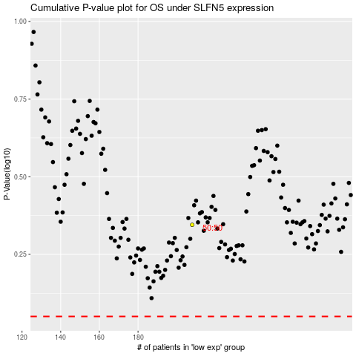

 |  |  |  |  |  | cases_OS | p_OS | rank | exp
 |  |  |  |  |  |  | cases_RFS | p_RFS | rank | exp

