SLIT2 _multivariate
Reported by Tex Li-Hsing Chi. tex@gate.sinica.edu.tw 2019-08-15

Table 2. The clinicopathological features of HNSCC cohort and SLIT2 expression. (Chi square test)
Cutoff at -0.249 (49.8%)
 |  | SLIT2 expression |  | SLIT2 expression |  | (Optimised)
 | Features | Low | (%) | High | (%) | Case no | P-value | Remark | Matthews
Gender | Female | 152 | 36.6 | 154 | 37.1 | 415 | 0.9766 | 0 | 0
2 | Male | 55 | 13.3 | 54 | 13
Age at diagnosis | <=65y | 136 | 32.8 | 138 | 33.3 | 415 | 0.9719 | 0 | 0
4 | >65y | 71 | 17.1 | 70 | 16.9
Clinical T Status | T1+T2 | 80 | 19.3 | 69 | 16.6 | 415 | 0.2891 | 0 | 0
6 | T3+T4 | 127 | 30.6 | 139 | 33.5
Clinical N Status | N0 | 106 | 25.5 | 110 | 26.5 | 415 | 0.8075 | 0 | 0
8 | N1-3 | 101 | 24.3 | 98 | 23.6
Clinical M Status | M0 | 204 | 49.2 | 208 | 50.1 | 415 | 0.1232 | 0 | 0
10 | M1 | 3 | 0.7 | 0 | 0
Clinical Stage | Stage I+II | 56 | 13.5 | 46 | 11.1 | 415 | 0.2918 | 0 | 0
12 | Stage III+IV | 151 | 36.4 | 162 | 39
Surgical Margin status | Negative | 158 | 38.1 | 160 | 38.6 | 415 | 0.9081 | 0 | 0
14 | Positive | 49 | 11.8 | 48 | 11.6
Tobacco Exposure | Low | 93 | 22.4 | 68 | 16.4 | 415 | 0.0118 | 1 | 0
16 | High | 114 | 27.5 | 140 | 33.7

Table 3. Univariate/Multivariate Cox's proportional hazards regression analyses on OS time of SLIT2 gene expression in HNSCC

 |  | Univariate |  |  |  | Multivariate
 | Features | HR | CI95%(L) | CI95%(H) | P-value | HR | CI95%(L) | CI95%(H) | P-value
1 | Female | 1 |  |  |  | 1
Gender | Male | 1.157 | 0.843 | 1.587 | 0.367 | 1.211 | 0.867 | 1.691 | 0.26
11 | <=65y | 1 |  |  |  | 1
Age at diagnosis | >65y | 1.329 | 0.99 | 1.784 | 0.058 | 1.401 | 1.03 | 1.904 | 0.032
12 | T1+T2 | 1 |  |  |  | 1
Clinical T Status | T3+T4 | 1.409 | 1.028 | 1.931 | 0.033 | 2.234 | 1.181 | 4.224 | 0.013
13 | N0 | 1 |  |  |  | 1
Clinical N Status | N1-3 | 1.185 | 0.89 | 1.577 | 0.246 | 1.263 | 0.884 | 1.805 | 0.2
14 | M0 | 1 |  |  |  | 1
Clinical M Status | M1 | 4.097 | 1.009 | 16.644 | 0.049 | 10.293 | 2.221 | 47.708 | 0.003
15 | Stage I+II | 1 |  |  |  | 1
Clinical Stage | Stage III+IV | 1.245 | 0.882 | 1.759 | 0.213 | 0.486 | 0.226 | 1.047 | 0.066
16 | Negative | 1 |  |  |  | 1
Surgical Margin status | Positive | 1.591 | 1.155 | 2.191 | 0.004 | 1.675 | 1.212 | 2.314 | 0.002
17 | Low | 1 |  |  |  | 1
Tobacco Exposure | High | 1.364 | 1.008 | 1.844 | 0.044 | 1.442 | 1.047 | 1.987 | 0.025
18 | Low | 1 |  |  |  | 1
RNAseq(z-score) | High | 1.124 | 0.842 | 1.499 | 0.428 | 1.161 | 0.864 | 1.559 | 0.322

Table 4. Univariate/Multivariate Cox's proportional hazards regression analyses on RFS time of SLIT2 gene expression in HNSCC

 |  | Univariate |  |  |  | Multivariate
 | Features | HR | CI95%(L) | CI95%(H) | P-value | HR | CI95%(L) | CI95%(H) | P-value
1 | Female | 1 |  |  |  | 1
Gender | Male | 1.157 | 0.843 | 1.587 | 0.367 | 1.211 | 0.867 | 1.691 | 0.26
11 | <=65y | 1 |  |  |  | 1
Age at diagnosis | >65y | 1.329 | 0.99 | 1.784 | 0.058 | 1.401 | 1.03 | 1.904 | 0.032
12 | T1+T2 | 1 |  |  |  | 1
Clinical T Status | T3+T4 | 1.409 | 1.028 | 1.931 | 0.033 | 2.234 | 1.181 | 4.224 | 0.013
13 | N0 | 1 |  |  |  | 1
Clinical N Status | N1-3 | 1.185 | 0.89 | 1.577 | 0.246 | 1.263 | 0.884 | 1.805 | 0.2
14 | M0 | 1 |  |  |  | 1
Clinical M Status | M1 | 4.097 | 1.009 | 16.644 | 0.049 | 10.293 | 2.221 | 47.708 | 0.003
15 | Stage I+II | 1 |  |  |  | 1
Clinical Stage | Stage III+IV | 1.245 | 0.882 | 1.759 | 0.213 | 0.486 | 0.226 | 1.047 | 0.066
16 | Negative | 1 |  |  |  | 1
Surgical Margin status | Positive | 1.591 | 1.155 | 2.191 | 0.004 | 1.675 | 1.212 | 2.314 | 0.002
17 | Low | 1 |  |  |  | 1
Tobacco Exposure | High | 1.364 | 1.008 | 1.844 | 0.044 | 1.442 | 1.047 | 1.987 | 0.025
18 | Low | 1 |  |  |  | 1
RNAseq(z-score) | High | 1.124 | 0.842 | 1.499 | 0.428 | 1.161 | 0.864 | 1.559 | 0.322

Kaplan-Meier survival estimate: Cutoff at -0.249 (49.8%)



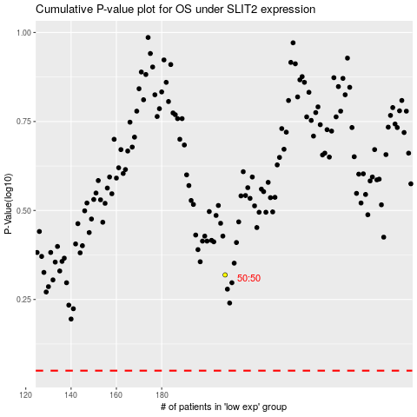

 |  |  |  |  |  | cases_OS | p_OS | rank | exp
 |  |  |  |  |  |  | cases_RFS | p_RFS | rank | exp

