SLITRK2 _multivariate
Reported by Tex Li-Hsing Chi. tex@gate.sinica.edu.tw 2019-08-15

Table 2. The clinicopathological features of HNSCC cohort and SLITRK2 expression. (Chi square test)
Cutoff at -0.122 (49.8%)
 |  | SLITRK2 expression |  | SLITRK2 expression |  | (Optimised)
 | Features | Low | (%) | High | (%) | Case no | P-value | Remark | Matthews
Gender | Female | 157 | 37.8 | 149 | 35.9 | 415 | 0.3881 | 0 | 0
2 | Male | 50 | 12 | 59 | 14.2
Age at diagnosis | <=65y | 136 | 32.8 | 138 | 33.3 | 415 | 0.9719 | 0 | 0
4 | >65y | 71 | 17.1 | 70 | 16.9
Clinical T Status | T1+T2 | 73 | 17.6 | 76 | 18.3 | 415 | 0.8666 | 0 | 0
6 | T3+T4 | 134 | 32.3 | 132 | 31.8
Clinical N Status | N0 | 105 | 25.3 | 111 | 26.7 | 415 | 0.6598 | 0 | 0
8 | N1-3 | 102 | 24.6 | 97 | 23.4
Clinical M Status | M0 | 204 | 49.2 | 208 | 50.1 | 415 | 0.1232 | 0 | 0
10 | M1 | 3 | 0.7 | 0 | 0
Clinical Stage | Stage I+II | 38 | 9.2 | 64 | 15.4 | 415 | 0.0048 | 1 | 0
12 | Stage III+IV | 169 | 40.7 | 144 | 34.7
Surgical Margin status | Negative | 162 | 39 | 156 | 37.6 | 415 | 0.4867 | 0 | 0
14 | Positive | 45 | 10.8 | 52 | 12.5
Tobacco Exposure | Low | 81 | 19.5 | 80 | 19.3 | 415 | 0.9199 | 0 | 0
16 | High | 126 | 30.4 | 128 | 30.8

Table 3. Univariate/Multivariate Cox's proportional hazards regression analyses on OS time of SLITRK2 gene expression in HNSCC

 |  | Univariate |  |  |  | Multivariate
 | Features | HR | CI95%(L) | CI95%(H) | P-value | HR | CI95%(L) | CI95%(H) | P-value
1 | Female | 1 |  |  |  | 1
Gender | Male | 1.157 | 0.843 | 1.587 | 0.367 | 1.202 | 0.861 | 1.68 | 0.28
11 | <=65y | 1 |  |  |  | 1
Age at diagnosis | >65y | 1.329 | 0.99 | 1.784 | 0.058 | 1.391 | 1.024 | 1.891 | 0.035
12 | T1+T2 | 1 |  |  |  | 1
Clinical T Status | T3+T4 | 1.409 | 1.028 | 1.931 | 0.033 | 2.217 | 1.165 | 4.218 | 0.015
13 | N0 | 1 |  |  |  | 1
Clinical N Status | N1-3 | 1.185 | 0.89 | 1.577 | 0.246 | 1.245 | 0.87 | 1.781 | 0.231
14 | M0 | 1 |  |  |  | 1
Clinical M Status | M1 | 4.097 | 1.009 | 16.644 | 0.049 | 9.362 | 2.039 | 42.977 | 0.004
15 | Stage I+II | 1 |  |  |  | 1
Clinical Stage | Stage III+IV | 1.245 | 0.882 | 1.759 | 0.213 | 0.498 | 0.227 | 1.091 | 0.082
16 | Negative | 1 |  |  |  | 1
Surgical Margin status | Positive | 1.591 | 1.155 | 2.191 | 0.004 | 1.675 | 1.211 | 2.316 | 0.002
17 | Low | 1 |  |  |  | 1
Tobacco Exposure | High | 1.364 | 1.008 | 1.844 | 0.044 | 1.454 | 1.055 | 2.004 | 0.022
18 | Low | 1 |  |  |  | 1
RNAseq(z-score) | High | 1.026 | 0.771 | 1.367 | 0.859 | 0.979 | 0.726 | 1.32 | 0.89

Table 4. Univariate/Multivariate Cox's proportional hazards regression analyses on RFS time of SLITRK2 gene expression in HNSCC

 |  | Univariate |  |  |  | Multivariate
 | Features | HR | CI95%(L) | CI95%(H) | P-value | HR | CI95%(L) | CI95%(H) | P-value
1 | Female | 1 |  |  |  | 1
Gender | Male | 1.157 | 0.843 | 1.587 | 0.367 | 1.202 | 0.861 | 1.68 | 0.28
11 | <=65y | 1 |  |  |  | 1
Age at diagnosis | >65y | 1.329 | 0.99 | 1.784 | 0.058 | 1.391 | 1.024 | 1.891 | 0.035
12 | T1+T2 | 1 |  |  |  | 1
Clinical T Status | T3+T4 | 1.409 | 1.028 | 1.931 | 0.033 | 2.217 | 1.165 | 4.218 | 0.015
13 | N0 | 1 |  |  |  | 1
Clinical N Status | N1-3 | 1.185 | 0.89 | 1.577 | 0.246 | 1.245 | 0.87 | 1.781 | 0.231
14 | M0 | 1 |  |  |  | 1
Clinical M Status | M1 | 4.097 | 1.009 | 16.644 | 0.049 | 9.362 | 2.039 | 42.977 | 0.004
15 | Stage I+II | 1 |  |  |  | 1
Clinical Stage | Stage III+IV | 1.245 | 0.882 | 1.759 | 0.213 | 0.498 | 0.227 | 1.091 | 0.082
16 | Negative | 1 |  |  |  | 1
Surgical Margin status | Positive | 1.591 | 1.155 | 2.191 | 0.004 | 1.675 | 1.211 | 2.316 | 0.002
17 | Low | 1 |  |  |  | 1
Tobacco Exposure | High | 1.364 | 1.008 | 1.844 | 0.044 | 1.454 | 1.055 | 2.004 | 0.022
18 | Low | 1 |  |  |  | 1
RNAseq(z-score) | High | 1.026 | 0.771 | 1.367 | 0.859 | 0.979 | 0.726 | 1.32 | 0.89

Kaplan-Meier survival estimate: Cutoff at -0.122 (49.8%)



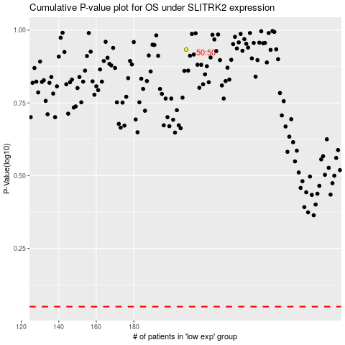

 |  |  |  |  |  | cases_OS | p_OS | rank | exp
 |  |  |  |  |  |  | cases_RFS | p_RFS | rank | exp

