SLITRK5 _multivariate
Reported by Tex Li-Hsing Chi. tex@gate.sinica.edu.tw 2019-08-15

Table 2. The clinicopathological features of HNSCC cohort and SLITRK5 expression. (Chi square test)
Cutoff at -0.293 (51.2%)
 |  | SLITRK5 expression |  | SLITRK5 expression |  | (Optimised)
 | Features | Low | (%) | High | (%) | Case no | P-value | Remark | Matthews
Gender | Female | 150 | 36.1 | 156 | 37.6 | 415 | 0.1435 | 0 | 0
2 | Male | 63 | 15.2 | 46 | 11.1
Age at diagnosis | <=65y | 134 | 32.3 | 140 | 33.7 | 415 | 0.2036 | 0 | 0
4 | >65y | 79 | 19 | 62 | 14.9
Clinical T Status | T1+T2 | 63 | 15.2 | 86 | 20.7 | 415 | 0.0079 | 1 | 0
6 | T3+T4 | 150 | 36.1 | 116 | 28
Clinical N Status | N0 | 103 | 24.8 | 113 | 27.2 | 415 | 0.1478 | 0 | 0
8 | N1-3 | 110 | 26.5 | 89 | 21.4
Clinical M Status | M0 | 210 | 50.6 | 202 | 48.7 | 415 | 0.2487 | 0 | 0
10 | M1 | 3 | 0.7 | 0 | 0
Clinical Stage | Stage I+II | 43 | 10.4 | 59 | 14.2 | 415 | 0.0435 | 1 | 0
12 | Stage III+IV | 170 | 41 | 143 | 34.5
Surgical Margin status | Negative | 159 | 38.3 | 159 | 38.3 | 415 | 0.3544 | 0 | 0
14 | Positive | 54 | 13 | 43 | 10.4
Tobacco Exposure | Low | 94 | 22.7 | 67 | 16.1 | 415 | 0.0265 | 1 | 0
16 | High | 119 | 28.7 | 135 | 32.5

Table 3. Univariate/Multivariate Cox's proportional hazards regression analyses on OS time of SLITRK5 gene expression in HNSCC

 |  | Univariate |  |  |  | Multivariate
 | Features | HR | CI95%(L) | CI95%(H) | P-value | HR | CI95%(L) | CI95%(H) | P-value
1 | Female | 1 |  |  |  | 1
Gender | Male | 1.157 | 0.843 | 1.587 | 0.367 | 1.195 | 0.856 | 1.669 | 0.296
11 | <=65y | 1 |  |  |  | 1
Age at diagnosis | >65y | 1.329 | 0.99 | 1.784 | 0.058 | 1.374 | 1.011 | 1.867 | 0.042
12 | T1+T2 | 1 |  |  |  | 1
Clinical T Status | T3+T4 | 1.409 | 1.028 | 1.931 | 0.033 | 2.12 | 1.12 | 4.014 | 0.021
13 | N0 | 1 |  |  |  | 1
Clinical N Status | N1-3 | 1.185 | 0.89 | 1.577 | 0.246 | 1.233 | 0.865 | 1.759 | 0.247
14 | M0 | 1 |  |  |  | 1
Clinical M Status | M1 | 4.097 | 1.009 | 16.644 | 0.049 | 8.137 | 1.76 | 37.624 | 0.007
15 | Stage I+II | 1 |  |  |  | 1
Clinical Stage | Stage III+IV | 1.245 | 0.882 | 1.759 | 0.213 | 0.515 | 0.24 | 1.107 | 0.089
16 | Negative | 1 |  |  |  | 1
Surgical Margin status | Positive | 1.591 | 1.155 | 2.191 | 0.004 | 1.658 | 1.2 | 2.291 | 0.002
17 | Low | 1 |  |  |  | 1
Tobacco Exposure | High | 1.364 | 1.008 | 1.844 | 0.044 | 1.492 | 1.081 | 2.059 | 0.015
18 | Low | 1 |  |  |  | 1
RNAseq(z-score) | High | 0.745 | 0.558 | 0.994 | 0.045 | 0.78 | 0.581 | 1.046 | 0.097

Table 4. Univariate/Multivariate Cox's proportional hazards regression analyses on RFS time of SLITRK5 gene expression in HNSCC

 |  | Univariate |  |  |  | Multivariate
 | Features | HR | CI95%(L) | CI95%(H) | P-value | HR | CI95%(L) | CI95%(H) | P-value
1 | Female | 1 |  |  |  | 1
Gender | Male | 1.157 | 0.843 | 1.587 | 0.367 | 1.195 | 0.856 | 1.669 | 0.296
11 | <=65y | 1 |  |  |  | 1
Age at diagnosis | >65y | 1.329 | 0.99 | 1.784 | 0.058 | 1.374 | 1.011 | 1.867 | 0.042
12 | T1+T2 | 1 |  |  |  | 1
Clinical T Status | T3+T4 | 1.409 | 1.028 | 1.931 | 0.033 | 2.12 | 1.12 | 4.014 | 0.021
13 | N0 | 1 |  |  |  | 1
Clinical N Status | N1-3 | 1.185 | 0.89 | 1.577 | 0.246 | 1.233 | 0.865 | 1.759 | 0.247
14 | M0 | 1 |  |  |  | 1
Clinical M Status | M1 | 4.097 | 1.009 | 16.644 | 0.049 | 8.137 | 1.76 | 37.624 | 0.007
15 | Stage I+II | 1 |  |  |  | 1
Clinical Stage | Stage III+IV | 1.245 | 0.882 | 1.759 | 0.213 | 0.515 | 0.24 | 1.107 | 0.089
16 | Negative | 1 |  |  |  | 1
Surgical Margin status | Positive | 1.591 | 1.155 | 2.191 | 0.004 | 1.658 | 1.2 | 2.291 | 0.002
17 | Low | 1 |  |  |  | 1
Tobacco Exposure | High | 1.364 | 1.008 | 1.844 | 0.044 | 1.492 | 1.081 | 2.059 | 0.015
18 | Low | 1 |  |  |  | 1
RNAseq(z-score) | High | 0.745 | 0.558 | 0.994 | 0.045 | 0.78 | 0.581 | 1.046 | 0.097

Kaplan-Meier survival estimate: Cutoff at -0.293 (51.2%)



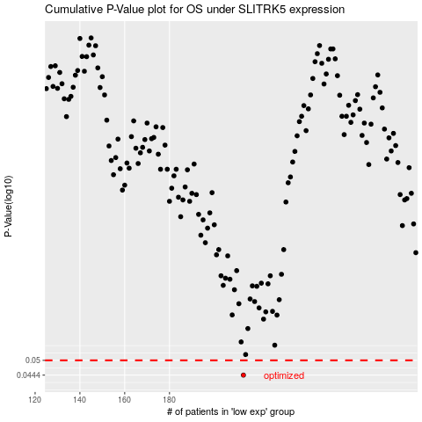

 |  |  |  |  |  | cases_OS | p_OS | rank | exp
 |  |  |  |  |  | 213 | 0.0444 | 157 | -0.29263817701
 |  |  |  |  |  |  | cases_RFS | p_RFS | rank | exp
 |  |  |  |  |  |  | 212 | 0.0444 | 227 | -0.29265462519

