SLMO1 _multivariate
Reported by Tex Li-Hsing Chi. tex@gate.sinica.edu.tw 2019-08-15

Table 2. The clinicopathological features of HNSCC cohort and SLMO1 expression. (Chi square test)
Cutoff at 0.304 (69.8%)
 |  | SLMO1 expression |  | SLMO1 expression |  | (Optimised)
 | Features | Low | (%) | High | (%) | Case no | P-value | Remark | Matthews
Gender | Female | 207 | 49.9 | 99 | 23.9 | 415 | 0.1237 | 0 | 0
2 | Male | 83 | 20 | 26 | 6.3
Age at diagnosis | <=65y | 189 | 45.5 | 85 | 20.5 | 415 | 0.6563 | 0 | 0
4 | >65y | 101 | 24.3 | 40 | 9.6
Clinical T Status | T1+T2 | 110 | 26.5 | 39 | 9.4 | 415 | 0.2302 | 0 | 0
6 | T3+T4 | 180 | 43.4 | 86 | 20.7
Clinical N Status | N0 | 155 | 37.3 | 61 | 14.7 | 415 | 0.4458 | 0 | 0
8 | N1-3 | 135 | 32.5 | 64 | 15.4
Clinical M Status | M0 | 288 | 69.4 | 124 | 29.9 | 415 | 1 | 0 | 0
10 | M1 | 2 | 0.5 | 1 | 0.2
Clinical Stage | Stage I+II | 76 | 18.3 | 26 | 6.3 | 415 | 0.294 | 0 | 0
12 | Stage III+IV | 214 | 51.6 | 99 | 23.9
Surgical Margin status | Negative | 224 | 54 | 94 | 22.7 | 415 | 0.7047 | 0 | 0
14 | Positive | 66 | 15.9 | 31 | 7.5
Tobacco Exposure | Low | 120 | 28.9 | 41 | 9.9 | 415 | 0.1241 | 0 | 0
16 | High | 170 | 41 | 84 | 20.2

Table 3. Univariate/Multivariate Cox's proportional hazards regression analyses on OS time of SLMO1 gene expression in HNSCC

 |  | Univariate |  |  |  | Multivariate
 | Features | HR | CI95%(L) | CI95%(H) | P-value | HR | CI95%(L) | CI95%(H) | P-value
1 | Female | 1 |  |  |  | 1
Gender | Male | 1.157 | 0.843 | 1.587 | 0.367 | 1.177 | 0.843 | 1.644 | 0.339
11 | <=65y | 1 |  |  |  | 1
Age at diagnosis | >65y | 1.329 | 0.99 | 1.784 | 0.058 | 1.399 | 1.029 | 1.903 | 0.032
12 | T1+T2 | 1 |  |  |  | 1
Clinical T Status | T3+T4 | 1.409 | 1.028 | 1.931 | 0.033 | 2.28 | 1.204 | 4.318 | 0.011
13 | N0 | 1 |  |  |  | 1
Clinical N Status | N1-3 | 1.185 | 0.89 | 1.577 | 0.246 | 1.273 | 0.893 | 1.815 | 0.183
14 | M0 | 1 |  |  |  | 1
Clinical M Status | M1 | 4.097 | 1.009 | 16.644 | 0.049 | 9.181 | 2.001 | 42.13 | 0.004
15 | Stage I+II | 1 |  |  |  | 1
Clinical Stage | Stage III+IV | 1.245 | 0.882 | 1.759 | 0.213 | 0.499 | 0.233 | 1.072 | 0.075
16 | Negative | 1 |  |  |  | 1
Surgical Margin status | Positive | 1.591 | 1.155 | 2.191 | 0.004 | 1.713 | 1.238 | 2.37 | 0.001
17 | Low | 1 |  |  |  | 1
Tobacco Exposure | High | 1.364 | 1.008 | 1.844 | 0.044 | 1.491 | 1.081 | 2.056 | 0.015
18 | Low | 1 |  |  |  | 1
RNAseq(z-score) | High | 0.711 | 0.506 | 1 | 0.05 | 0.656 | 0.465 | 0.927 | 0.017

Table 4. Univariate/Multivariate Cox's proportional hazards regression analyses on RFS time of SLMO1 gene expression in HNSCC

 |  | Univariate |  |  |  | Multivariate
 | Features | HR | CI95%(L) | CI95%(H) | P-value | HR | CI95%(L) | CI95%(H) | P-value
1 | Female | 1 |  |  |  | 1
Gender | Male | 1.157 | 0.843 | 1.587 | 0.367 | 1.177 | 0.843 | 1.644 | 0.339
11 | <=65y | 1 |  |  |  | 1
Age at diagnosis | >65y | 1.329 | 0.99 | 1.784 | 0.058 | 1.399 | 1.029 | 1.903 | 0.032
12 | T1+T2 | 1 |  |  |  | 1
Clinical T Status | T3+T4 | 1.409 | 1.028 | 1.931 | 0.033 | 2.28 | 1.204 | 4.318 | 0.011
13 | N0 | 1 |  |  |  | 1
Clinical N Status | N1-3 | 1.185 | 0.89 | 1.577 | 0.246 | 1.273 | 0.893 | 1.815 | 0.183
14 | M0 | 1 |  |  |  | 1
Clinical M Status | M1 | 4.097 | 1.009 | 16.644 | 0.049 | 9.181 | 2.001 | 42.13 | 0.004
15 | Stage I+II | 1 |  |  |  | 1
Clinical Stage | Stage III+IV | 1.245 | 0.882 | 1.759 | 0.213 | 0.499 | 0.233 | 1.072 | 0.075
16 | Negative | 1 |  |  |  | 1
Surgical Margin status | Positive | 1.591 | 1.155 | 2.191 | 0.004 | 1.713 | 1.238 | 2.37 | 0.001
17 | Low | 1 |  |  |  | 1
Tobacco Exposure | High | 1.364 | 1.008 | 1.844 | 0.044 | 1.491 | 1.081 | 2.056 | 0.015
18 | Low | 1 |  |  |  | 1
RNAseq(z-score) | High | 0.711 | 0.506 | 1 | 0.05 | 0.656 | 0.465 | 0.927 | 0.017

Kaplan-Meier survival estimate: Cutoff at 0.304 (69.8%)



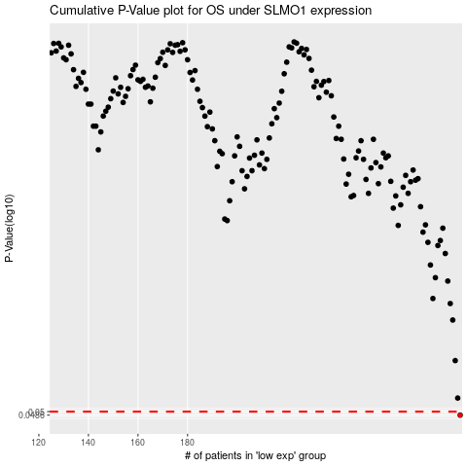

 |  |  |  |  |  | cases_OS | p_OS | rank | exp
 |  |  |  |  |  | 290 | 0.0486 | 407 | 0.30379751374
 |  |  |  |  |  |  | cases_RFS | p_RFS | rank | exp
 |  |  |  |  |  |  | 289 | 0.0486 | 401 | 0.29976897377

