SLMO2 _multivariate
Reported by Tex Li-Hsing Chi. tex@gate.sinica.edu.tw 2019-08-15

Table 2. The clinicopathological features of HNSCC cohort and SLMO2 expression. (Chi square test)
Cutoff at -0.179 (50.0%)
 |  | SLMO2 expression |  | SLMO2 expression |  | (Optimised)
 | Features | Low | (%) | High | (%) | Case no | P-value | Remark | Matthews
Gender | Female | 150 | 36.1 | 156 | 37.6 | 415 | 0.6344 | 0 | 0
2 | Male | 57 | 13.7 | 52 | 12.5
Age at diagnosis | <=65y | 137 | 33 | 137 | 33 | 415 | 1 | 0 | 0
4 | >65y | 70 | 16.9 | 71 | 17.1
Clinical T Status | T1+T2 | 78 | 18.8 | 71 | 17.1 | 415 | 0.5152 | 0 | 0
6 | T3+T4 | 129 | 31.1 | 137 | 33
Clinical N Status | N0 | 117 | 28.2 | 99 | 23.9 | 415 | 0.0852 | 1 | 0
8 | N1-3 | 90 | 21.7 | 109 | 26.3
Clinical M Status | M0 | 206 | 49.6 | 206 | 49.6 | 415 | 1 | 0 | 0
10 | M1 | 1 | 0.2 | 2 | 0.5
Clinical Stage | Stage I+II | 54 | 13 | 48 | 11.6 | 415 | 0.5498 | 0 | 0
12 | Stage III+IV | 153 | 36.9 | 160 | 38.6
Surgical Margin status | Negative | 158 | 38.1 | 160 | 38.6 | 415 | 0.9081 | 0 | 0
14 | Positive | 49 | 11.8 | 48 | 11.6
Tobacco Exposure | Low | 86 | 20.7 | 75 | 18.1 | 415 | 0.2687 | 0 | 0
16 | High | 121 | 29.2 | 133 | 32

Table 3. Univariate/Multivariate Cox's proportional hazards regression analyses on OS time of SLMO2 gene expression in HNSCC

 |  | Univariate |  |  |  | Multivariate
 | Features | HR | CI95%(L) | CI95%(H) | P-value | HR | CI95%(L) | CI95%(H) | P-value
1 | Female | 1 |  |  |  | 1
Gender | Male | 1.157 | 0.843 | 1.587 | 0.367 | 1.196 | 0.856 | 1.672 | 0.294
11 | <=65y | 1 |  |  |  | 1
Age at diagnosis | >65y | 1.329 | 0.99 | 1.784 | 0.058 | 1.388 | 1.021 | 1.886 | 0.036
12 | T1+T2 | 1 |  |  |  | 1
Clinical T Status | T3+T4 | 1.409 | 1.028 | 1.931 | 0.033 | 2.216 | 1.172 | 4.193 | 0.014
13 | N0 | 1 |  |  |  | 1
Clinical N Status | N1-3 | 1.185 | 0.89 | 1.577 | 0.246 | 1.232 | 0.862 | 1.759 | 0.252
14 | M0 | 1 |  |  |  | 1
Clinical M Status | M1 | 4.097 | 1.009 | 16.644 | 0.049 | 9.383 | 2.047 | 43.013 | 0.004
15 | Stage I+II | 1 |  |  |  | 1
Clinical Stage | Stage III+IV | 1.245 | 0.882 | 1.759 | 0.213 | 0.502 | 0.234 | 1.079 | 0.077
16 | Negative | 1 |  |  |  | 1
Surgical Margin status | Positive | 1.591 | 1.155 | 2.191 | 0.004 | 1.677 | 1.213 | 2.317 | 0.002
17 | Low | 1 |  |  |  | 1
Tobacco Exposure | High | 1.364 | 1.008 | 1.844 | 0.044 | 1.445 | 1.049 | 1.992 | 0.024
18 | Low | 1 |  |  |  | 1
RNAseq(z-score) | High | 1.112 | 0.834 | 1.483 | 0.469 | 1.082 | 0.81 | 1.446 | 0.593

Table 4. Univariate/Multivariate Cox's proportional hazards regression analyses on RFS time of SLMO2 gene expression in HNSCC

 |  | Univariate |  |  |  | Multivariate
 | Features | HR | CI95%(L) | CI95%(H) | P-value | HR | CI95%(L) | CI95%(H) | P-value
1 | Female | 1 |  |  |  | 1
Gender | Male | 1.157 | 0.843 | 1.587 | 0.367 | 1.196 | 0.856 | 1.672 | 0.294
11 | <=65y | 1 |  |  |  | 1
Age at diagnosis | >65y | 1.329 | 0.99 | 1.784 | 0.058 | 1.388 | 1.021 | 1.886 | 0.036
12 | T1+T2 | 1 |  |  |  | 1
Clinical T Status | T3+T4 | 1.409 | 1.028 | 1.931 | 0.033 | 2.216 | 1.172 | 4.193 | 0.014
13 | N0 | 1 |  |  |  | 1
Clinical N Status | N1-3 | 1.185 | 0.89 | 1.577 | 0.246 | 1.232 | 0.862 | 1.759 | 0.252
14 | M0 | 1 |  |  |  | 1
Clinical M Status | M1 | 4.097 | 1.009 | 16.644 | 0.049 | 9.383 | 2.047 | 43.013 | 0.004
15 | Stage I+II | 1 |  |  |  | 1
Clinical Stage | Stage III+IV | 1.245 | 0.882 | 1.759 | 0.213 | 0.502 | 0.234 | 1.079 | 0.077
16 | Negative | 1 |  |  |  | 1
Surgical Margin status | Positive | 1.591 | 1.155 | 2.191 | 0.004 | 1.677 | 1.213 | 2.317 | 0.002
17 | Low | 1 |  |  |  | 1
Tobacco Exposure | High | 1.364 | 1.008 | 1.844 | 0.044 | 1.445 | 1.049 | 1.992 | 0.024
18 | Low | 1 |  |  |  | 1
RNAseq(z-score) | High | 1.112 | 0.834 | 1.483 | 0.469 | 1.082 | 0.81 | 1.446 | 0.593

Kaplan-Meier survival estimate: Cutoff at -0.179 (50.0%)



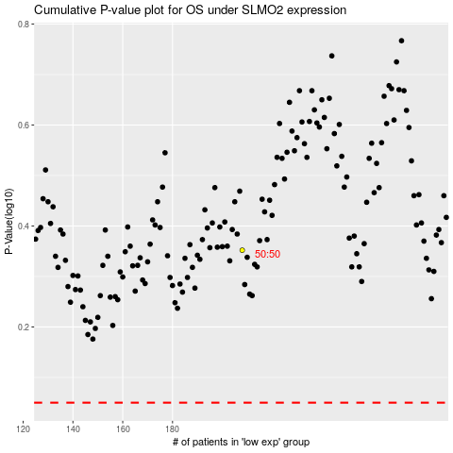

 |  |  |  |  |  | cases_OS | p_OS | rank | exp
 |  |  |  |  |  |  | cases_RFS | p_RFS | rank | exp

