SMAD1 _multivariate
Reported by Tex Li-Hsing Chi. tex@gate.sinica.edu.tw 2019-08-15

Table 2. The clinicopathological features of HNSCC cohort and SMAD1 expression. (Chi square test)
Cutoff at -0.123 (49.8%)
 |  | SMAD1 expression |  | SMAD1 expression |  | (Optimised)
 | Features | Low | (%) | High | (%) | Case no | P-value | Remark | Matthews
Gender | Female | 153 | 36.9 | 153 | 36.9 | 415 | 1 | 0 | 0
2 | Male | 54 | 13 | 55 | 13.3
Age at diagnosis | <=65y | 131 | 31.6 | 143 | 34.5 | 415 | 0.2839 | 0 | 0
4 | >65y | 76 | 18.3 | 65 | 15.7
Clinical T Status | T1+T2 | 68 | 16.4 | 81 | 19.5 | 415 | 0.2336 | 0 | 0
6 | T3+T4 | 139 | 33.5 | 127 | 30.6
Clinical N Status | N0 | 102 | 24.6 | 114 | 27.5 | 415 | 0.3031 | 0 | 0
8 | N1-3 | 105 | 25.3 | 94 | 22.7
Clinical M Status | M0 | 205 | 49.4 | 207 | 49.9 | 415 | 0.6232 | 0 | 0
10 | M1 | 2 | 0.5 | 1 | 0.2
Clinical Stage | Stage I+II | 46 | 11.1 | 56 | 13.5 | 415 | 0.3182 | 0 | 0
12 | Stage III+IV | 161 | 38.8 | 152 | 36.6
Surgical Margin status | Negative | 158 | 38.1 | 160 | 38.6 | 415 | 0.9081 | 0 | 0
14 | Positive | 49 | 11.8 | 48 | 11.6
Tobacco Exposure | Low | 90 | 21.7 | 71 | 17.1 | 415 | 0.0559 | 0 | 0
16 | High | 117 | 28.2 | 137 | 33

Table 3. Univariate/Multivariate Cox's proportional hazards regression analyses on OS time of SMAD1 gene expression in HNSCC

 |  | Univariate |  |  |  | Multivariate
 | Features | HR | CI95%(L) | CI95%(H) | P-value | HR | CI95%(L) | CI95%(H) | P-value
1 | Female | 1 |  |  |  | 1
Gender | Male | 1.157 | 0.843 | 1.587 | 0.367 | 1.203 | 0.861 | 1.68 | 0.279
11 | <=65y | 1 |  |  |  | 1
Age at diagnosis | >65y | 1.329 | 0.99 | 1.784 | 0.058 | 1.379 | 1.015 | 1.875 | 0.04
12 | T1+T2 | 1 |  |  |  | 1
Clinical T Status | T3+T4 | 1.409 | 1.028 | 1.931 | 0.033 | 2.157 | 1.139 | 4.084 | 0.018
13 | N0 | 1 |  |  |  | 1
Clinical N Status | N1-3 | 1.185 | 0.89 | 1.577 | 0.246 | 1.221 | 0.854 | 1.744 | 0.274
14 | M0 | 1 |  |  |  | 1
Clinical M Status | M1 | 4.097 | 1.009 | 16.644 | 0.049 | 8.905 | 1.935 | 40.989 | 0.005
15 | Stage I+II | 1 |  |  |  | 1
Clinical Stage | Stage III+IV | 1.245 | 0.882 | 1.759 | 0.213 | 0.516 | 0.24 | 1.11 | 0.091
16 | Negative | 1 |  |  |  | 1
Surgical Margin status | Positive | 1.591 | 1.155 | 2.191 | 0.004 | 1.659 | 1.2 | 2.292 | 0.002
17 | Low | 1 |  |  |  | 1
Tobacco Exposure | High | 1.364 | 1.008 | 1.844 | 0.044 | 1.473 | 1.069 | 2.03 | 0.018
18 | Low | 1 |  |  |  | 1
RNAseq(z-score) | High | 0.834 | 0.625 | 1.111 | 0.215 | 0.87 | 0.649 | 1.165 | 0.348

Table 4. Univariate/Multivariate Cox's proportional hazards regression analyses on RFS time of SMAD1 gene expression in HNSCC

 |  | Univariate |  |  |  | Multivariate
 | Features | HR | CI95%(L) | CI95%(H) | P-value | HR | CI95%(L) | CI95%(H) | P-value
1 | Female | 1 |  |  |  | 1
Gender | Male | 1.157 | 0.843 | 1.587 | 0.367 | 1.203 | 0.861 | 1.68 | 0.279
11 | <=65y | 1 |  |  |  | 1
Age at diagnosis | >65y | 1.329 | 0.99 | 1.784 | 0.058 | 1.379 | 1.015 | 1.875 | 0.04
12 | T1+T2 | 1 |  |  |  | 1
Clinical T Status | T3+T4 | 1.409 | 1.028 | 1.931 | 0.033 | 2.157 | 1.139 | 4.084 | 0.018
13 | N0 | 1 |  |  |  | 1
Clinical N Status | N1-3 | 1.185 | 0.89 | 1.577 | 0.246 | 1.221 | 0.854 | 1.744 | 0.274
14 | M0 | 1 |  |  |  | 1
Clinical M Status | M1 | 4.097 | 1.009 | 16.644 | 0.049 | 8.905 | 1.935 | 40.989 | 0.005
15 | Stage I+II | 1 |  |  |  | 1
Clinical Stage | Stage III+IV | 1.245 | 0.882 | 1.759 | 0.213 | 0.516 | 0.24 | 1.11 | 0.091
16 | Negative | 1 |  |  |  | 1
Surgical Margin status | Positive | 1.591 | 1.155 | 2.191 | 0.004 | 1.659 | 1.2 | 2.292 | 0.002
17 | Low | 1 |  |  |  | 1
Tobacco Exposure | High | 1.364 | 1.008 | 1.844 | 0.044 | 1.473 | 1.069 | 2.03 | 0.018
18 | Low | 1 |  |  |  | 1
RNAseq(z-score) | High | 0.834 | 0.625 | 1.111 | 0.215 | 0.87 | 0.649 | 1.165 | 0.348

Kaplan-Meier survival estimate: Cutoff at -0.123 (49.8%)



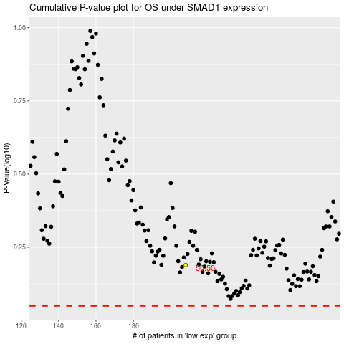

 |  |  |  |  |  | cases_OS | p_OS | rank | exp
 |  |  |  |  |  |  | cases_RFS | p_RFS | rank | exp

