SMAD2 _multivariate
Reported by Tex Li-Hsing Chi. tex@gate.sinica.edu.tw 2019-08-15

Table 2. The clinicopathological features of HNSCC cohort and SMAD2 expression. (Chi square test)
Cutoff at -0.165 (49.8%)
 |  | SMAD2 expression |  | SMAD2 expression |  | (Optimised)
 | Features | Low | (%) | High | (%) | Case no | P-value | Remark | Matthews
Gender | Female | 154 | 37.1 | 152 | 36.6 | 415 | 0.8463 | 0 | 0
2 | Male | 53 | 12.8 | 56 | 13.5
Age at diagnosis | <=65y | 138 | 33.3 | 136 | 32.8 | 415 | 0.8634 | 0 | 0
4 | >65y | 69 | 16.6 | 72 | 17.3
Clinical T Status | T1+T2 | 80 | 19.3 | 69 | 16.6 | 415 | 0.2891 | 0 | 0
6 | T3+T4 | 127 | 30.6 | 139 | 33.5
Clinical N Status | N0 | 115 | 27.7 | 101 | 24.3 | 415 | 0.184 | 1 | 0
8 | N1-3 | 92 | 22.2 | 107 | 25.8
Clinical M Status | M0 | 204 | 49.2 | 208 | 50.1 | 415 | 0.1232 | 0 | 0
10 | M1 | 3 | 0.7 | 0 | 0
Clinical Stage | Stage I+II | 60 | 14.5 | 42 | 10.1 | 415 | 0.0493 | 1 | 0
12 | Stage III+IV | 147 | 35.4 | 166 | 40
Surgical Margin status | Negative | 161 | 38.8 | 157 | 37.8 | 415 | 0.6429 | 0 | 0
14 | Positive | 46 | 11.1 | 51 | 12.3
Tobacco Exposure | Low | 84 | 20.2 | 77 | 18.6 | 415 | 0.4816 | 0 | 0
16 | High | 123 | 29.6 | 131 | 31.6

Table 3. Univariate/Multivariate Cox's proportional hazards regression analyses on OS time of SMAD2 gene expression in HNSCC

 |  | Univariate |  |  |  | Multivariate
 | Features | HR | CI95%(L) | CI95%(H) | P-value | HR | CI95%(L) | CI95%(H) | P-value
1 | Female | 1 |  |  |  | 1
Gender | Male | 1.157 | 0.843 | 1.587 | 0.367 | 1.201 | 0.86 | 1.678 | 0.282
11 | <=65y | 1 |  |  |  | 1
Age at diagnosis | >65y | 1.329 | 0.99 | 1.784 | 0.058 | 1.392 | 1.024 | 1.892 | 0.035
12 | T1+T2 | 1 |  |  |  | 1
Clinical T Status | T3+T4 | 1.409 | 1.028 | 1.931 | 0.033 | 2.192 | 1.157 | 4.156 | 0.016
13 | N0 | 1 |  |  |  | 1
Clinical N Status | N1-3 | 1.185 | 0.89 | 1.577 | 0.246 | 1.24 | 0.869 | 1.769 | 0.236
14 | M0 | 1 |  |  |  | 1
Clinical M Status | M1 | 4.097 | 1.009 | 16.644 | 0.049 | 9.253 | 1.992 | 42.99 | 0.005
15 | Stage I+II | 1 |  |  |  | 1
Clinical Stage | Stage III+IV | 1.245 | 0.882 | 1.759 | 0.213 | 0.508 | 0.235 | 1.097 | 0.085
16 | Negative | 1 |  |  |  | 1
Surgical Margin status | Positive | 1.591 | 1.155 | 2.191 | 0.004 | 1.671 | 1.209 | 2.308 | 0.002
17 | Low | 1 |  |  |  | 1
Tobacco Exposure | High | 1.364 | 1.008 | 1.844 | 0.044 | 1.454 | 1.055 | 2.004 | 0.022
18 | Low | 1 |  |  |  | 1
RNAseq(z-score) | High | 0.944 | 0.707 | 1.26 | 0.695 | 0.977 | 0.728 | 1.31 | 0.874

Table 4. Univariate/Multivariate Cox's proportional hazards regression analyses on RFS time of SMAD2 gene expression in HNSCC

 |  | Univariate |  |  |  | Multivariate
 | Features | HR | CI95%(L) | CI95%(H) | P-value | HR | CI95%(L) | CI95%(H) | P-value
1 | Female | 1 |  |  |  | 1
Gender | Male | 1.157 | 0.843 | 1.587 | 0.367 | 1.201 | 0.86 | 1.678 | 0.282
11 | <=65y | 1 |  |  |  | 1
Age at diagnosis | >65y | 1.329 | 0.99 | 1.784 | 0.058 | 1.392 | 1.024 | 1.892 | 0.035
12 | T1+T2 | 1 |  |  |  | 1
Clinical T Status | T3+T4 | 1.409 | 1.028 | 1.931 | 0.033 | 2.192 | 1.157 | 4.156 | 0.016
13 | N0 | 1 |  |  |  | 1
Clinical N Status | N1-3 | 1.185 | 0.89 | 1.577 | 0.246 | 1.24 | 0.869 | 1.769 | 0.236
14 | M0 | 1 |  |  |  | 1
Clinical M Status | M1 | 4.097 | 1.009 | 16.644 | 0.049 | 9.253 | 1.992 | 42.99 | 0.005
15 | Stage I+II | 1 |  |  |  | 1
Clinical Stage | Stage III+IV | 1.245 | 0.882 | 1.759 | 0.213 | 0.508 | 0.235 | 1.097 | 0.085
16 | Negative | 1 |  |  |  | 1
Surgical Margin status | Positive | 1.591 | 1.155 | 2.191 | 0.004 | 1.671 | 1.209 | 2.308 | 0.002
17 | Low | 1 |  |  |  | 1
Tobacco Exposure | High | 1.364 | 1.008 | 1.844 | 0.044 | 1.454 | 1.055 | 2.004 | 0.022
18 | Low | 1 |  |  |  | 1
RNAseq(z-score) | High | 0.944 | 0.707 | 1.26 | 0.695 | 0.977 | 0.728 | 1.31 | 0.874

Kaplan-Meier survival estimate: Cutoff at -0.165 (49.8%)



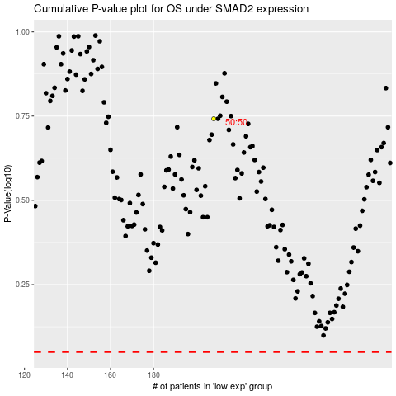

 |  |  |  |  |  | cases_OS | p_OS | rank | exp
 |  |  |  |  |  |  | cases_RFS | p_RFS | rank | exp

