SMAGP _multivariate
Reported by Tex Li-Hsing Chi. tex@gate.sinica.edu.tw 2019-08-15

Table 2. The clinicopathological features of HNSCC cohort and SMAGP expression. (Chi square test)
Cutoff at -0.3 (50.0%)
 |  | SMAGP expression |  | SMAGP expression |  | (Optimised)
 | Features | Low | (%) | High | (%) | Case no | P-value | Remark | Matthews
Gender | Female | 150 | 36.1 | 156 | 37.6 | 415 | 0.6344 | 0 | 0
2 | Male | 57 | 13.7 | 52 | 12.5
Age at diagnosis | <=65y | 141 | 34 | 133 | 32 | 415 | 0.4272 | 0 | 0
4 | >65y | 66 | 15.9 | 75 | 18.1
Clinical T Status | T1+T2 | 84 | 20.2 | 65 | 15.7 | 415 | 0.0603 | 0 | 0
6 | T3+T4 | 123 | 29.6 | 143 | 34.5
Clinical N Status | N0 | 106 | 25.5 | 110 | 26.5 | 415 | 0.8075 | 0 | 0
8 | N1-3 | 101 | 24.3 | 98 | 23.6
Clinical M Status | M0 | 207 | 49.9 | 205 | 49.4 | 415 | 0.2482 | 0 | 0
10 | M1 | 0 | 0 | 3 | 0.7
Clinical Stage | Stage I+II | 57 | 13.7 | 45 | 10.8 | 415 | 0.1998 | 0 | 0
12 | Stage III+IV | 150 | 36.1 | 163 | 39.3
Surgical Margin status | Negative | 164 | 39.5 | 154 | 37.1 | 415 | 0.2462 | 0 | 0
14 | Positive | 43 | 10.4 | 54 | 13
Tobacco Exposure | Low | 78 | 18.8 | 83 | 20 | 415 | 0.6873 | 0 | 0
16 | High | 129 | 31.1 | 125 | 30.1

Table 3. Univariate/Multivariate Cox's proportional hazards regression analyses on OS time of SMAGP gene expression in HNSCC

 |  | Univariate |  |  |  | Multivariate
 | Features | HR | CI95%(L) | CI95%(H) | P-value | HR | CI95%(L) | CI95%(H) | P-value
1 | Female | 1 |  |  |  | 1
Gender | Male | 1.157 | 0.843 | 1.587 | 0.367 | 1.205 | 0.863 | 1.683 | 0.274
11 | <=65y | 1 |  |  |  | 1
Age at diagnosis | >65y | 1.329 | 0.99 | 1.784 | 0.058 | 1.418 | 1.04 | 1.932 | 0.027
12 | T1+T2 | 1 |  |  |  | 1
Clinical T Status | T3+T4 | 1.409 | 1.028 | 1.931 | 0.033 | 2.225 | 1.177 | 4.206 | 0.014
13 | N0 | 1 |  |  |  | 1
Clinical N Status | N1-3 | 1.185 | 0.89 | 1.577 | 0.246 | 1.224 | 0.857 | 1.748 | 0.266
14 | M0 | 1 |  |  |  | 1
Clinical M Status | M1 | 4.097 | 1.009 | 16.644 | 0.049 | 10.306 | 2.222 | 47.799 | 0.003
15 | Stage I+II | 1 |  |  |  | 1
Clinical Stage | Stage III+IV | 1.245 | 0.882 | 1.759 | 0.213 | 0.512 | 0.238 | 1.099 | 0.086
16 | Negative | 1 |  |  |  | 1
Surgical Margin status | Positive | 1.591 | 1.155 | 2.191 | 0.004 | 1.696 | 1.226 | 2.346 | 0.001
17 | Low | 1 |  |  |  | 1
Tobacco Exposure | High | 1.364 | 1.008 | 1.844 | 0.044 | 1.458 | 1.058 | 2.009 | 0.021
18 | Low | 1 |  |  |  | 1
RNAseq(z-score) | High | 0.975 | 0.732 | 1.3 | 0.865 | 0.865 | 0.643 | 1.162 | 0.335

Table 4. Univariate/Multivariate Cox's proportional hazards regression analyses on RFS time of SMAGP gene expression in HNSCC

 |  | Univariate |  |  |  | Multivariate
 | Features | HR | CI95%(L) | CI95%(H) | P-value | HR | CI95%(L) | CI95%(H) | P-value
1 | Female | 1 |  |  |  | 1
Gender | Male | 1.157 | 0.843 | 1.587 | 0.367 | 1.205 | 0.863 | 1.683 | 0.274
11 | <=65y | 1 |  |  |  | 1
Age at diagnosis | >65y | 1.329 | 0.99 | 1.784 | 0.058 | 1.418 | 1.04 | 1.932 | 0.027
12 | T1+T2 | 1 |  |  |  | 1
Clinical T Status | T3+T4 | 1.409 | 1.028 | 1.931 | 0.033 | 2.225 | 1.177 | 4.206 | 0.014
13 | N0 | 1 |  |  |  | 1
Clinical N Status | N1-3 | 1.185 | 0.89 | 1.577 | 0.246 | 1.224 | 0.857 | 1.748 | 0.266
14 | M0 | 1 |  |  |  | 1
Clinical M Status | M1 | 4.097 | 1.009 | 16.644 | 0.049 | 10.306 | 2.222 | 47.799 | 0.003
15 | Stage I+II | 1 |  |  |  | 1
Clinical Stage | Stage III+IV | 1.245 | 0.882 | 1.759 | 0.213 | 0.512 | 0.238 | 1.099 | 0.086
16 | Negative | 1 |  |  |  | 1
Surgical Margin status | Positive | 1.591 | 1.155 | 2.191 | 0.004 | 1.696 | 1.226 | 2.346 | 0.001
17 | Low | 1 |  |  |  | 1
Tobacco Exposure | High | 1.364 | 1.008 | 1.844 | 0.044 | 1.458 | 1.058 | 2.009 | 0.021
18 | Low | 1 |  |  |  | 1
RNAseq(z-score) | High | 0.975 | 0.732 | 1.3 | 0.865 | 0.865 | 0.643 | 1.162 | 0.335

Kaplan-Meier survival estimate: Cutoff at -0.3 (50.0%)



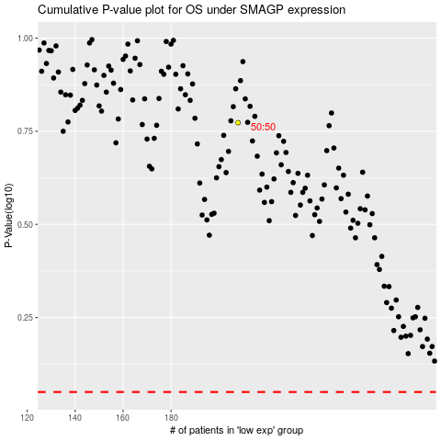

 |  |  |  |  |  | cases_OS | p_OS | rank | exp
 |  |  |  |  |  |  | cases_RFS | p_RFS | rank | exp

