SMAP1 _multivariate
Reported by Tex Li-Hsing Chi. tex@gate.sinica.edu.tw 2019-08-15

Table 2. The clinicopathological features of HNSCC cohort and SMAP1 expression. (Chi square test)
Cutoff at 0.242 (70.0%)
 |  | SMAP1 expression |  | SMAP1 expression |  | (Optimised)
 | Features | Low | (%) | High | (%) | Case no | P-value | Remark | Matthews
Gender | Female | 217 | 52.3 | 89 | 21.4 | 415 | 0.5164 | 0 | 0
2 | Male | 73 | 17.6 | 36 | 8.7
Age at diagnosis | <=65y | 191 | 46 | 83 | 20 | 415 | 1 | 0 | 0
4 | >65y | 99 | 23.9 | 42 | 10.1
Clinical T Status | T1+T2 | 98 | 23.6 | 51 | 12.3 | 415 | 0.21 | 0 | 0
6 | T3+T4 | 192 | 46.3 | 74 | 17.8
Clinical N Status | N0 | 151 | 36.4 | 65 | 15.7 | 415 | 1 | 0 | 0
8 | N1-3 | 139 | 33.5 | 60 | 14.5
Clinical M Status | M0 | 288 | 69.4 | 124 | 29.9 | 415 | 1 | 0 | 0
10 | M1 | 2 | 0.5 | 1 | 0.2
Clinical Stage | Stage I+II | 74 | 17.8 | 28 | 6.7 | 415 | 0.5807 | 0 | 0
12 | Stage III+IV | 216 | 52 | 97 | 23.4
Surgical Margin status | Negative | 222 | 53.5 | 96 | 23.1 | 415 | 1 | 0 | 0
14 | Positive | 68 | 16.4 | 29 | 7
Tobacco Exposure | Low | 113 | 27.2 | 48 | 11.6 | 415 | 1 | 0 | 0
16 | High | 177 | 42.7 | 77 | 18.6

Table 3. Univariate/Multivariate Cox's proportional hazards regression analyses on OS time of SMAP1 gene expression in HNSCC

 |  | Univariate |  |  |  | Multivariate
 | Features | HR | CI95%(L) | CI95%(H) | P-value | HR | CI95%(L) | CI95%(H) | P-value
1 | Female | 1 |  |  |  | 1
Gender | Male | 1.157 | 0.843 | 1.587 | 0.367 | 1.238 | 0.881 | 1.74 | 0.218
11 | <=65y | 1 |  |  |  | 1
Age at diagnosis | >65y | 1.329 | 0.99 | 1.784 | 0.058 | 1.38 | 1.015 | 1.876 | 0.04
12 | T1+T2 | 1 |  |  |  | 1
Clinical T Status | T3+T4 | 1.409 | 1.028 | 1.931 | 0.033 | 1.896 | 0.994 | 3.616 | 0.052
13 | N0 | 1 |  |  |  | 1
Clinical N Status | N1-3 | 1.185 | 0.89 | 1.577 | 0.246 | 1.219 | 0.854 | 1.74 | 0.275
14 | M0 | 1 |  |  |  | 1
Clinical M Status | M1 | 4.097 | 1.009 | 16.644 | 0.049 | 8.534 | 1.859 | 39.177 | 0.006
15 | Stage I+II | 1 |  |  |  | 1
Clinical Stage | Stage III+IV | 1.245 | 0.882 | 1.759 | 0.213 | 0.608 | 0.28 | 1.321 | 0.209
16 | Negative | 1 |  |  |  | 1
Surgical Margin status | Positive | 1.591 | 1.155 | 2.191 | 0.004 | 1.649 | 1.194 | 2.276 | 0.002
17 | Low | 1 |  |  |  | 1
Tobacco Exposure | High | 1.364 | 1.008 | 1.844 | 0.044 | 1.479 | 1.071 | 2.042 | 0.017
18 | Low | 1 |  |  |  | 1
RNAseq(z-score) | High | 0.62 | 0.442 | 0.87 | 0.006 | 0.648 | 0.459 | 0.915 | 0.014

Table 4. Univariate/Multivariate Cox's proportional hazards regression analyses on RFS time of SMAP1 gene expression in HNSCC

 |  | Univariate |  |  |  | Multivariate
 | Features | HR | CI95%(L) | CI95%(H) | P-value | HR | CI95%(L) | CI95%(H) | P-value
1 | Female | 1 |  |  |  | 1
Gender | Male | 1.157 | 0.843 | 1.587 | 0.367 | 1.238 | 0.881 | 1.74 | 0.218
11 | <=65y | 1 |  |  |  | 1
Age at diagnosis | >65y | 1.329 | 0.99 | 1.784 | 0.058 | 1.38 | 1.015 | 1.876 | 0.04
12 | T1+T2 | 1 |  |  |  | 1
Clinical T Status | T3+T4 | 1.409 | 1.028 | 1.931 | 0.033 | 1.896 | 0.994 | 3.616 | 0.052
13 | N0 | 1 |  |  |  | 1
Clinical N Status | N1-3 | 1.185 | 0.89 | 1.577 | 0.246 | 1.219 | 0.854 | 1.74 | 0.275
14 | M0 | 1 |  |  |  | 1
Clinical M Status | M1 | 4.097 | 1.009 | 16.644 | 0.049 | 8.534 | 1.859 | 39.177 | 0.006
15 | Stage I+II | 1 |  |  |  | 1
Clinical Stage | Stage III+IV | 1.245 | 0.882 | 1.759 | 0.213 | 0.608 | 0.28 | 1.321 | 0.209
16 | Negative | 1 |  |  |  | 1
Surgical Margin status | Positive | 1.591 | 1.155 | 2.191 | 0.004 | 1.649 | 1.194 | 2.276 | 0.002
17 | Low | 1 |  |  |  | 1
Tobacco Exposure | High | 1.364 | 1.008 | 1.844 | 0.044 | 1.479 | 1.071 | 2.042 | 0.017
18 | Low | 1 |  |  |  | 1
RNAseq(z-score) | High | 0.62 | 0.442 | 0.87 | 0.006 | 0.648 | 0.459 | 0.915 | 0.014

Kaplan-Meier survival estimate: Cutoff at 0.242 (70.0%)

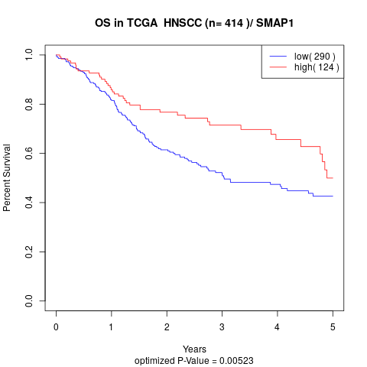

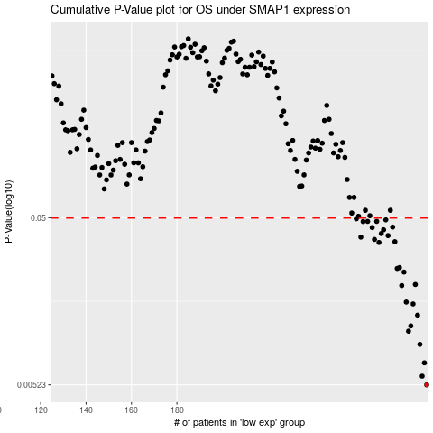

 |  |  |  |  |  | cases_OS | p_OS | rank | exp
 |  |  |  |  |  | 290 | 0.00523 | 396 | 0.24161003954
 |  |  |  |  |  | 288 | 0.00588 | 187 | 0.23859387048
 |  |  |  |  |  | 289 | 0.00704 | 202 | 0.24108094341
 |  |  |  |  |  | 287 | 0.00903 | 287 | 0.23704725434
 |  |  |  |  |  | 282 | 0.0108 | 238 | 0.21307381219
 |  |  |  |  |  | 283 | 0.0116 | 255 | 0.21860916385
 |  |  |  |  |  | 286 | 0.0134 | 70 | 0.23528443303
 |  |  |  |  |  | 284 | 0.0156 | 399 | 0.22591804004
 |  |  |  |  |  | 281 | 0.016 | 276 | 0.19546129719
 |  |  |  |  |  | 279 | 0.02 | 93 | 0.18744386744
 |  |  |  |  |  | 285 | 0.0203 | 370 | 0.22997277879
 |  |  |  |  |  | 280 | 0.024 | 247 | 0.1893968494
 |  |  |  |  |  | 277 | 0.0252 | 306 | 0.17760046736
 |  |  |  |  |  | 278 | 0.0255 | 74 | 0.17814419123
 |  |  |  |  |  | 269 | 0.0358 | 29 | 0.12520674947
 |  |  |  |  |  | 276 | 0.0362 | 239 | 0.16706742275
 |  |  |  |  |  | 267 | 0.0373 | 193 | 0.1212643946
 |  |  |  |  |  | 261 | 0.0385 | 192 | 0.085785698154
 |  |  |  |  |  | 273 | 0.0393 | 131 | 0.14699494967
 |  |  |  |  |  | 270 | 0.0404 | 197 | 0.1308698263
 |  |  |  |  |  | 271 | 0.0425 | 269 | 0.13254274051
 |  |  |  |  |  | 266 | 0.0438 | 266 | 0.11918796877
 |  |  |  |  |  | 275 | 0.0441 | 209 | 0.16352394143
 |  |  |  |  |  | 262 | 0.0475 | 39 | 0.08583386267
 |  |  |  |  |  | 268 | 0.0476 | 58 | 0.12337970881
 |  |  |  |  |  | 264 | 0.0476 | 374 | 0.10105206603
 |  |  |  |  |  | 272 | 0.0486 | 90 | 0.1459146374
 |  |  |  |  |  | 259 | 0.0493 | 94 | 0.079461161969
 |  |  |  |  |  |  | cases_RFS | p_RFS | rank | exp
 |  |  |  |  |  |  | 289 | 0.00523 | 202 | 0.24108094341
 |  |  |  |  |  |  | 287 | 0.00588 | 287 | 0.23704725434
 |  |  |  |  |  |  | 288 | 0.00704 | 187 | 0.23859387048
 |  |  |  |  |  |  | 286 | 0.00903 | 70 | 0.23528443303
 |  |  |  |  |  |  | 281 | 0.0108 | 276 | 0.19546129719
 |  |  |  |  |  |  | 282 | 0.0116 | 238 | 0.21307381219
 |  |  |  |  |  |  | 285 | 0.0134 | 370 | 0.22997277879
 |  |  |  |  |  |  | 283 | 0.0156 | 255 | 0.21860916385
 |  |  |  |  |  |  | 280 | 0.016 | 247 | 0.1893968494
 |  |  |  |  |  |  | 278 | 0.02 | 74 | 0.17814419123
 |  |  |  |  |  |  | 284 | 0.0203 | 399 | 0.22591804004
 |  |  |  |  |  |  | 279 | 0.024 | 93 | 0.18744386744
 |  |  |  |  |  |  | 276 | 0.0252 | 239 | 0.16706742275
 |  |  |  |  |  |  | 277 | 0.0255 | 306 | 0.17760046736
 |  |  |  |  |  |  | 268 | 0.0358 | 58 | 0.12337970881
 |  |  |  |  |  |  | 275 | 0.0362 | 209 | 0.16352394143
 |  |  |  |  |  |  | 266 | 0.0373 | 266 | 0.11918796877
 |  |  |  |  |  |  | 260 | 0.0385 | 227 | 0.08325117426
 |  |  |  |  |  |  | 272 | 0.0393 | 90 | 0.1459146374
 |  |  |  |  |  |  | 269 | 0.0404 | 29 | 0.12520674947
 |  |  |  |  |  |  | 270 | 0.0425 | 197 | 0.1308698263
 |  |  |  |  |  |  | 265 | 0.0438 | 153 | 0.11518496229
 |  |  |  |  |  |  | 274 | 0.0441 | 200 | 0.15118704648
 |  |  |  |  |  |  | 261 | 0.0475 | 192 | 0.085785698154
 |  |  |  |  |  |  | 263 | 0.0476 | 3 | 0.099745915697
 |  |  |  |  |  |  | 267 | 0.0476 | 193 | 0.1212643946
 |  |  |  |  |  |  | 271 | 0.0486 | 269 | 0.13254274051
 |  |  |  |  |  |  | 258 | 0.0493 | 229 | 0.070637422535

