SMARCA1 _multivariate
Reported by Tex Li-Hsing Chi. tex@gate.sinica.edu.tw 2019-08-15

Table 2. The clinicopathological features of HNSCC cohort and SMARCA1 expression. (Chi square test)
Cutoff at -0.18 (49.8%)
 |  | SMARCA1 expression |  | SMARCA1 expression |  | (Optimised)
 | Features | Low | (%) | High | (%) | Case no | P-value | Remark | Matthews
Gender | Female | 145 | 34.9 | 161 | 38.8 | 415 | 0.1116 | 0 | 0
2 | Male | 62 | 14.9 | 47 | 11.3
Age at diagnosis | <=65y | 129 | 31.1 | 145 | 34.9 | 415 | 0.1372 | 0 | 0
4 | >65y | 78 | 18.8 | 63 | 15.2
Clinical T Status | T1+T2 | 74 | 17.8 | 75 | 18.1 | 415 | 1 | 0 | 0
6 | T3+T4 | 133 | 32 | 133 | 32
Clinical N Status | N0 | 111 | 26.7 | 105 | 25.3 | 415 | 0.5875 | 0 | 0
8 | N1-3 | 96 | 23.1 | 103 | 24.8
Clinical M Status | M0 | 205 | 49.4 | 207 | 49.9 | 415 | 0.6232 | 0 | 0
10 | M1 | 2 | 0.5 | 1 | 0.2
Clinical Stage | Stage I+II | 51 | 12.3 | 51 | 12.3 | 415 | 1 | 0 | 0
12 | Stage III+IV | 156 | 37.6 | 157 | 37.8
Surgical Margin status | Negative | 155 | 37.3 | 163 | 39.3 | 415 | 0.4187 | 0 | 0
14 | Positive | 52 | 12.5 | 45 | 10.8
Tobacco Exposure | Low | 89 | 21.4 | 72 | 17.3 | 415 | 0.0872 | 0 | 0
16 | High | 118 | 28.4 | 136 | 32.8

Table 3. Univariate/Multivariate Cox's proportional hazards regression analyses on OS time of SMARCA1 gene expression in HNSCC

 |  | Univariate |  |  |  | Multivariate
 | Features | HR | CI95%(L) | CI95%(H) | P-value | HR | CI95%(L) | CI95%(H) | P-value
1 | Female | 1 |  |  |  | 1
Gender | Male | 1.157 | 0.843 | 1.587 | 0.367 | 1.209 | 0.866 | 1.689 | 0.265
11 | <=65y | 1 |  |  |  | 1
Age at diagnosis | >65y | 1.329 | 0.99 | 1.784 | 0.058 | 1.402 | 1.031 | 1.906 | 0.031
12 | T1+T2 | 1 |  |  |  | 1
Clinical T Status | T3+T4 | 1.409 | 1.028 | 1.931 | 0.033 | 2.225 | 1.176 | 4.21 | 0.014
13 | N0 | 1 |  |  |  | 1
Clinical N Status | N1-3 | 1.185 | 0.89 | 1.577 | 0.246 | 1.238 | 0.867 | 1.767 | 0.24
14 | M0 | 1 |  |  |  | 1
Clinical M Status | M1 | 4.097 | 1.009 | 16.644 | 0.049 | 9.613 | 2.095 | 44.103 | 0.004
15 | Stage I+II | 1 |  |  |  | 1
Clinical Stage | Stage III+IV | 1.245 | 0.882 | 1.759 | 0.213 | 0.501 | 0.233 | 1.076 | 0.076
16 | Negative | 1 |  |  |  | 1
Surgical Margin status | Positive | 1.591 | 1.155 | 2.191 | 0.004 | 1.687 | 1.22 | 2.332 | 0.002
17 | Low | 1 |  |  |  | 1
Tobacco Exposure | High | 1.364 | 1.008 | 1.844 | 0.044 | 1.427 | 1.035 | 1.968 | 0.03
18 | Low | 1 |  |  |  | 1
RNAseq(z-score) | High | 1.127 | 0.845 | 1.502 | 0.416 | 1.146 | 0.856 | 1.534 | 0.361

Table 4. Univariate/Multivariate Cox's proportional hazards regression analyses on RFS time of SMARCA1 gene expression in HNSCC

 |  | Univariate |  |  |  | Multivariate
 | Features | HR | CI95%(L) | CI95%(H) | P-value | HR | CI95%(L) | CI95%(H) | P-value
1 | Female | 1 |  |  |  | 1
Gender | Male | 1.157 | 0.843 | 1.587 | 0.367 | 1.209 | 0.866 | 1.689 | 0.265
11 | <=65y | 1 |  |  |  | 1
Age at diagnosis | >65y | 1.329 | 0.99 | 1.784 | 0.058 | 1.402 | 1.031 | 1.906 | 0.031
12 | T1+T2 | 1 |  |  |  | 1
Clinical T Status | T3+T4 | 1.409 | 1.028 | 1.931 | 0.033 | 2.225 | 1.176 | 4.21 | 0.014
13 | N0 | 1 |  |  |  | 1
Clinical N Status | N1-3 | 1.185 | 0.89 | 1.577 | 0.246 | 1.238 | 0.867 | 1.767 | 0.24
14 | M0 | 1 |  |  |  | 1
Clinical M Status | M1 | 4.097 | 1.009 | 16.644 | 0.049 | 9.613 | 2.095 | 44.103 | 0.004
15 | Stage I+II | 1 |  |  |  | 1
Clinical Stage | Stage III+IV | 1.245 | 0.882 | 1.759 | 0.213 | 0.501 | 0.233 | 1.076 | 0.076
16 | Negative | 1 |  |  |  | 1
Surgical Margin status | Positive | 1.591 | 1.155 | 2.191 | 0.004 | 1.687 | 1.22 | 2.332 | 0.002
17 | Low | 1 |  |  |  | 1
Tobacco Exposure | High | 1.364 | 1.008 | 1.844 | 0.044 | 1.427 | 1.035 | 1.968 | 0.03
18 | Low | 1 |  |  |  | 1
RNAseq(z-score) | High | 1.127 | 0.845 | 1.502 | 0.416 | 1.146 | 0.856 | 1.534 | 0.361

Kaplan-Meier survival estimate: Cutoff at -0.18 (49.8%)



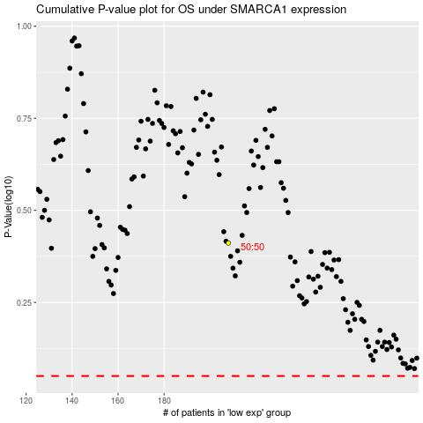

 |  |  |  |  |  | cases_OS | p_OS | rank | exp
 |  |  |  |  |  |  | cases_RFS | p_RFS | rank | exp

