SMARCA5 _multivariate
Reported by Tex Li-Hsing Chi. tex@gate.sinica.edu.tw 2019-08-15

Table 2. The clinicopathological features of HNSCC cohort and SMARCA5 expression. (Chi square test)
Cutoff at 0.007 (49.8%)
 |  | SMARCA5 expression |  | SMARCA5 expression |  | (Optimised)
 | Features | Low | (%) | High | (%) | Case no | P-value | Remark | Matthews
Gender | Female | 149 | 35.9 | 157 | 37.8 | 415 | 0.4848 | 0 | 0
2 | Male | 58 | 14 | 51 | 12.3
Age at diagnosis | <=65y | 137 | 33 | 137 | 33 | 415 | 1 | 0 | 0
4 | >65y | 70 | 16.9 | 71 | 17.1
Clinical T Status | T1+T2 | 81 | 19.5 | 68 | 16.4 | 415 | 0.206 | 0 | 0
6 | T3+T4 | 126 | 30.4 | 140 | 33.7
Clinical N Status | N0 | 108 | 26 | 108 | 26 | 415 | 1 | 0 | 0
8 | N1-3 | 99 | 23.9 | 100 | 24.1
Clinical M Status | M0 | 204 | 49.2 | 208 | 50.1 | 415 | 0.1232 | 0 | 0
10 | M1 | 3 | 0.7 | 0 | 0
Clinical Stage | Stage I+II | 54 | 13 | 48 | 11.6 | 415 | 0.5498 | 0 | 0
12 | Stage III+IV | 153 | 36.9 | 160 | 38.6
Surgical Margin status | Negative | 158 | 38.1 | 160 | 38.6 | 415 | 0.9081 | 0 | 0
14 | Positive | 49 | 11.8 | 48 | 11.6
Tobacco Exposure | Low | 90 | 21.7 | 71 | 17.1 | 415 | 0.0559 | 0 | 0
16 | High | 117 | 28.2 | 137 | 33

Table 3. Univariate/Multivariate Cox's proportional hazards regression analyses on OS time of SMARCA5 gene expression in HNSCC

 |  | Univariate |  |  |  | Multivariate
 | Features | HR | CI95%(L) | CI95%(H) | P-value | HR | CI95%(L) | CI95%(H) | P-value
1 | Female | 1 |  |  |  | 1
Gender | Male | 1.157 | 0.843 | 1.587 | 0.367 | 1.213 | 0.868 | 1.695 | 0.258
11 | <=65y | 1 |  |  |  | 1
Age at diagnosis | >65y | 1.329 | 0.99 | 1.784 | 0.058 | 1.381 | 1.016 | 1.879 | 0.04
12 | T1+T2 | 1 |  |  |  | 1
Clinical T Status | T3+T4 | 1.409 | 1.028 | 1.931 | 0.033 | 2.223 | 1.175 | 4.205 | 0.014
13 | N0 | 1 |  |  |  | 1
Clinical N Status | N1-3 | 1.185 | 0.89 | 1.577 | 0.246 | 1.252 | 0.877 | 1.788 | 0.216
14 | M0 | 1 |  |  |  | 1
Clinical M Status | M1 | 4.097 | 1.009 | 16.644 | 0.049 | 10.264 | 2.216 | 47.547 | 0.003
15 | Stage I+II | 1 |  |  |  | 1
Clinical Stage | Stage III+IV | 1.245 | 0.882 | 1.759 | 0.213 | 0.493 | 0.229 | 1.06 | 0.07
16 | Negative | 1 |  |  |  | 1
Surgical Margin status | Positive | 1.591 | 1.155 | 2.191 | 0.004 | 1.688 | 1.22 | 2.334 | 0.002
17 | Low | 1 |  |  |  | 1
Tobacco Exposure | High | 1.364 | 1.008 | 1.844 | 0.044 | 1.453 | 1.055 | 2.002 | 0.022
18 | Low | 1 |  |  |  | 1
RNAseq(z-score) | High | 1.129 | 0.846 | 1.506 | 0.412 | 1.162 | 0.867 | 1.557 | 0.316

Table 4. Univariate/Multivariate Cox's proportional hazards regression analyses on RFS time of SMARCA5 gene expression in HNSCC

 |  | Univariate |  |  |  | Multivariate
 | Features | HR | CI95%(L) | CI95%(H) | P-value | HR | CI95%(L) | CI95%(H) | P-value
1 | Female | 1 |  |  |  | 1
Gender | Male | 1.157 | 0.843 | 1.587 | 0.367 | 1.213 | 0.868 | 1.695 | 0.258
11 | <=65y | 1 |  |  |  | 1
Age at diagnosis | >65y | 1.329 | 0.99 | 1.784 | 0.058 | 1.381 | 1.016 | 1.879 | 0.04
12 | T1+T2 | 1 |  |  |  | 1
Clinical T Status | T3+T4 | 1.409 | 1.028 | 1.931 | 0.033 | 2.223 | 1.175 | 4.205 | 0.014
13 | N0 | 1 |  |  |  | 1
Clinical N Status | N1-3 | 1.185 | 0.89 | 1.577 | 0.246 | 1.252 | 0.877 | 1.788 | 0.216
14 | M0 | 1 |  |  |  | 1
Clinical M Status | M1 | 4.097 | 1.009 | 16.644 | 0.049 | 10.264 | 2.216 | 47.547 | 0.003
15 | Stage I+II | 1 |  |  |  | 1
Clinical Stage | Stage III+IV | 1.245 | 0.882 | 1.759 | 0.213 | 0.493 | 0.229 | 1.06 | 0.07
16 | Negative | 1 |  |  |  | 1
Surgical Margin status | Positive | 1.591 | 1.155 | 2.191 | 0.004 | 1.688 | 1.22 | 2.334 | 0.002
17 | Low | 1 |  |  |  | 1
Tobacco Exposure | High | 1.364 | 1.008 | 1.844 | 0.044 | 1.453 | 1.055 | 2.002 | 0.022
18 | Low | 1 |  |  |  | 1
RNAseq(z-score) | High | 1.129 | 0.846 | 1.506 | 0.412 | 1.162 | 0.867 | 1.557 | 0.316

Kaplan-Meier survival estimate: Cutoff at 0.007 (49.8%)



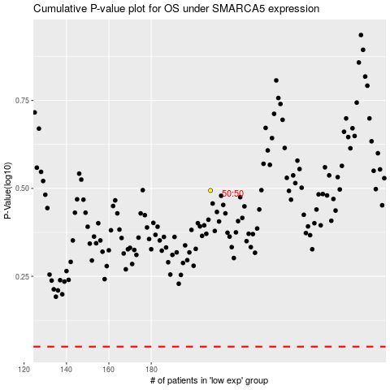

 |  |  |  |  |  | cases_OS | p_OS | rank | exp
 |  |  |  |  |  |  | cases_RFS | p_RFS | rank | exp

