SMARCAL1 _multivariate
Reported by Tex Li-Hsing Chi. tex@gate.sinica.edu.tw 2019-08-15

Table 2. The clinicopathological features of HNSCC cohort and SMARCAL1 expression. (Chi square test)
Cutoff at 0.019 (49.8%)
 |  | SMARCAL1 expression |  | SMARCAL1 expression |  | (Optimised)
 | Features | Low | (%) | High | (%) | Case no | P-value | Remark | Matthews
Gender | Female | 148 | 35.7 | 158 | 38.1 | 415 | 0.3567 | 0 | 0
2 | Male | 59 | 14.2 | 50 | 12
Age at diagnosis | <=65y | 134 | 32.3 | 140 | 33.7 | 415 | 0.6529 | 0 | 0
4 | >65y | 73 | 17.6 | 68 | 16.4
Clinical T Status | T1+T2 | 63 | 15.2 | 86 | 20.7 | 415 | 0.0268 | 1 | 0
6 | T3+T4 | 144 | 34.7 | 122 | 29.4
Clinical N Status | N0 | 102 | 24.6 | 114 | 27.5 | 415 | 0.3031 | 0 | 0
8 | N1-3 | 105 | 25.3 | 94 | 22.7
Clinical M Status | M0 | 205 | 49.4 | 207 | 49.9 | 415 | 0.6232 | 0 | 0
10 | M1 | 2 | 0.5 | 1 | 0.2
Clinical Stage | Stage I+II | 38 | 9.2 | 64 | 15.4 | 415 | 0.0048 | 1 | 0
12 | Stage III+IV | 169 | 40.7 | 144 | 34.7
Surgical Margin status | Negative | 155 | 37.3 | 163 | 39.3 | 415 | 0.4187 | 0 | 0
14 | Positive | 52 | 12.5 | 45 | 10.8
Tobacco Exposure | Low | 70 | 16.9 | 91 | 21.9 | 415 | 0.0439 | 1 | 0
16 | High | 137 | 33 | 117 | 28.2

Table 3. Univariate/Multivariate Cox's proportional hazards regression analyses on OS time of SMARCAL1 gene expression in HNSCC

 |  | Univariate |  |  |  | Multivariate
 | Features | HR | CI95%(L) | CI95%(H) | P-value | HR | CI95%(L) | CI95%(H) | P-value
1 | Female | 1 |  |  |  | 1
Gender | Male | 1.157 | 0.843 | 1.587 | 0.367 | 1.195 | 0.856 | 1.668 | 0.296
11 | <=65y | 1 |  |  |  | 1
Age at diagnosis | >65y | 1.329 | 0.99 | 1.784 | 0.058 | 1.39 | 1.023 | 1.889 | 0.036
12 | T1+T2 | 1 |  |  |  | 1
Clinical T Status | T3+T4 | 1.409 | 1.028 | 1.931 | 0.033 | 2.197 | 1.162 | 4.156 | 0.015
13 | N0 | 1 |  |  |  | 1
Clinical N Status | N1-3 | 1.185 | 0.89 | 1.577 | 0.246 | 1.243 | 0.872 | 1.773 | 0.229
14 | M0 | 1 |  |  |  | 1
Clinical M Status | M1 | 4.097 | 1.009 | 16.644 | 0.049 | 9.221 | 2.01 | 42.296 | 0.004
15 | Stage I+II | 1 |  |  |  | 1
Clinical Stage | Stage III+IV | 1.245 | 0.882 | 1.759 | 0.213 | 0.5 | 0.233 | 1.074 | 0.075
16 | Negative | 1 |  |  |  | 1
Surgical Margin status | Positive | 1.591 | 1.155 | 2.191 | 0.004 | 1.675 | 1.212 | 2.315 | 0.002
17 | Low | 1 |  |  |  | 1
Tobacco Exposure | High | 1.364 | 1.008 | 1.844 | 0.044 | 1.434 | 1.04 | 1.977 | 0.028
18 | Low | 1 |  |  |  | 1
RNAseq(z-score) | High | 0.82 | 0.615 | 1.093 | 0.176 | 0.87 | 0.651 | 1.162 | 0.346

Table 4. Univariate/Multivariate Cox's proportional hazards regression analyses on RFS time of SMARCAL1 gene expression in HNSCC

 |  | Univariate |  |  |  | Multivariate
 | Features | HR | CI95%(L) | CI95%(H) | P-value | HR | CI95%(L) | CI95%(H) | P-value
1 | Female | 1 |  |  |  | 1
Gender | Male | 1.157 | 0.843 | 1.587 | 0.367 | 1.195 | 0.856 | 1.668 | 0.296
11 | <=65y | 1 |  |  |  | 1
Age at diagnosis | >65y | 1.329 | 0.99 | 1.784 | 0.058 | 1.39 | 1.023 | 1.889 | 0.036
12 | T1+T2 | 1 |  |  |  | 1
Clinical T Status | T3+T4 | 1.409 | 1.028 | 1.931 | 0.033 | 2.197 | 1.162 | 4.156 | 0.015
13 | N0 | 1 |  |  |  | 1
Clinical N Status | N1-3 | 1.185 | 0.89 | 1.577 | 0.246 | 1.243 | 0.872 | 1.773 | 0.229
14 | M0 | 1 |  |  |  | 1
Clinical M Status | M1 | 4.097 | 1.009 | 16.644 | 0.049 | 9.221 | 2.01 | 42.296 | 0.004
15 | Stage I+II | 1 |  |  |  | 1
Clinical Stage | Stage III+IV | 1.245 | 0.882 | 1.759 | 0.213 | 0.5 | 0.233 | 1.074 | 0.075
16 | Negative | 1 |  |  |  | 1
Surgical Margin status | Positive | 1.591 | 1.155 | 2.191 | 0.004 | 1.675 | 1.212 | 2.315 | 0.002
17 | Low | 1 |  |  |  | 1
Tobacco Exposure | High | 1.364 | 1.008 | 1.844 | 0.044 | 1.434 | 1.04 | 1.977 | 0.028
18 | Low | 1 |  |  |  | 1
RNAseq(z-score) | High | 0.82 | 0.615 | 1.093 | 0.176 | 0.87 | 0.651 | 1.162 | 0.346

Kaplan-Meier survival estimate: Cutoff at 0.019 (49.8%)



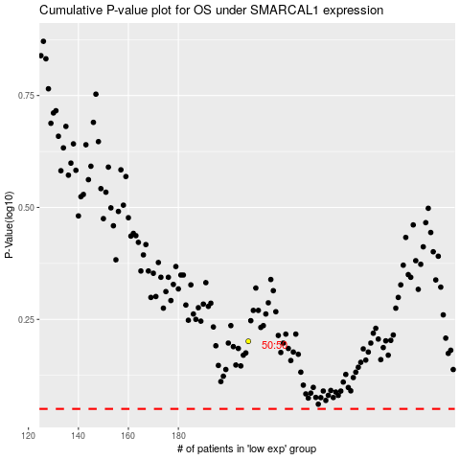

 |  |  |  |  |  | cases_OS | p_OS | rank | exp
 |  |  |  |  |  |  | cases_RFS | p_RFS | rank | exp

