SMARCB1 _multivariate
Reported by Tex Li-Hsing Chi. tex@gate.sinica.edu.tw 2019-08-15

Table 2. The clinicopathological features of HNSCC cohort and SMARCB1 expression. (Chi square test)
Cutoff at -0.133 (49.8%)
 |  | SMARCB1 expression |  | SMARCB1 expression |  | (Optimised)
 | Features | Low | (%) | High | (%) | Case no | P-value | Remark | Matthews
Gender | Female | 143 | 34.5 | 163 | 39.3 | 415 | 0.0416 | 1 | 0
2 | Male | 64 | 15.4 | 45 | 10.8
Age at diagnosis | <=65y | 134 | 32.3 | 140 | 33.7 | 415 | 0.6529 | 0 | 0
4 | >65y | 73 | 17.6 | 68 | 16.4
Clinical T Status | T1+T2 | 79 | 19 | 70 | 16.9 | 415 | 0.3924 | 0 | 0
6 | T3+T4 | 128 | 30.8 | 138 | 33.3
Clinical N Status | N0 | 109 | 26.3 | 107 | 25.8 | 415 | 0.8812 | 0 | 0
8 | N1-3 | 98 | 23.6 | 101 | 24.3
Clinical M Status | M0 | 206 | 49.6 | 206 | 49.6 | 415 | 1 | 0 | 0
10 | M1 | 1 | 0.2 | 2 | 0.5
Clinical Stage | Stage I+II | 57 | 13.7 | 45 | 10.8 | 415 | 0.1998 | 0 | 0
12 | Stage III+IV | 150 | 36.1 | 163 | 39.3
Surgical Margin status | Negative | 160 | 38.6 | 158 | 38.1 | 415 | 0.8167 | 0 | 0
14 | Positive | 47 | 11.3 | 50 | 12
Tobacco Exposure | Low | 91 | 21.9 | 70 | 16.9 | 415 | 0.0346 | 1 | 0
16 | High | 116 | 28 | 138 | 33.3

Table 3. Univariate/Multivariate Cox's proportional hazards regression analyses on OS time of SMARCB1 gene expression in HNSCC

 |  | Univariate |  |  |  | Multivariate
 | Features | HR | CI95%(L) | CI95%(H) | P-value | HR | CI95%(L) | CI95%(H) | P-value
1 | Female | 1 |  |  |  | 1
Gender | Male | 1.157 | 0.843 | 1.587 | 0.367 | 1.217 | 0.87 | 1.703 | 0.252
11 | <=65y | 1 |  |  |  | 1
Age at diagnosis | >65y | 1.329 | 0.99 | 1.784 | 0.058 | 1.4 | 1.029 | 1.904 | 0.032
12 | T1+T2 | 1 |  |  |  | 1
Clinical T Status | T3+T4 | 1.409 | 1.028 | 1.931 | 0.033 | 2.195 | 1.161 | 4.148 | 0.016
13 | N0 | 1 |  |  |  | 1
Clinical N Status | N1-3 | 1.185 | 0.89 | 1.577 | 0.246 | 1.254 | 0.878 | 1.792 | 0.213
14 | M0 | 1 |  |  |  | 1
Clinical M Status | M1 | 4.097 | 1.009 | 16.644 | 0.049 | 9.081 | 1.976 | 41.73 | 0.005
15 | Stage I+II | 1 |  |  |  | 1
Clinical Stage | Stage III+IV | 1.245 | 0.882 | 1.759 | 0.213 | 0.497 | 0.231 | 1.067 | 0.073
16 | Negative | 1 |  |  |  | 1
Surgical Margin status | Positive | 1.591 | 1.155 | 2.191 | 0.004 | 1.666 | 1.206 | 2.302 | 0.002
17 | Low | 1 |  |  |  | 1
Tobacco Exposure | High | 1.364 | 1.008 | 1.844 | 0.044 | 1.443 | 1.046 | 1.989 | 0.025
18 | Low | 1 |  |  |  | 1
RNAseq(z-score) | High | 1.158 | 0.866 | 1.547 | 0.322 | 1.128 | 0.839 | 1.516 | 0.424

Table 4. Univariate/Multivariate Cox's proportional hazards regression analyses on RFS time of SMARCB1 gene expression in HNSCC

 |  | Univariate |  |  |  | Multivariate
 | Features | HR | CI95%(L) | CI95%(H) | P-value | HR | CI95%(L) | CI95%(H) | P-value
1 | Female | 1 |  |  |  | 1
Gender | Male | 1.157 | 0.843 | 1.587 | 0.367 | 1.217 | 0.87 | 1.703 | 0.252
11 | <=65y | 1 |  |  |  | 1
Age at diagnosis | >65y | 1.329 | 0.99 | 1.784 | 0.058 | 1.4 | 1.029 | 1.904 | 0.032
12 | T1+T2 | 1 |  |  |  | 1
Clinical T Status | T3+T4 | 1.409 | 1.028 | 1.931 | 0.033 | 2.195 | 1.161 | 4.148 | 0.016
13 | N0 | 1 |  |  |  | 1
Clinical N Status | N1-3 | 1.185 | 0.89 | 1.577 | 0.246 | 1.254 | 0.878 | 1.792 | 0.213
14 | M0 | 1 |  |  |  | 1
Clinical M Status | M1 | 4.097 | 1.009 | 16.644 | 0.049 | 9.081 | 1.976 | 41.73 | 0.005
15 | Stage I+II | 1 |  |  |  | 1
Clinical Stage | Stage III+IV | 1.245 | 0.882 | 1.759 | 0.213 | 0.497 | 0.231 | 1.067 | 0.073
16 | Negative | 1 |  |  |  | 1
Surgical Margin status | Positive | 1.591 | 1.155 | 2.191 | 0.004 | 1.666 | 1.206 | 2.302 | 0.002
17 | Low | 1 |  |  |  | 1
Tobacco Exposure | High | 1.364 | 1.008 | 1.844 | 0.044 | 1.443 | 1.046 | 1.989 | 0.025
18 | Low | 1 |  |  |  | 1
RNAseq(z-score) | High | 1.158 | 0.866 | 1.547 | 0.322 | 1.128 | 0.839 | 1.516 | 0.424

Kaplan-Meier survival estimate: Cutoff at -0.133 (49.8%)



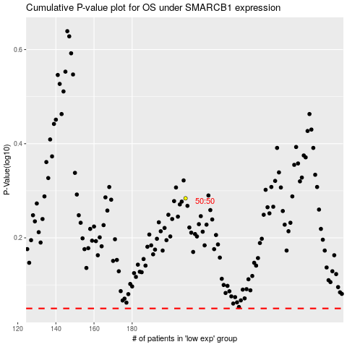

 |  |  |  |  |  | cases_OS | p_OS | rank | exp
 |  |  |  |  |  |  | cases_RFS | p_RFS | rank | exp

