SMARCC1 _multivariate
Reported by Tex Li-Hsing Chi. tex@gate.sinica.edu.tw 2019-08-15

Table 2. The clinicopathological features of HNSCC cohort and SMARCC1 expression. (Chi square test)
Cutoff at -0.149 (49.8%)
 |  | SMARCC1 expression |  | SMARCC1 expression |  | (Optimised)
 | Features | Low | (%) | High | (%) | Case no | P-value | Remark | Matthews
Gender | Female | 153 | 36.9 | 153 | 36.9 | 415 | 1 | 0 | 0
2 | Male | 54 | 13 | 55 | 13.3
Age at diagnosis | <=65y | 142 | 34.2 | 132 | 31.8 | 415 | 0.3167 | 0 | 0
4 | >65y | 65 | 15.7 | 76 | 18.3
Clinical T Status | T1+T2 | 80 | 19.3 | 69 | 16.6 | 415 | 0.2891 | 0 | 0
6 | T3+T4 | 127 | 30.6 | 139 | 33.5
Clinical N Status | N0 | 110 | 26.5 | 106 | 25.5 | 415 | 0.7294 | 0 | 0
8 | N1-3 | 97 | 23.4 | 102 | 24.6
Clinical M Status | M0 | 205 | 49.4 | 207 | 49.9 | 415 | 0.6232 | 0 | 0
10 | M1 | 2 | 0.5 | 1 | 0.2
Clinical Stage | Stage I+II | 54 | 13 | 48 | 11.6 | 415 | 0.5498 | 0 | 0
12 | Stage III+IV | 153 | 36.9 | 160 | 38.6
Surgical Margin status | Negative | 159 | 38.3 | 159 | 38.3 | 415 | 1 | 0 | 0
14 | Positive | 48 | 11.6 | 49 | 11.8
Tobacco Exposure | Low | 79 | 19 | 82 | 19.8 | 415 | 0.8405 | 0 | 0
16 | High | 128 | 30.8 | 126 | 30.4

Table 3. Univariate/Multivariate Cox's proportional hazards regression analyses on OS time of SMARCC1 gene expression in HNSCC

 |  | Univariate |  |  |  | Multivariate
 | Features | HR | CI95%(L) | CI95%(H) | P-value | HR | CI95%(L) | CI95%(H) | P-value
1 | Female | 1 |  |  |  | 1
Gender | Male | 1.157 | 0.843 | 1.587 | 0.367 | 1.208 | 0.865 | 1.687 | 0.268
11 | <=65y | 1 |  |  |  | 1
Age at diagnosis | >65y | 1.329 | 0.99 | 1.784 | 0.058 | 1.391 | 1.023 | 1.891 | 0.035
12 | T1+T2 | 1 |  |  |  | 1
Clinical T Status | T3+T4 | 1.409 | 1.028 | 1.931 | 0.033 | 2.207 | 1.167 | 4.173 | 0.015
13 | N0 | 1 |  |  |  | 1
Clinical N Status | N1-3 | 1.185 | 0.89 | 1.577 | 0.246 | 1.248 | 0.874 | 1.781 | 0.223
14 | M0 | 1 |  |  |  | 1
Clinical M Status | M1 | 4.097 | 1.009 | 16.644 | 0.049 | 9.756 | 2.121 | 44.866 | 0.003
15 | Stage I+II | 1 |  |  |  | 1
Clinical Stage | Stage III+IV | 1.245 | 0.882 | 1.759 | 0.213 | 0.501 | 0.233 | 1.075 | 0.076
16 | Negative | 1 |  |  |  | 1
Surgical Margin status | Positive | 1.591 | 1.155 | 2.191 | 0.004 | 1.685 | 1.218 | 2.33 | 0.002
17 | Low | 1 |  |  |  | 1
Tobacco Exposure | High | 1.364 | 1.008 | 1.844 | 0.044 | 1.46 | 1.06 | 2.011 | 0.021
18 | Low | 1 |  |  |  | 1
RNAseq(z-score) | High | 1.061 | 0.795 | 1.415 | 0.688 | 1.115 | 0.834 | 1.491 | 0.462

Table 4. Univariate/Multivariate Cox's proportional hazards regression analyses on RFS time of SMARCC1 gene expression in HNSCC

 |  | Univariate |  |  |  | Multivariate
 | Features | HR | CI95%(L) | CI95%(H) | P-value | HR | CI95%(L) | CI95%(H) | P-value
1 | Female | 1 |  |  |  | 1
Gender | Male | 1.157 | 0.843 | 1.587 | 0.367 | 1.208 | 0.865 | 1.687 | 0.268
11 | <=65y | 1 |  |  |  | 1
Age at diagnosis | >65y | 1.329 | 0.99 | 1.784 | 0.058 | 1.391 | 1.023 | 1.891 | 0.035
12 | T1+T2 | 1 |  |  |  | 1
Clinical T Status | T3+T4 | 1.409 | 1.028 | 1.931 | 0.033 | 2.207 | 1.167 | 4.173 | 0.015
13 | N0 | 1 |  |  |  | 1
Clinical N Status | N1-3 | 1.185 | 0.89 | 1.577 | 0.246 | 1.248 | 0.874 | 1.781 | 0.223
14 | M0 | 1 |  |  |  | 1
Clinical M Status | M1 | 4.097 | 1.009 | 16.644 | 0.049 | 9.756 | 2.121 | 44.866 | 0.003
15 | Stage I+II | 1 |  |  |  | 1
Clinical Stage | Stage III+IV | 1.245 | 0.882 | 1.759 | 0.213 | 0.501 | 0.233 | 1.075 | 0.076
16 | Negative | 1 |  |  |  | 1
Surgical Margin status | Positive | 1.591 | 1.155 | 2.191 | 0.004 | 1.685 | 1.218 | 2.33 | 0.002
17 | Low | 1 |  |  |  | 1
Tobacco Exposure | High | 1.364 | 1.008 | 1.844 | 0.044 | 1.46 | 1.06 | 2.011 | 0.021
18 | Low | 1 |  |  |  | 1
RNAseq(z-score) | High | 1.061 | 0.795 | 1.415 | 0.688 | 1.115 | 0.834 | 1.491 | 0.462

Kaplan-Meier survival estimate: Cutoff at -0.149 (49.8%)



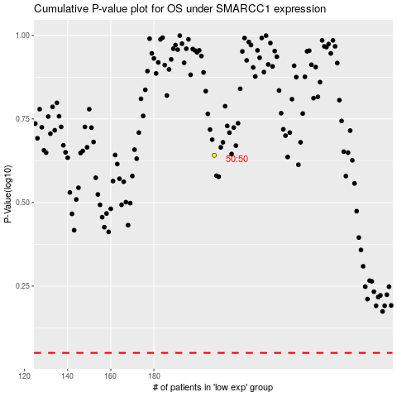

 |  |  |  |  |  | cases_OS | p_OS | rank | exp
 |  |  |  |  |  |  | cases_RFS | p_RFS | rank | exp

