SMARCD1 _multivariate
Reported by Tex Li-Hsing Chi. tex@gate.sinica.edu.tw 2019-08-15

Table 2. The clinicopathological features of HNSCC cohort and SMARCD1 expression. (Chi square test)
Cutoff at 0.02 (49.8%)
 |  | SMARCD1 expression |  | SMARCD1 expression |  | (Optimised)
 | Features | Low | (%) | High | (%) | Case no | P-value | Remark | Matthews
Gender | Female | 151 | 36.4 | 155 | 37.3 | 415 | 0.8007 | 0 | 0
2 | Male | 56 | 13.5 | 53 | 12.8
Age at diagnosis | <=65y | 140 | 33.7 | 134 | 32.3 | 415 | 0.5574 | 0 | 0
4 | >65y | 67 | 16.1 | 74 | 17.8
Clinical T Status | T1+T2 | 71 | 17.1 | 78 | 18.8 | 415 | 0.5638 | 0 | 0
6 | T3+T4 | 136 | 32.8 | 130 | 31.3
Clinical N Status | N0 | 108 | 26 | 108 | 26 | 415 | 1 | 0 | 0
8 | N1-3 | 99 | 23.9 | 100 | 24.1
Clinical M Status | M0 | 207 | 49.9 | 205 | 49.4 | 415 | 0.2482 | 0 | 0
10 | M1 | 0 | 0 | 3 | 0.7
Clinical Stage | Stage I+II | 48 | 11.6 | 54 | 13 | 415 | 0.5878 | 0 | 0
12 | Stage III+IV | 159 | 38.3 | 154 | 37.1
Surgical Margin status | Negative | 155 | 37.3 | 163 | 39.3 | 415 | 0.4187 | 0 | 0
14 | Positive | 52 | 12.5 | 45 | 10.8
Tobacco Exposure | Low | 84 | 20.2 | 77 | 18.6 | 415 | 0.4816 | 0 | 0
16 | High | 123 | 29.6 | 131 | 31.6

Table 3. Univariate/Multivariate Cox's proportional hazards regression analyses on OS time of SMARCD1 gene expression in HNSCC

 |  | Univariate |  |  |  | Multivariate
 | Features | HR | CI95%(L) | CI95%(H) | P-value | HR | CI95%(L) | CI95%(H) | P-value
1 | Female | 1 |  |  |  | 1
Gender | Male | 1.157 | 0.843 | 1.587 | 0.367 | 1.225 | 0.874 | 1.717 | 0.239
11 | <=65y | 1 |  |  |  | 1
Age at diagnosis | >65y | 1.329 | 0.99 | 1.784 | 0.058 | 1.379 | 1.014 | 1.876 | 0.041
12 | T1+T2 | 1 |  |  |  | 1
Clinical T Status | T3+T4 | 1.409 | 1.028 | 1.931 | 0.033 | 2.224 | 1.175 | 4.208 | 0.014
13 | N0 | 1 |  |  |  | 1
Clinical N Status | N1-3 | 1.185 | 0.89 | 1.577 | 0.246 | 1.232 | 0.863 | 1.758 | 0.251
14 | M0 | 1 |  |  |  | 1
Clinical M Status | M1 | 4.097 | 1.009 | 16.644 | 0.049 | 8.992 | 1.954 | 41.367 | 0.005
15 | Stage I+II | 1 |  |  |  | 1
Clinical Stage | Stage III+IV | 1.245 | 0.882 | 1.759 | 0.213 | 0.504 | 0.235 | 1.082 | 0.079
16 | Negative | 1 |  |  |  | 1
Surgical Margin status | Positive | 1.591 | 1.155 | 2.191 | 0.004 | 1.698 | 1.226 | 2.352 | 0.001
17 | Low | 1 |  |  |  | 1
Tobacco Exposure | High | 1.364 | 1.008 | 1.844 | 0.044 | 1.45 | 1.052 | 1.998 | 0.023
18 | Low | 1 |  |  |  | 1
RNAseq(z-score) | High | 1.094 | 0.821 | 1.458 | 0.54 | 1.133 | 0.844 | 1.52 | 0.407

Table 4. Univariate/Multivariate Cox's proportional hazards regression analyses on RFS time of SMARCD1 gene expression in HNSCC

 |  | Univariate |  |  |  | Multivariate
 | Features | HR | CI95%(L) | CI95%(H) | P-value | HR | CI95%(L) | CI95%(H) | P-value
1 | Female | 1 |  |  |  | 1
Gender | Male | 1.157 | 0.843 | 1.587 | 0.367 | 1.225 | 0.874 | 1.717 | 0.239
11 | <=65y | 1 |  |  |  | 1
Age at diagnosis | >65y | 1.329 | 0.99 | 1.784 | 0.058 | 1.379 | 1.014 | 1.876 | 0.041
12 | T1+T2 | 1 |  |  |  | 1
Clinical T Status | T3+T4 | 1.409 | 1.028 | 1.931 | 0.033 | 2.224 | 1.175 | 4.208 | 0.014
13 | N0 | 1 |  |  |  | 1
Clinical N Status | N1-3 | 1.185 | 0.89 | 1.577 | 0.246 | 1.232 | 0.863 | 1.758 | 0.251
14 | M0 | 1 |  |  |  | 1
Clinical M Status | M1 | 4.097 | 1.009 | 16.644 | 0.049 | 8.992 | 1.954 | 41.367 | 0.005
15 | Stage I+II | 1 |  |  |  | 1
Clinical Stage | Stage III+IV | 1.245 | 0.882 | 1.759 | 0.213 | 0.504 | 0.235 | 1.082 | 0.079
16 | Negative | 1 |  |  |  | 1
Surgical Margin status | Positive | 1.591 | 1.155 | 2.191 | 0.004 | 1.698 | 1.226 | 2.352 | 0.001
17 | Low | 1 |  |  |  | 1
Tobacco Exposure | High | 1.364 | 1.008 | 1.844 | 0.044 | 1.45 | 1.052 | 1.998 | 0.023
18 | Low | 1 |  |  |  | 1
RNAseq(z-score) | High | 1.094 | 0.821 | 1.458 | 0.54 | 1.133 | 0.844 | 1.52 | 0.407

Kaplan-Meier survival estimate: Cutoff at 0.02 (49.8%)



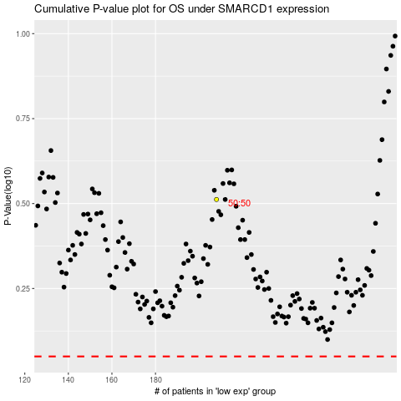

 |  |  |  |  |  | cases_OS | p_OS | rank | exp
 |  |  |  |  |  |  | cases_RFS | p_RFS | rank | exp

