SMARCD2 _multivariate
Reported by Tex Li-Hsing Chi. tex@gate.sinica.edu.tw 2019-08-15

Table 2. The clinicopathological features of HNSCC cohort and SMARCD2 expression. (Chi square test)
Cutoff at -0.23 (49.8%)
 |  | SMARCD2 expression |  | SMARCD2 expression |  | (Optimised)
 | Features | Low | (%) | High | (%) | Case no | P-value | Remark | Matthews
Gender | Female | 143 | 34.5 | 163 | 39.3 | 415 | 0.0416 | 1 | 0
2 | Male | 64 | 15.4 | 45 | 10.8
Age at diagnosis | <=65y | 139 | 33.5 | 135 | 32.5 | 415 | 0.7044 | 0 | 0
4 | >65y | 68 | 16.4 | 73 | 17.6
Clinical T Status | T1+T2 | 90 | 21.7 | 59 | 14.2 | 415 | 0.0019 | 1 | 0
6 | T3+T4 | 117 | 28.2 | 149 | 35.9
Clinical N Status | N0 | 111 | 26.7 | 105 | 25.3 | 415 | 0.5875 | 0 | 0
8 | N1-3 | 96 | 23.1 | 103 | 24.8
Clinical M Status | M0 | 206 | 49.6 | 206 | 49.6 | 415 | 1 | 0 | 0
10 | M1 | 1 | 0.2 | 2 | 0.5
Clinical Stage | Stage I+II | 63 | 15.2 | 39 | 9.4 | 415 | 0.008 | 1 | 0
12 | Stage III+IV | 144 | 34.7 | 169 | 40.7
Surgical Margin status | Negative | 157 | 37.8 | 161 | 38.8 | 415 | 0.729 | 0 | 0
14 | Positive | 50 | 12 | 47 | 11.3
Tobacco Exposure | Low | 97 | 23.4 | 64 | 15.4 | 415 | 9e-04 | 1 | 0
16 | High | 110 | 26.5 | 144 | 34.7

Table 3. Univariate/Multivariate Cox's proportional hazards regression analyses on OS time of SMARCD2 gene expression in HNSCC

 |  | Univariate |  |  |  | Multivariate
 | Features | HR | CI95%(L) | CI95%(H) | P-value | HR | CI95%(L) | CI95%(H) | P-value
1 | Female | 1 |  |  |  | 1
Gender | Male | 1.157 | 0.843 | 1.587 | 0.367 | 1.209 | 0.865 | 1.692 | 0.267
11 | <=65y | 1 |  |  |  | 1
Age at diagnosis | >65y | 1.329 | 0.99 | 1.784 | 0.058 | 1.389 | 1.022 | 1.889 | 0.036
12 | T1+T2 | 1 |  |  |  | 1
Clinical T Status | T3+T4 | 1.409 | 1.028 | 1.931 | 0.033 | 2.179 | 1.15 | 4.128 | 0.017
13 | N0 | 1 |  |  |  | 1
Clinical N Status | N1-3 | 1.185 | 0.89 | 1.577 | 0.246 | 1.242 | 0.87 | 1.772 | 0.233
14 | M0 | 1 |  |  |  | 1
Clinical M Status | M1 | 4.097 | 1.009 | 16.644 | 0.049 | 9.306 | 2.029 | 42.691 | 0.004
15 | Stage I+II | 1 |  |  |  | 1
Clinical Stage | Stage III+IV | 1.245 | 0.882 | 1.759 | 0.213 | 0.502 | 0.234 | 1.077 | 0.077
16 | Negative | 1 |  |  |  | 1
Surgical Margin status | Positive | 1.591 | 1.155 | 2.191 | 0.004 | 1.671 | 1.21 | 2.31 | 0.002
17 | Low | 1 |  |  |  | 1
Tobacco Exposure | High | 1.364 | 1.008 | 1.844 | 0.044 | 1.437 | 1.038 | 1.988 | 0.029
18 | Low | 1 |  |  |  | 1
RNAseq(z-score) | High | 1.181 | 0.885 | 1.574 | 0.258 | 1.068 | 0.789 | 1.445 | 0.671

Table 4. Univariate/Multivariate Cox's proportional hazards regression analyses on RFS time of SMARCD2 gene expression in HNSCC

 |  | Univariate |  |  |  | Multivariate
 | Features | HR | CI95%(L) | CI95%(H) | P-value | HR | CI95%(L) | CI95%(H) | P-value
1 | Female | 1 |  |  |  | 1
Gender | Male | 1.157 | 0.843 | 1.587 | 0.367 | 1.209 | 0.865 | 1.692 | 0.267
11 | <=65y | 1 |  |  |  | 1
Age at diagnosis | >65y | 1.329 | 0.99 | 1.784 | 0.058 | 1.389 | 1.022 | 1.889 | 0.036
12 | T1+T2 | 1 |  |  |  | 1
Clinical T Status | T3+T4 | 1.409 | 1.028 | 1.931 | 0.033 | 2.179 | 1.15 | 4.128 | 0.017
13 | N0 | 1 |  |  |  | 1
Clinical N Status | N1-3 | 1.185 | 0.89 | 1.577 | 0.246 | 1.242 | 0.87 | 1.772 | 0.233
14 | M0 | 1 |  |  |  | 1
Clinical M Status | M1 | 4.097 | 1.009 | 16.644 | 0.049 | 9.306 | 2.029 | 42.691 | 0.004
15 | Stage I+II | 1 |  |  |  | 1
Clinical Stage | Stage III+IV | 1.245 | 0.882 | 1.759 | 0.213 | 0.502 | 0.234 | 1.077 | 0.077
16 | Negative | 1 |  |  |  | 1
Surgical Margin status | Positive | 1.591 | 1.155 | 2.191 | 0.004 | 1.671 | 1.21 | 2.31 | 0.002
17 | Low | 1 |  |  |  | 1
Tobacco Exposure | High | 1.364 | 1.008 | 1.844 | 0.044 | 1.437 | 1.038 | 1.988 | 0.029
18 | Low | 1 |  |  |  | 1
RNAseq(z-score) | High | 1.181 | 0.885 | 1.574 | 0.258 | 1.068 | 0.789 | 1.445 | 0.671

Kaplan-Meier survival estimate: Cutoff at -0.23 (49.8%)



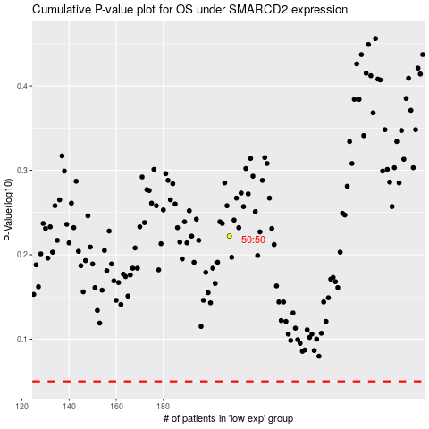

 |  |  |  |  |  | cases_OS | p_OS | rank | exp
 |  |  |  |  |  |  | cases_RFS | p_RFS | rank | exp

