SMC1A _multivariate
Reported by Tex Li-Hsing Chi. tex@gate.sinica.edu.tw 2019-08-15

Table 2. The clinicopathological features of HNSCC cohort and SMC1A expression. (Chi square test)
Cutoff at -0.165 (49.8%)
 |  | SMC1A expression |  | SMC1A expression |  | (Optimised)
 | Features | Low | (%) | High | (%) | Case no | P-value | Remark | Matthews
Gender | Female | 167 | 40.2 | 139 | 33.5 | 415 | 0.002 | 1 | 0
2 | Male | 40 | 9.6 | 69 | 16.6
Age at diagnosis | <=65y | 135 | 32.5 | 139 | 33.5 | 415 | 0.8084 | 0 | 0
4 | >65y | 72 | 17.3 | 69 | 16.6
Clinical T Status | T1+T2 | 66 | 15.9 | 83 | 20 | 415 | 0.1095 | 0 | 0
6 | T3+T4 | 141 | 34 | 125 | 30.1
Clinical N Status | N0 | 108 | 26 | 108 | 26 | 415 | 1 | 0 | 0
8 | N1-3 | 99 | 23.9 | 100 | 24.1
Clinical M Status | M0 | 204 | 49.2 | 208 | 50.1 | 415 | 0.1232 | 0 | 0
10 | M1 | 3 | 0.7 | 0 | 0
Clinical Stage | Stage I+II | 49 | 11.8 | 53 | 12.8 | 415 | 0.7535 | 0 | 0
12 | Stage III+IV | 158 | 38.1 | 155 | 37.3
Surgical Margin status | Negative | 158 | 38.1 | 160 | 38.6 | 415 | 0.9081 | 0 | 0
14 | Positive | 49 | 11.8 | 48 | 11.6
Tobacco Exposure | Low | 74 | 17.8 | 87 | 21 | 415 | 0.227 | 0 | 0
16 | High | 133 | 32 | 121 | 29.2

Table 3. Univariate/Multivariate Cox's proportional hazards regression analyses on OS time of SMC1A gene expression in HNSCC

 |  | Univariate |  |  |  | Multivariate
 | Features | HR | CI95%(L) | CI95%(H) | P-value | HR | CI95%(L) | CI95%(H) | P-value
1 | Female | 1 |  |  |  | 1
Gender | Male | 1.157 | 0.843 | 1.587 | 0.367 | 1.188 | 0.849 | 1.662 | 0.314
11 | <=65y | 1 |  |  |  | 1
Age at diagnosis | >65y | 1.329 | 0.99 | 1.784 | 0.058 | 1.389 | 1.022 | 1.889 | 0.036
12 | T1+T2 | 1 |  |  |  | 1
Clinical T Status | T3+T4 | 1.409 | 1.028 | 1.931 | 0.033 | 2.246 | 1.185 | 4.257 | 0.013
13 | N0 | 1 |  |  |  | 1
Clinical N Status | N1-3 | 1.185 | 0.89 | 1.577 | 0.246 | 1.24 | 0.869 | 1.769 | 0.235
14 | M0 | 1 |  |  |  | 1
Clinical M Status | M1 | 4.097 | 1.009 | 16.644 | 0.049 | 10.058 | 2.169 | 46.645 | 0.003
15 | Stage I+II | 1 |  |  |  | 1
Clinical Stage | Stage III+IV | 1.245 | 0.882 | 1.759 | 0.213 | 0.498 | 0.232 | 1.07 | 0.074
16 | Negative | 1 |  |  |  | 1
Surgical Margin status | Positive | 1.591 | 1.155 | 2.191 | 0.004 | 1.685 | 1.218 | 2.33 | 0.002
17 | Low | 1 |  |  |  | 1
Tobacco Exposure | High | 1.364 | 1.008 | 1.844 | 0.044 | 1.464 | 1.062 | 2.02 | 0.02
18 | Low | 1 |  |  |  | 1
RNAseq(z-score) | High | 1.015 | 0.762 | 1.352 | 0.919 | 1.111 | 0.829 | 1.49 | 0.481

Table 4. Univariate/Multivariate Cox's proportional hazards regression analyses on RFS time of SMC1A gene expression in HNSCC

 |  | Univariate |  |  |  | Multivariate
 | Features | HR | CI95%(L) | CI95%(H) | P-value | HR | CI95%(L) | CI95%(H) | P-value
1 | Female | 1 |  |  |  | 1
Gender | Male | 1.157 | 0.843 | 1.587 | 0.367 | 1.188 | 0.849 | 1.662 | 0.314
11 | <=65y | 1 |  |  |  | 1
Age at diagnosis | >65y | 1.329 | 0.99 | 1.784 | 0.058 | 1.389 | 1.022 | 1.889 | 0.036
12 | T1+T2 | 1 |  |  |  | 1
Clinical T Status | T3+T4 | 1.409 | 1.028 | 1.931 | 0.033 | 2.246 | 1.185 | 4.257 | 0.013
13 | N0 | 1 |  |  |  | 1
Clinical N Status | N1-3 | 1.185 | 0.89 | 1.577 | 0.246 | 1.24 | 0.869 | 1.769 | 0.235
14 | M0 | 1 |  |  |  | 1
Clinical M Status | M1 | 4.097 | 1.009 | 16.644 | 0.049 | 10.058 | 2.169 | 46.645 | 0.003
15 | Stage I+II | 1 |  |  |  | 1
Clinical Stage | Stage III+IV | 1.245 | 0.882 | 1.759 | 0.213 | 0.498 | 0.232 | 1.07 | 0.074
16 | Negative | 1 |  |  |  | 1
Surgical Margin status | Positive | 1.591 | 1.155 | 2.191 | 0.004 | 1.685 | 1.218 | 2.33 | 0.002
17 | Low | 1 |  |  |  | 1
Tobacco Exposure | High | 1.364 | 1.008 | 1.844 | 0.044 | 1.464 | 1.062 | 2.02 | 0.02
18 | Low | 1 |  |  |  | 1
RNAseq(z-score) | High | 1.015 | 0.762 | 1.352 | 0.919 | 1.111 | 0.829 | 1.49 | 0.481

Kaplan-Meier survival estimate: Cutoff at -0.165 (49.8%)



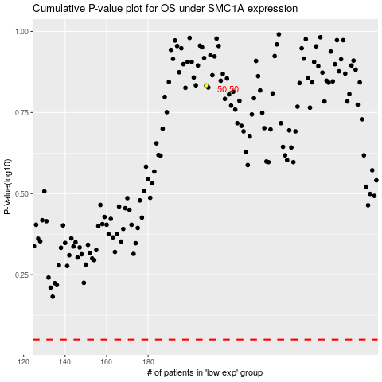

 |  |  |  |  |  | cases_OS | p_OS | rank | exp
 |  |  |  |  |  |  | cases_RFS | p_RFS | rank | exp

