SMC1B _multivariate
Reported by Tex Li-Hsing Chi. tex@gate.sinica.edu.tw 2019-08-15

Table 2. The clinicopathological features of HNSCC cohort and SMC1B expression. (Chi square test)
Cutoff at -0.37 (49.8%)
 |  | SMC1B expression |  | SMC1B expression |  | (Optimised)
 | Features | Low | (%) | High | (%) | Case no | P-value | Remark | Matthews
Gender | Female | 148 | 35.7 | 158 | 38.1 | 415 | 0.3567 | 0 | 0
2 | Male | 59 | 14.2 | 50 | 12
Age at diagnosis | <=65y | 134 | 32.3 | 140 | 33.7 | 415 | 0.6529 | 0 | 0
4 | >65y | 73 | 17.6 | 68 | 16.4
Clinical T Status | T1+T2 | 68 | 16.4 | 81 | 19.5 | 415 | 0.2336 | 0 | 0
6 | T3+T4 | 139 | 33.5 | 127 | 30.6
Clinical N Status | N0 | 113 | 27.2 | 103 | 24.8 | 415 | 0.3495 | 1 | 0
8 | N1-3 | 94 | 22.7 | 105 | 25.3
Clinical M Status | M0 | 205 | 49.4 | 207 | 49.9 | 415 | 0.6232 | 0 | 0
10 | M1 | 2 | 0.5 | 1 | 0.2
Clinical Stage | Stage I+II | 51 | 12.3 | 51 | 12.3 | 415 | 1 | 0 | 0
12 | Stage III+IV | 156 | 37.6 | 157 | 37.8
Surgical Margin status | Negative | 163 | 39.3 | 155 | 37.3 | 415 | 0.3537 | 0 | 0
14 | Positive | 44 | 10.6 | 53 | 12.8
Tobacco Exposure | Low | 85 | 20.5 | 76 | 18.3 | 415 | 0.3655 | 0 | 0
16 | High | 122 | 29.4 | 132 | 31.8

Table 3. Univariate/Multivariate Cox's proportional hazards regression analyses on OS time of SMC1B gene expression in HNSCC

 |  | Univariate |  |  |  | Multivariate
 | Features | HR | CI95%(L) | CI95%(H) | P-value | HR | CI95%(L) | CI95%(H) | P-value
1 | Female | 1 |  |  |  | 1
Gender | Male | 1.157 | 0.843 | 1.587 | 0.367 | 1.199 | 0.858 | 1.676 | 0.288
11 | <=65y | 1 |  |  |  | 1
Age at diagnosis | >65y | 1.329 | 0.99 | 1.784 | 0.058 | 1.39 | 1.022 | 1.89 | 0.036
12 | T1+T2 | 1 |  |  |  | 1
Clinical T Status | T3+T4 | 1.409 | 1.028 | 1.931 | 0.033 | 2.184 | 1.151 | 4.145 | 0.017
13 | N0 | 1 |  |  |  | 1
Clinical N Status | N1-3 | 1.185 | 0.89 | 1.577 | 0.246 | 1.243 | 0.871 | 1.773 | 0.231
14 | M0 | 1 |  |  |  | 1
Clinical M Status | M1 | 4.097 | 1.009 | 16.644 | 0.049 | 9.223 | 1.995 | 42.638 | 0.004
15 | Stage I+II | 1 |  |  |  | 1
Clinical Stage | Stage III+IV | 1.245 | 0.882 | 1.759 | 0.213 | 0.508 | 0.236 | 1.093 | 0.083
16 | Negative | 1 |  |  |  | 1
Surgical Margin status | Positive | 1.591 | 1.155 | 2.191 | 0.004 | 1.674 | 1.211 | 2.314 | 0.002
17 | Low | 1 |  |  |  | 1
Tobacco Exposure | High | 1.364 | 1.008 | 1.844 | 0.044 | 1.455 | 1.056 | 2.005 | 0.022
18 | Low | 1 |  |  |  | 1
RNAseq(z-score) | High | 0.93 | 0.698 | 1.24 | 0.622 | 0.965 | 0.72 | 1.293 | 0.811

Table 4. Univariate/Multivariate Cox's proportional hazards regression analyses on RFS time of SMC1B gene expression in HNSCC

 |  | Univariate |  |  |  | Multivariate
 | Features | HR | CI95%(L) | CI95%(H) | P-value | HR | CI95%(L) | CI95%(H) | P-value
1 | Female | 1 |  |  |  | 1
Gender | Male | 1.157 | 0.843 | 1.587 | 0.367 | 1.199 | 0.858 | 1.676 | 0.288
11 | <=65y | 1 |  |  |  | 1
Age at diagnosis | >65y | 1.329 | 0.99 | 1.784 | 0.058 | 1.39 | 1.022 | 1.89 | 0.036
12 | T1+T2 | 1 |  |  |  | 1
Clinical T Status | T3+T4 | 1.409 | 1.028 | 1.931 | 0.033 | 2.184 | 1.151 | 4.145 | 0.017
13 | N0 | 1 |  |  |  | 1
Clinical N Status | N1-3 | 1.185 | 0.89 | 1.577 | 0.246 | 1.243 | 0.871 | 1.773 | 0.231
14 | M0 | 1 |  |  |  | 1
Clinical M Status | M1 | 4.097 | 1.009 | 16.644 | 0.049 | 9.223 | 1.995 | 42.638 | 0.004
15 | Stage I+II | 1 |  |  |  | 1
Clinical Stage | Stage III+IV | 1.245 | 0.882 | 1.759 | 0.213 | 0.508 | 0.236 | 1.093 | 0.083
16 | Negative | 1 |  |  |  | 1
Surgical Margin status | Positive | 1.591 | 1.155 | 2.191 | 0.004 | 1.674 | 1.211 | 2.314 | 0.002
17 | Low | 1 |  |  |  | 1
Tobacco Exposure | High | 1.364 | 1.008 | 1.844 | 0.044 | 1.455 | 1.056 | 2.005 | 0.022
18 | Low | 1 |  |  |  | 1
RNAseq(z-score) | High | 0.93 | 0.698 | 1.24 | 0.622 | 0.965 | 0.72 | 1.293 | 0.811

Kaplan-Meier survival estimate: Cutoff at -0.37 (49.8%)



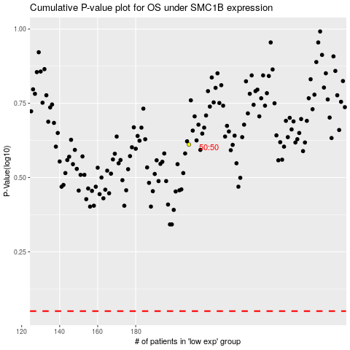

 |  |  |  |  |  | cases_OS | p_OS | rank | exp
 |  |  |  |  |  |  | cases_RFS | p_RFS | rank | exp

