SMC3 _multivariate
Reported by Tex Li-Hsing Chi. tex@gate.sinica.edu.tw 2019-08-15

Table 2. The clinicopathological features of HNSCC cohort and SMC3 expression. (Chi square test)
Cutoff at -0.118 (49.8%)
 |  | SMC3 expression |  | SMC3 expression |  | (Optimised)
 | Features | Low | (%) | High | (%) | Case no | P-value | Remark | Matthews
Gender | Female | 146 | 35.2 | 160 | 38.6 | 415 | 0.1714 | 0 | 0
2 | Male | 61 | 14.7 | 48 | 11.6
Age at diagnosis | <=65y | 130 | 31.3 | 144 | 34.7 | 415 | 0.2009 | 0 | 0
4 | >65y | 77 | 18.6 | 64 | 15.4
Clinical T Status | T1+T2 | 81 | 19.5 | 68 | 16.4 | 415 | 0.206 | 0 | 0
6 | T3+T4 | 126 | 30.4 | 140 | 33.7
Clinical N Status | N0 | 120 | 28.9 | 96 | 23.1 | 415 | 0.0208 | 1 | 0
8 | N1-3 | 87 | 21 | 112 | 27
Clinical M Status | M0 | 206 | 49.6 | 206 | 49.6 | 415 | 1 | 0 | 0
10 | M1 | 1 | 0.2 | 2 | 0.5
Clinical Stage | Stage I+II | 57 | 13.7 | 45 | 10.8 | 415 | 0.1998 | 0 | 0
12 | Stage III+IV | 150 | 36.1 | 163 | 39.3
Surgical Margin status | Negative | 162 | 39 | 156 | 37.6 | 415 | 0.4867 | 0 | 0
14 | Positive | 45 | 10.8 | 52 | 12.5
Tobacco Exposure | Low | 90 | 21.7 | 71 | 17.1 | 415 | 0.0559 | 0 | 0
16 | High | 117 | 28.2 | 137 | 33

Table 3. Univariate/Multivariate Cox's proportional hazards regression analyses on OS time of SMC3 gene expression in HNSCC

 |  | Univariate |  |  |  | Multivariate
 | Features | HR | CI95%(L) | CI95%(H) | P-value | HR | CI95%(L) | CI95%(H) | P-value
1 | Female | 1 |  |  |  | 1
Gender | Male | 1.157 | 0.843 | 1.587 | 0.367 | 1.207 | 0.864 | 1.687 | 0.27
11 | <=65y | 1 |  |  |  | 1
Age at diagnosis | >65y | 1.329 | 0.99 | 1.784 | 0.058 | 1.397 | 1.027 | 1.899 | 0.033
12 | T1+T2 | 1 |  |  |  | 1
Clinical T Status | T3+T4 | 1.409 | 1.028 | 1.931 | 0.033 | 2.202 | 1.164 | 4.163 | 0.015
13 | N0 | 1 |  |  |  | 1
Clinical N Status | N1-3 | 1.185 | 0.89 | 1.577 | 0.246 | 1.226 | 0.857 | 1.755 | 0.265
14 | M0 | 1 |  |  |  | 1
Clinical M Status | M1 | 4.097 | 1.009 | 16.644 | 0.049 | 9.418 | 2.054 | 43.173 | 0.004
15 | Stage I+II | 1 |  |  |  | 1
Clinical Stage | Stage III+IV | 1.245 | 0.882 | 1.759 | 0.213 | 0.507 | 0.236 | 1.088 | 0.081
16 | Negative | 1 |  |  |  | 1
Surgical Margin status | Positive | 1.591 | 1.155 | 2.191 | 0.004 | 1.672 | 1.21 | 2.31 | 0.002
17 | Low | 1 |  |  |  | 1
Tobacco Exposure | High | 1.364 | 1.008 | 1.844 | 0.044 | 1.452 | 1.054 | 2.001 | 0.022
18 | Low | 1 |  |  |  | 1
RNAseq(z-score) | High | 1.079 | 0.81 | 1.437 | 0.605 | 1.076 | 0.804 | 1.441 | 0.623

Table 4. Univariate/Multivariate Cox's proportional hazards regression analyses on RFS time of SMC3 gene expression in HNSCC

 |  | Univariate |  |  |  | Multivariate
 | Features | HR | CI95%(L) | CI95%(H) | P-value | HR | CI95%(L) | CI95%(H) | P-value
1 | Female | 1 |  |  |  | 1
Gender | Male | 1.157 | 0.843 | 1.587 | 0.367 | 1.207 | 0.864 | 1.687 | 0.27
11 | <=65y | 1 |  |  |  | 1
Age at diagnosis | >65y | 1.329 | 0.99 | 1.784 | 0.058 | 1.397 | 1.027 | 1.899 | 0.033
12 | T1+T2 | 1 |  |  |  | 1
Clinical T Status | T3+T4 | 1.409 | 1.028 | 1.931 | 0.033 | 2.202 | 1.164 | 4.163 | 0.015
13 | N0 | 1 |  |  |  | 1
Clinical N Status | N1-3 | 1.185 | 0.89 | 1.577 | 0.246 | 1.226 | 0.857 | 1.755 | 0.265
14 | M0 | 1 |  |  |  | 1
Clinical M Status | M1 | 4.097 | 1.009 | 16.644 | 0.049 | 9.418 | 2.054 | 43.173 | 0.004
15 | Stage I+II | 1 |  |  |  | 1
Clinical Stage | Stage III+IV | 1.245 | 0.882 | 1.759 | 0.213 | 0.507 | 0.236 | 1.088 | 0.081
16 | Negative | 1 |  |  |  | 1
Surgical Margin status | Positive | 1.591 | 1.155 | 2.191 | 0.004 | 1.672 | 1.21 | 2.31 | 0.002
17 | Low | 1 |  |  |  | 1
Tobacco Exposure | High | 1.364 | 1.008 | 1.844 | 0.044 | 1.452 | 1.054 | 2.001 | 0.022
18 | Low | 1 |  |  |  | 1
RNAseq(z-score) | High | 1.079 | 0.81 | 1.437 | 0.605 | 1.076 | 0.804 | 1.441 | 0.623

Kaplan-Meier survival estimate: Cutoff at -0.118 (49.8%)



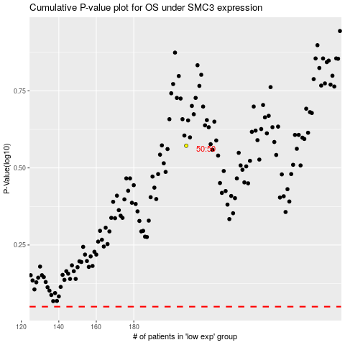

 |  |  |  |  |  | cases_OS | p_OS | rank | exp
 |  |  |  |  |  |  | cases_RFS | p_RFS | rank | exp

