SMCHD1 _multivariate
Reported by Tex Li-Hsing Chi. tex@gate.sinica.edu.tw 2019-08-15

Table 2. The clinicopathological features of HNSCC cohort and SMCHD1 expression. (Chi square test)
Cutoff at -0.136 (49.8%)
 |  | SMCHD1 expression |  | SMCHD1 expression |  | (Optimised)
 | Features | Low | (%) | High | (%) | Case no | P-value | Remark | Matthews
Gender | Female | 146 | 35.2 | 160 | 38.6 | 415 | 0.1714 | 0 | 0
2 | Male | 61 | 14.7 | 48 | 11.6
Age at diagnosis | <=65y | 135 | 32.5 | 139 | 33.5 | 415 | 0.8084 | 0 | 0
4 | >65y | 72 | 17.3 | 69 | 16.6
Clinical T Status | T1+T2 | 74 | 17.8 | 75 | 18.1 | 415 | 1 | 0 | 0
6 | T3+T4 | 133 | 32 | 133 | 32
Clinical N Status | N0 | 116 | 28 | 100 | 24.1 | 415 | 0.1273 | 1 | 0
8 | N1-3 | 91 | 21.9 | 108 | 26
Clinical M Status | M0 | 204 | 49.2 | 208 | 50.1 | 415 | 0.1232 | 0 | 0
10 | M1 | 3 | 0.7 | 0 | 0
Clinical Stage | Stage I+II | 54 | 13 | 48 | 11.6 | 415 | 0.5498 | 0 | 0
12 | Stage III+IV | 153 | 36.9 | 160 | 38.6
Surgical Margin status | Negative | 161 | 38.8 | 157 | 37.8 | 415 | 0.6429 | 0 | 0
14 | Positive | 46 | 11.1 | 51 | 12.3
Tobacco Exposure | Low | 82 | 19.8 | 79 | 19 | 415 | 0.763 | 0 | 0
16 | High | 125 | 30.1 | 129 | 31.1

Table 3. Univariate/Multivariate Cox's proportional hazards regression analyses on OS time of SMCHD1 gene expression in HNSCC

 |  | Univariate |  |  |  | Multivariate
 | Features | HR | CI95%(L) | CI95%(H) | P-value | HR | CI95%(L) | CI95%(H) | P-value
1 | Female | 1 |  |  |  | 1
Gender | Male | 1.157 | 0.843 | 1.587 | 0.367 | 1.184 | 0.846 | 1.656 | 0.324
11 | <=65y | 1 |  |  |  | 1
Age at diagnosis | >65y | 1.329 | 0.99 | 1.784 | 0.058 | 1.396 | 1.027 | 1.896 | 0.033
12 | T1+T2 | 1 |  |  |  | 1
Clinical T Status | T3+T4 | 1.409 | 1.028 | 1.931 | 0.033 | 2.172 | 1.148 | 4.108 | 0.017
13 | N0 | 1 |  |  |  | 1
Clinical N Status | N1-3 | 1.185 | 0.89 | 1.577 | 0.246 | 1.253 | 0.878 | 1.788 | 0.215
14 | M0 | 1 |  |  |  | 1
Clinical M Status | M1 | 4.097 | 1.009 | 16.644 | 0.049 | 8.569 | 1.849 | 39.712 | 0.006
15 | Stage I+II | 1 |  |  |  | 1
Clinical Stage | Stage III+IV | 1.245 | 0.882 | 1.759 | 0.213 | 0.514 | 0.239 | 1.103 | 0.087
16 | Negative | 1 |  |  |  | 1
Surgical Margin status | Positive | 1.591 | 1.155 | 2.191 | 0.004 | 1.662 | 1.203 | 2.296 | 0.002
17 | Low | 1 |  |  |  | 1
Tobacco Exposure | High | 1.364 | 1.008 | 1.844 | 0.044 | 1.44 | 1.045 | 1.984 | 0.026
18 | Low | 1 |  |  |  | 1
RNAseq(z-score) | High | 0.824 | 0.618 | 1.099 | 0.188 | 0.866 | 0.646 | 1.161 | 0.336

Table 4. Univariate/Multivariate Cox's proportional hazards regression analyses on RFS time of SMCHD1 gene expression in HNSCC

 |  | Univariate |  |  |  | Multivariate
 | Features | HR | CI95%(L) | CI95%(H) | P-value | HR | CI95%(L) | CI95%(H) | P-value
1 | Female | 1 |  |  |  | 1
Gender | Male | 1.157 | 0.843 | 1.587 | 0.367 | 1.184 | 0.846 | 1.656 | 0.324
11 | <=65y | 1 |  |  |  | 1
Age at diagnosis | >65y | 1.329 | 0.99 | 1.784 | 0.058 | 1.396 | 1.027 | 1.896 | 0.033
12 | T1+T2 | 1 |  |  |  | 1
Clinical T Status | T3+T4 | 1.409 | 1.028 | 1.931 | 0.033 | 2.172 | 1.148 | 4.108 | 0.017
13 | N0 | 1 |  |  |  | 1
Clinical N Status | N1-3 | 1.185 | 0.89 | 1.577 | 0.246 | 1.253 | 0.878 | 1.788 | 0.215
14 | M0 | 1 |  |  |  | 1
Clinical M Status | M1 | 4.097 | 1.009 | 16.644 | 0.049 | 8.569 | 1.849 | 39.712 | 0.006
15 | Stage I+II | 1 |  |  |  | 1
Clinical Stage | Stage III+IV | 1.245 | 0.882 | 1.759 | 0.213 | 0.514 | 0.239 | 1.103 | 0.087
16 | Negative | 1 |  |  |  | 1
Surgical Margin status | Positive | 1.591 | 1.155 | 2.191 | 0.004 | 1.662 | 1.203 | 2.296 | 0.002
17 | Low | 1 |  |  |  | 1
Tobacco Exposure | High | 1.364 | 1.008 | 1.844 | 0.044 | 1.44 | 1.045 | 1.984 | 0.026
18 | Low | 1 |  |  |  | 1
RNAseq(z-score) | High | 0.824 | 0.618 | 1.099 | 0.188 | 0.866 | 0.646 | 1.161 | 0.336

Kaplan-Meier survival estimate: Cutoff at -0.136 (49.8%)



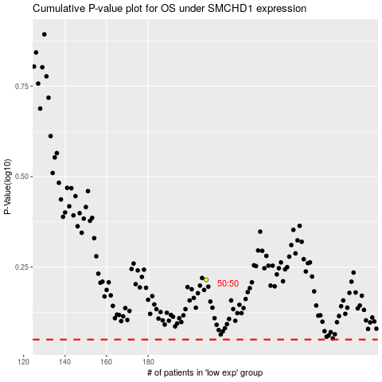

 |  |  |  |  |  | cases_OS | p_OS | rank | exp
 |  |  |  |  |  |  | cases_RFS | p_RFS | rank | exp

